Sheet1
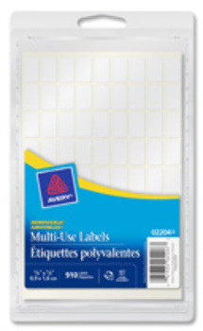
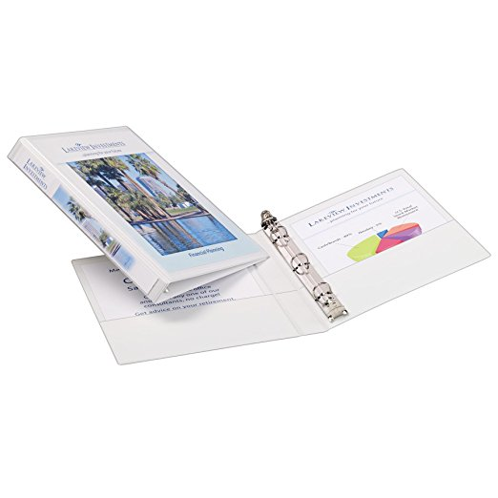
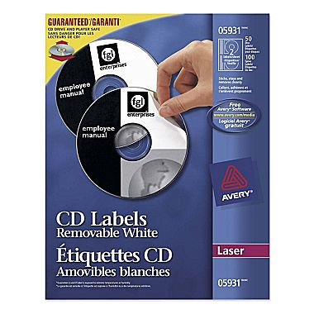
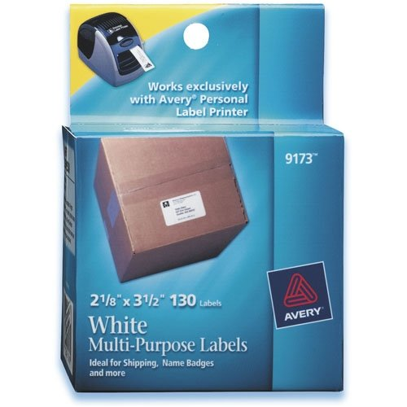
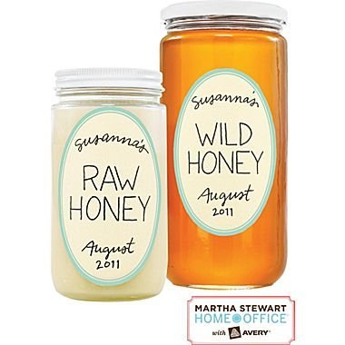
 | Avery Inventory List
Location ID | Inventory ID | UPC | Description | Amount per Case | Original Case | REVISED On Hand | Final Count | SRP | Ext SRP
5 | 14021 | 67933140210 | Colour Coding Labels | 12 | 79 | 79 | 948 | $8.99 | $8,522.52
3 | 18871 | 67933188717 | Business Card (10pk) | 5 | 144 | 144 | 720 | $29.99 | $21,592.80
9 | 84261 | 67933842619 | Marks-A-Lot Permanent Markers (4pk) | 6 | 60 | 53 | 318 | $4.82 | $1,532.76
6 | 16480 | 7278104805 | Martha Stewart NoteTabs | 144 | 3 | 3 | 432 | $6.99 | $3,019.68
7 | 22547 | 67933225474 | Sticky Notes 2x2 Cube | 138 | 1 | 1 | 138 | $4.99 | $688.62
11 | PROMO |  | CONCORD PLACE CUBE | 45 | 15 | 13 | 585 | $1.00 | $585.00
10 | 5931 | 67933059314 | Removable White CD Labels | 10 | 13 | 12 | 120 | $29.99 | $3,598.80
5 | 2204 | 67933022042 | Multi Use Label | 12 | 8 | 10 | 120 | $4.99 | $598.80
7 | 22586 | 67933225863 | StickyNote 3x3 | 36 | 2 | 1 | 36 | $14.99 | $539.64
7 | 16484 | 72782164843 | Martha Stewart NoteTab 1x1 | 144 | 15 | 15 | 2160 | $4.99 | $10,778.40
6 | 16287 | 67933162878 | NoteTab 2x1.5 | 144 | 6 | 2 | 288 | $7.99 | $2,301.12
1 | 34120 | 67933341204 | 3"Binder | 6 | 18 | 18 | 108 | $10.35 | $1,117.80
3 / 4 / 7 | 78601 | 77711786011 | Disk Organizer Page (10pk) | 12 | 96 | 118 | 1416 | $9.99 | $14,145.84
4 / 7 | 8684 | 67933086845 | CD Label clear | 5 | 49 | 167 | 835 | $24.99 | $20,866.65
5 | 72440 | 72782724405 | Paper Label | 36 | 2 | 24 | 864 | $4.99 | $4,311.36
5 | 72438 | 72782724382 | Martha Stewart Textured Label Oval | 36 | 1 | 21 | 756 | $4.99 | $3,772.44
1 / 7 | 44003 | 67933440037 | Avery Recycled Chipboard Binder 1" | 12 | 36 | 48 | 576 | $5.99 | $3,450.24
2 / 6 | 18590 | 77711185906 | Martha Stewart Smooth Finish Binder 1" | 6 | 107 | 204 | 1224 | $9.99 | $12,227.76
5 | 72443 | 72782724436 | Martha Stewart Textured Label Oval | 36 | 24 | 36 | 1296 | $4.99 | $6,467.04
10 | 8665 | 67933086655 | Full Sheet Labels Clear (25pk) | 5 | 12 | 10 | 50 | $27.99 | $1,399.50
10 | 9170 | 67933091703 | White Multi Purpose Label Roll | 6 | 40 | 40 | 240 | $12.99 | $3,117.60
10 | 8696 | 67933086969 | CD Label Insert and Combo Sheet (15) | 5 | 16 | 16 | 80 | $21.99 | $1,759.20
5 | 8662 | 6793308662 | Easy-Peel Clear 4x3 | 5 | 3 | 3 | 15 | $27.99 | $419.85
2 | 5663 | 67933056634 | Easy Peel Mailing Label 4x2 | 5 | 10 | 10 | 50 | $3.99 | $199.50
2 / 7 | 5665 | 67933056658 | Clear Full Sheet Label | 5 | 31 | 22 | 110 | $70.49 | $7,753.90
2 | 5662 | 67933056627 | Easy Peel Mailing Label 4x1 1/3 Clear | 5 | 13 | 13 | 65 | $70.49 | $4,581.85
2 | 5277 | 72782052775 | Transparencies 8.5x11 | 10 | 6 | 6 | 60 | $16.49 | $989.40
2 | 8667 | 67933086679 | Easy Peel Mailing Label Clear | 5 | 4 | 4 | 20 | $30.40 | $608.00
8 | 9801 | 67933098016 | Durable Storage 4" Binder | 6 | 24 | 25 | 150 | $22.99 | $3,448.50
6 | 16142 | 67933161420 | Write-On Tabs (48ct) | 24 | 3 | 4 | 96 | $4.08 | $391.68
10 | 12040 | 67933120403 | Removable Label Pads 1x3 | 36 | 3 | 38 | 1368 | $4.99 | $6,826.32
6 / 7 | 74652 | 77711746527 | Pin-Style Name Badge (24pk) | 12 | 13 | 27 | 324 | $6.99 | $2,264.76
5 | 14021 | 67933140210 | Colour Coding Labels | 36 | 1 | 5 | 180 | $8.99 | $1,618.20
7 | 4384 | 67933043849 | Iron-On Transfer 4x6 | 6 | 1 | 1 | 6 | $31.25 | $187.50
7 | 78873 | 71709788735 | Hi-Liter Smearsafe 4pk | 12 | 10 | 10 | 120 | $17.59 | $2,110.80
7 | 30400 | 67933304001 | Copier Labels (100 sheets) | 8 | 5 | 1 | 8 | $19.99 | $159.92
7 | 34120 | 67933341204 | 3"Binder | 6 | 4 | 3 | 18 | $10.35 | $186.30
5 | 3259 | 67933032591 | Note Cards Ivory Embossed | 4 | 1 | 1 | 4 | $18.99 | $75.96
7 | 27323 | 67933273239 | Navy Binder 3" | 3 | 1 | 1 | 3 | $10.99 | $32.97
7 | 27726 | 77711277267 | Clear Cover Mini Binder 1/2" | 12 | 4 | 4 | 48 | $9.99 | $479.52
10 | 17416 | 67933174161 | Comfort Touch 1"Binder | 12 | 24 | 24 | 288 | $33.75 | $9,720.00
3 / 6 | 9173 | 67933091703 | White Mulit-Purpose Label Roll | 6 | 93 | 98 | 588 | $13.59 | $7,990.92
2 | 16401 | 67933164010 | 3x3.5"NoteTab Asstd | 24 | 0 | 78 | 1872 | $4.99 | $9,341.28
7 | 22690 | 67933226900 | StickyNote 3x3 | 34 | 0 | 34 | 1156 | $14.99 | $17,328.44
9 | 83567 | 67933835670 | Hi-Liter Smearsafe Yellow | 1 | 0 | 20 | 20 | $4.99 | $99.80
10 | 8663 | 67933086630 | Clear Printer Label (25 sheet) | 5 | 0 | 9 | 45 | $24.99 | $1,124.55

 |  |  |  |  |  |  | 19924 |  | $204,333.49

