Sheet1
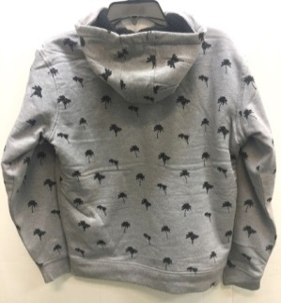
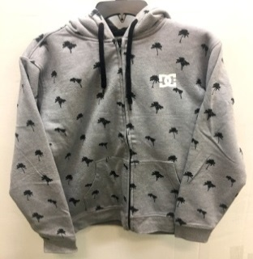
 | Prepacked 1 –S 2-M 2-L 1-XL per box
IMAGES | ITEM CODE | PACK | DESCRIPTION | TOTAL PCS | CARTONS | PCS/BOX
 | AOP0220 | PALM PRINT GREY | DC AOP FZ SHERPA | 2544 | 424 | CS:6
 | AOP0220 | PALM PRINT GREY | DC AOP FZ SHERPA | 3024 | 504 | CS:6
 |  |  |  | 5568 | 928

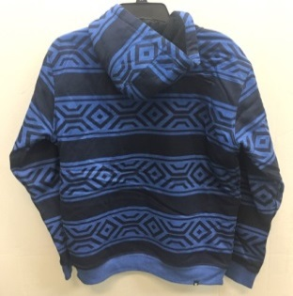
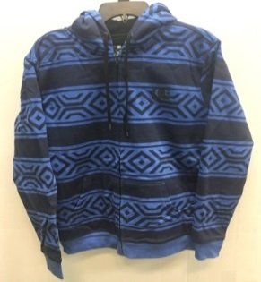
IMAGES | ITEM CODE | PACK | DESCRIPTION | TOTAL PCS | CARTONS | PCS/BOX
 | AOP0220 | TECH PRINT BLUE | DC AOP FZ SHERPA | 1788 | 298 | CS:6
 | AOP0220 | TECH PRINT BLUE | DC AOP FZ SHERPA | 3270 | 545 | CS:6
 |  |  |  | 5058 | 843

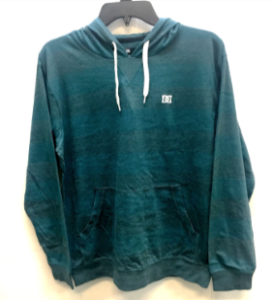
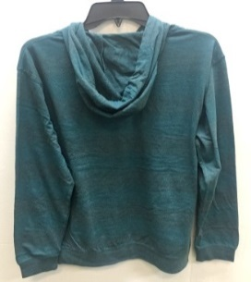
IMAGES | ITEM CODE | PACK | DESCRIPTION | TOTAL PCS | CARTONS | PCS/BOX
 | DIXON | DEEP BLUE HTHR | DC STRIPE HOOD KNIT | 1110 | 185 | CS:6
 | DIXON | DEEP BLUE HTHR | DC STRIPE HOOD KNIT | 1062 | 177 | CS:6
 | DIXON | DEEP BLUE HTHR | DC STRIPE HOOD KNIT | 120 | 20 | CS:6
 | DIXON | DEEP BLUE HTHR | DC STRIPE HOOD KNIT | 120 | 20 | CS:6
 |  |  |  | 2412 | 402

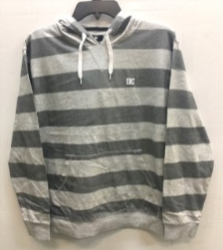
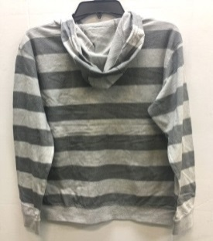
IMAGES | ITEM CODE | PACK | DESCRIPTION | TOTAL PCS | CARTONS | PCS/BOX
 | DIXON | HTHR GREY | DC STRIPE HOOD KNIT | 1026 | 171 | CS:6
 | DIXON | HTHR GREY | DC STRIPE HOOD KNIT | 1080 | 180 | CS:6
 | DIXON | HTHR GREY | DC STRIPE HOOD KNIT | 120 | 20 | CS:6
 | DIXON | HTHR GREY | DC STRIPE HOOD KNIT | 12 | 2 | CS:6
 |  |  |  | 2238 | 373

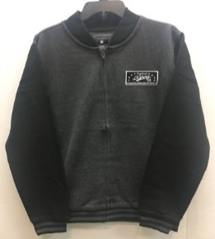
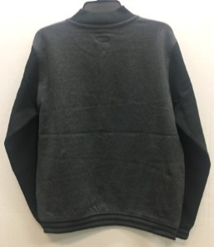
IMAGES | ITEM CODE | PACK | DESCRIPTION | TOTAL PCS | CARTONS | PCS/BOX
 | FAJ124 | GREY W.BLK | DC FREE AGENT JACKET | 1926 | 321 | CS:6
 | FAJ124 | GREY W.BLK | DC FREE AGENT JACKET | 1848 | 308 | CS:6
 |  |  |  | 3774 | 629

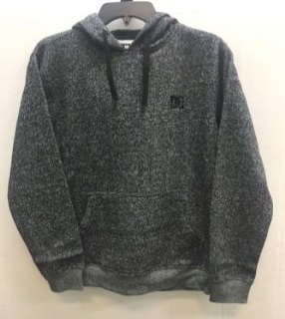
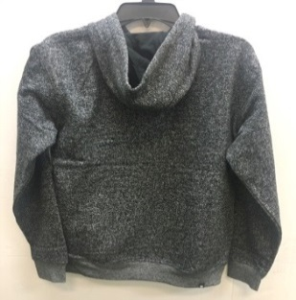
IMAGES | ITEM CODE | PACK | DESCRIPTION | TOTAL PCS | CARTONS | PCS/BOX
 | RPH1552 | BLACK | DC REBEL PO HOOD SIMPLISTIC | 1152 | 32 | CS:36
 | RPH1552 | BLACK | DC REBEL PO HOOD SIMPLISTIC | 23 | 1 | CS:23
 | RPH1552 | BLACK | DC REBEL PO HOOD SIMPLISTIC | 12 | 1 | CS:12
 | RPH1552 | BLACK | DC REBEL PO HOOD SIMPLISTIC | 2592 | 72 | CS:36
 |  |  |  | 3779 | 106

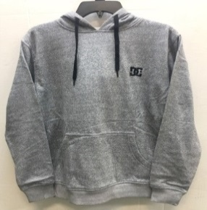
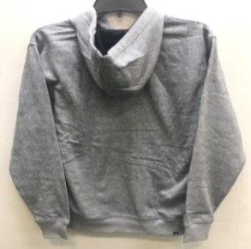
IMAGES | ITEM CODE | PACK | DESCRIPTION | TOTAL PCS | CARTONS | PCS/BOX
 | RPH1552 | HTHR GREY | DC REBEL PO HOOD SIMPLISTIC | 1548 | 43 | CS:36
 | RPH1552 | HTHR GREY | DC REBEL PO HOOD SIMPLISTIC | 35 | 1 | CS:35
 | RPH1552 | HTHR GREY | DC REBEL PO HOOD SIMPLISTIC | 12 | 1 | CS:12
 | RPH1552 | HTHR GREY | DC REBEL PO HOOD SIMPLISTIC | 2052 | 57 | CS:36
 | RPH1552 | HTHR GREY | DC REBEL PO HOOD SIMPLISTIC | 24 | 1 | CS:24
 |  |  |  | 3671 | 103

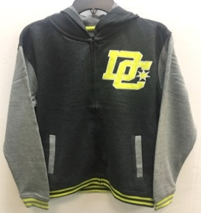
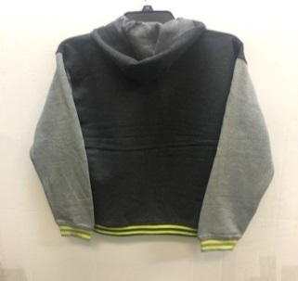
IMAGES | ITEM CODE | PACK | DESCRIPTION | TOTAL PCS | CARTONS | PCS/BOX
 | VFH7921 | BLACK W.GREY | DC FREE AGENT VARSITY HOOD | 1884 | 314 | CS:6
 | VFH7921 | BLACK W.GREY | DC FREE AGENT VARSITY HOOD | 2760 | 460 | CS:6
 |  |  |  | 4644 | 774

