Sheet1
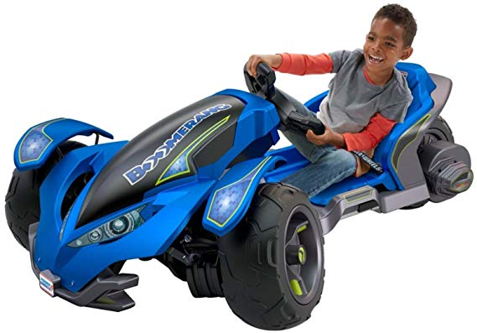
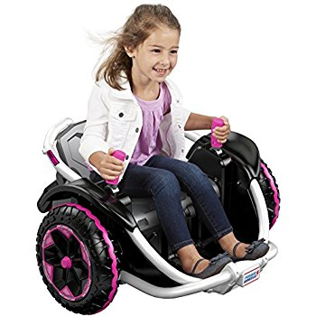

SKN | Description | Quantity | Cost | Ext. Cost
35063 | BB HYBRD ESCLDE 12V | 1 | $303.63 | $303.63
111632 | DP TRAILRIDER | 1 | $171.99 | $171.99
484107 | BB MUSTANG 12V | 1 | $237.35 | $237.35
490517 | PW LIL QUAD MINNIE MOUSE HAPPY HELPERS | 1 | $58.40 | $58.40
518837 | BB BRBA SPRT QUAD | 1 | $56.23 | $56.23
527036 | BOSS MUSTANG ORG 12V | 1 | $237.35 | $237.35
527322 | DP MUSTANG 12V | 1 | $242.05 | $242.05
870975 | BB KFX RIDEON 12V | 3 | $165.00 | $495.00
90079 | HURRICANE X-TREME | 2 | $328.50 | $657.00
95401 | TMNT DUNE RACR 12V | 2 | $205.00 | $410.00
95406 | DLX JEEP 12V | 4 | $208.00 | $832.00
186618 | HW HOT WHEELS JEEP 12V | 1 | $200.85 | $200.85
186626 | BB JAMMIN JEEP 12V | 1 | $200.85 | $200.85
212626 | DSNY FROZEN JEEP 12V | 8 | $206.00 | $1,648.00
221062 | PP LIL QUAD | 2 | $58.40 | $116.80
370102 | PORSCHE | 6 | $252.00 | $1,512.00
149492 | MINNIE LIL QUAD | 4 | $58.40 | $233.60
444785 | POWER WHEELS KAWASAKI LIL QUAD | 2 | $55.00 | $110.00
517013 | WILD THING ORANGE | 8 | $187.25 | $1,498.00
517018 | WILD THING PINK | 11 | $187.25 | $2,059.75
517026 | EX POWER WHEELS DESERT RACER | 2 | $172.50 | $345.00
517034 | EX POWER WHEELS DESERT RACER GIRLS | 3 | $172.50 | $517.50
722791 | EX SMART DRIVE MUSTANG 12 V PINK | 1 | $215.00 | $215.00
544277 | FROZEN SMART DRIVE MUSTANG | 3 | $237.35 | $712.05
544512 | WILD THING GREEN | 2 | $187.25 | $374.50
464754 | PW 12 VOLT BOOMERANG - BLUE | 10 | $299.99 | $2,999.90
465386 | PW 12 V BARBIE ESCALADE HOT PINK | 4 | $292.00 | $1,168.00
465441 | EX PW 12V JEEP HURRICANE - GREEN | 7 | $328.50 | $2,299.50
 |  | 93 |  | $19,912.30

