Manifest
Image | Brand | Description | QTY | Retail | Ext Retail
 | SK | Zip Hoodie Basketball Grey Small | 149 | $10.99 | $1,637.51
 | SK | Zip Hoodie Basketball Grey Youth Small | 81 | $10.99 | $890.19
 | SK | Zip Hoodie Riding Grey Small | 2 | $10.99 | $21.98
 | SK | Zip Hoodie Riding Grey Youth Small | 112 | $10.99 | $1,230.88
 | SK | Zip Hoodie Soccer Grey Youth Small | 37 | $10.99 | $406.63
 | SK | Zip Hoodie Swim Grey Youth Small | 92 | $10.99 | $1,011.08
 | SK | Zip Hoodie Volleyball Grey Youth Small | 84 | $10.99 | $923.16
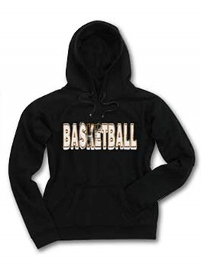 | SK | Pullover Hoodie Basketball Black Medium | 1 | $10.99 | $10.99
 | SK | Pullover Hoodie Basketball Black Small | 71 | $10.99 | $780.29
 | SK | Pullover Hoodie Basketball Black Youth Small | 99 | $10.99 | $1,088.01
 | SK | Pullover Hoodie Riding Black Small | 17 | $10.99 | $186.83
 | SK | Pullover Hoodie Riding Black Youth Large | 12 | $10.99 | $131.88
 | SK | Pullover Hoodie Riding Black Youth Medium | 26 | $10.99 | $285.74
 | SK | Pullover Hoodie Riding Black Youth Small | 129 | $10.99 | $1,417.71
 | SK | Pullover Hoodie Swim Black Youth Small | 78 | $10.99 | $857.22
 | SK | Pullover Hoodie Volleyball Black Youth Small | 80 | $10.99 | $879.20
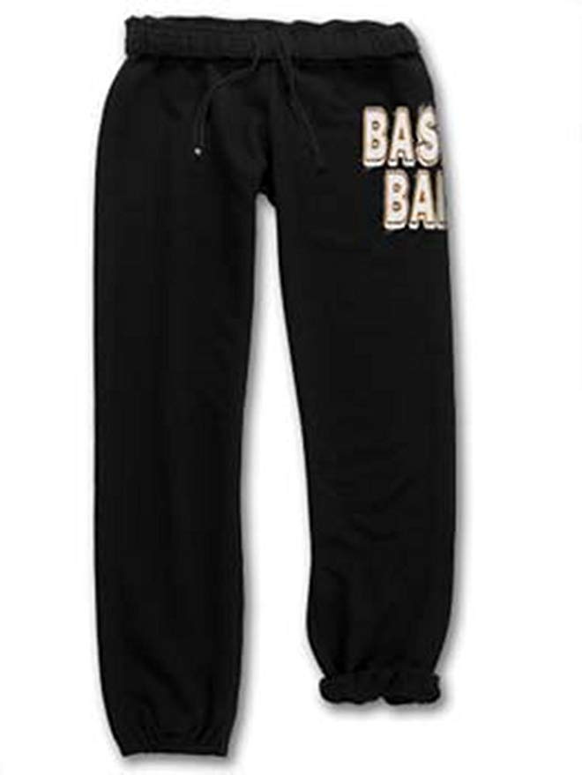 | SK | SweatPant Basketball Black Youth Small | 27 | $8.99 | $242.73
 | SK | SweatPant Riding Black Large | 11 | $8.99 | $98.89
 | SK | SweatPant Riding Black X-Large | 90 | $8.99 | $809.10
 | SK | SweatPant Riding Black Youth Small | 109 | $8.99 | $979.91
 | SK | SweatPant Soccer Black Large | 2 | $8.99 | $17.98
 | SK | SweatPant Soccer Black Small | 47 | $8.99 | $422.53
 | SK | SweatPant Soccer Black X-Large | 87 | $8.99 | $782.13
 | SK | SweatPant Soccer Black Youth Large | 57 | $8.99 | $512.43
 | SK | SweatPant Soccer Black Youth Small | 35 | $8.99 | $314.65
 | SK | SweatPant Swim Black Large | 2 | $8.99 | $17.98
 | SK | SweatPant Swim Black X-Large | 48 | $8.99 | $431.52
 | SK | SweatPant Swim Black Youth Small | 47 | $8.99 | $422.53
 | SK | SweatPant Volleyball Black Youth Small | 108 | $8.99 | $970.92
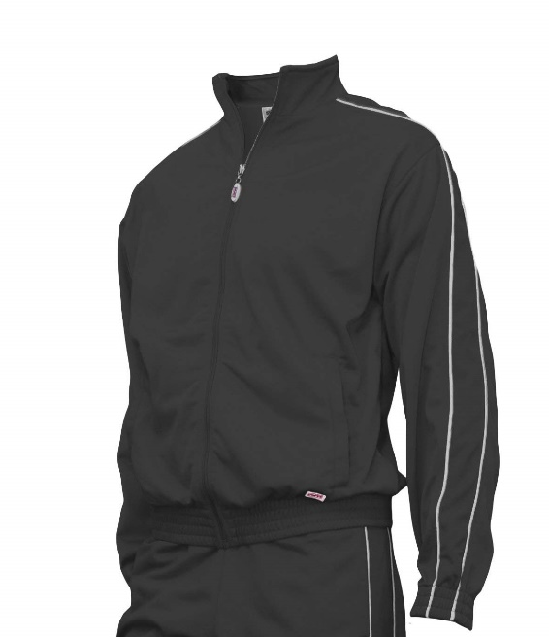 | Soffe | Soffe Warm Up Jacket Black Youth Medium | 1 | $10.99 | $10.99
 | Soffe | Soffe Warm Up Jacket Black Youth Small | 12 | $10.99 | $131.88
 | Soffe | Soffe Warm Up Jacket Black Youth X-Large | 9 | $10.99 | $98.91
 | Soffe | Soffe Warm Up Jacket Navy Large | 3 | $10.99 | $32.97
 | Soffe | Soffe Warm Up Jacket Navy Youth Medium | 10 | $10.99 | $109.90
 | Soffe | Soffe Warm Up Jacket Navy Youth Small | 4 | $10.99 | $43.96
 | Soffe | Soffe Warm Up Jacket Navy Youth X-Large | 10 | $10.99 | $109.90
 | Soffe | Soffe Warm Up Jacket Royal Large | 1 | $10.99 | $10.99
 | Soffe | Soffe Warm Up Jacket Royal Medium | 3 | $10.99 | $32.97
 | Soffe | Soffe Warm Up Jacket Royal X-Large | 2 | $10.99 | $21.98
 | Soffe | Soffe Warm Up Jacket Royal Youth Large | 6 | $10.99 | $65.94
 | Soffe | Soffe Warm Up Jacket Royal Youth Small | 4 | $10.99 | $43.96
 | Soffe | Soffe Warm Up Jacket Royal Youth X-Large | 11 | $10.99 | $120.89
 | Soffe | Soffe Warm Up Jacket Maroon Large | 1 | $10.99 | $10.99
 | Soffe | Soffe Warm Up Jacket Maroon Small | 3 | $10.99 | $32.97
 | Soffe | Soffe Warm Up Jacket Maroon X-Large | 2 | $10.99 | $21.98
 | Soffe | Soffe Warm Up Jacket Maroon Youth Large | 1 | $10.99 | $10.99
 | Soffe | Soffe Warm Up Jacket Maroon Youth Medium | 4 | $10.99 | $43.96
 | Soffe | Soffe Warm Up Jacket Maroon Youth Small | 2 | $10.99 | $21.98
 | Soffe | Soffe Warm Up Jacket Maroon Youth X-Large | 6 | $10.99 | $65.94
 | Soffe | Soffe Warm Up Jacket Red Medium | 1 | $10.99 | $10.99
 | Soffe | Soffe Warm Up Jacket Red Small | 10 | $10.99 | $109.90
 | Soffe | Soffe Warm Up Jacket Red X-Large | 1 | $10.99 | $10.99
 | Soffe | Soffe Warm Up Jacket Red Youth Large | 8 | $10.99 | $87.92
 | Soffe | Soffe Warm Up Jacket Red Youth Medium | 5 | $10.99 | $54.95
 | Soffe | Soffe Warm Up Jacket Red Youth Small | 6 | $10.99 | $65.94
 | Soffe | Soffe Warm Up Jacket Red Youth X-Large | 12 | $10.99 | $131.88
 | Soffe | Soffe Warm Up Jacket Blk/Gold Large | 3 | $10.99 | $32.97
 | Soffe | Soffe Warm Up Jacket Blk/Gold Small | 3 | $10.99 | $32.97
 | Soffe | Soffe Warm Up Jacket Blk/Gold X-Large | 3 | $10.99 | $32.97
 | Soffe | Soffe Warm Up Jacket Blk/Gold Youth Large | 5 | $10.99 | $54.95
 | Soffe | Soffe Warm Up Jacket Blk/Gold Youth Medium | 5 | $10.99 | $54.95
 | Soffe | Soffe Warm Up Jacket Blk/Gold Youth Small | 3 | $10.99 | $32.97
 | Soffe | Soffe Warm Up Jacket Blk/Gold Youth X-Large | 5 | $10.99 | $54.95
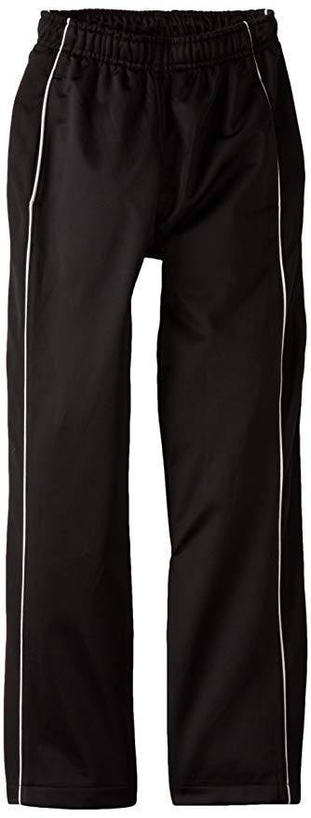 | Soffe | Soffe Warm Up Pants Black Large | 1 | $23.99 | $23.99
 | Soffe | Soffe Warm Up Pants Black X-Large | 2 | $23.99 | $47.98
 | Soffe | Soffe Warm Up Pants Black Youth Small | 9 | $23.99 | $215.91
 | Soffe | Soffe Warm Up Pants Navy Large | 3 | $23.99 | $71.97
 | Soffe | Soffe Warm Up Pants Navy Medium | 6 | $23.99 | $143.94
 | Soffe | Soffe Warm Up Pants Navy X-Large | 3 | $23.99 | $71.97
 | Soffe | Soffe Warm Up Pants Navy Youth Medium | 7 | $23.99 | $167.93
 | Soffe | Soffe Warm Up Pants Navy Youth Small | 3 | $23.99 | $71.97
 | Soffe | Soffe Warm Up Pants Navy Youth X-Large | 10 | $23.99 | $239.90
 | Soffe | Soffe Warm Up Pants Royal Large | 3 | $23.99 | $71.97
 | Soffe | Soffe Warm Up Pants Royal Small | 2 | $23.99 | $47.98
 | Soffe | Soffe Warm Up Pants Royal X-Large | 1 | $23.99 | $23.99
 | Soffe | Soffe Warm Up Pants Royal Youth X-Large | 9 | $23.99 | $215.91
 | Soffe | Soffe Warm Up Pants Maroon Large | 7 | $23.99 | $167.93
 | Soffe | Soffe Warm Up Pants Maroon Medium | 7 | $23.99 | $167.93
 | Soffe | Soffe Warm Up Pants Maroon Small | 5 | $23.99 | $119.95
 | Soffe | Soffe Warm Up Pants Maroon X-Large | 3 | $23.99 | $71.97
 | Soffe | Soffe Warm Up Pants Maroon Youth Medium | 3 | $23.99 | $71.97
 | Soffe | Soffe Warm Up Pants Maroon Youth Small | 2 | $23.99 | $47.98
 | Soffe | Soffe Warm Up Pants Maroon Youth X-Large | 5 | $23.99 | $119.95
 | Soffe | Soffe Warm Up Pants Red Large | 5 | $23.99 | $119.95
 | Soffe | Soffe Warm Up Pants Red Medium | 5 | $23.99 | $119.95
 | Soffe | Soffe Warm Up Pants Red Small | 11 | $23.99 | $263.89
 | Soffe | Soffe Warm Up Pants Red X-Large | 3 | $23.99 | $71.97
 | Soffe | Soffe Warm Up Pants Red Youth Large | 7 | $23.99 | $167.93
 | Soffe | Soffe Warm Up Pants Red Youth Medium | 4 | $23.99 | $95.96
 | Soffe | Soffe Warm Up Pants Red Youth Small | 5 | $23.99 | $119.95
 | Soffe | Soffe Warm Up Pants Red Youth X-Large | 11 | $23.99 | $263.89
 | Soffe | Soffe Warm Up Pants Blk/Gold Large | 1 | $23.99 | $23.99
 | Soffe | Soffe Warm Up Pants Blk/Gold Small | 3 | $23.99 | $71.97
 | Soffe | Soffe Warm Up Pants Blk/Gold X-Large | 2 | $23.99 | $47.98
 | Soffe | Soffe Warm Up Pants Blk/Gold Youth Large | 3 | $23.99 | $71.97
 | Soffe | Soffe Warm Up Pants Blk/Gold Youth Medium | 3 | $23.99 | $71.97
 | Soffe | Soffe Warm Up Pants Blk/Gold Youth Small | 4 | $23.99 | $95.96
 | Soffe | Soffe Warm Up Pants Blk/Gold Youth X-Large | 5 | $23.99 | $119.95
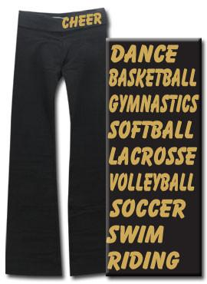 | Soffe | Soffe Junior Spandex Roll Top Pants Black Large (1 DA gold glitter) | 3 | $10.99 | $32.97
 | Soffe | Soffe Junior Spandex Roll Top Pants Black Small | 3 | $10.99 | $32.97
 | Soffe | Soffe Junior Spandex Roll Top Pants Black X-Small | 5 | $10.99 | $54.95
 | Soffe | Soffe Junior Spandex Roll Top Pants Oxford Large | 9 | $10.99 | $98.91
 | Soffe | Soffe Junior Spandex Roll Top Pants Oxford Medium | 4 | $10.99 | $43.96
 | Soffe | Soffe Junior Spandex Roll Top Pants Oxford Small | 13 | $10.99 | $142.87
 | Soffe | Soffe Junior Spandex Roll Top Pants Oxford X-Large | 4 | $10.99 | $43.96
 | Soffe | Soffe Junior Spandex Roll Top Pants Oxford X-Small | 14 | $10.99 | $153.86
 | Soffe | Soffe Junior Spandex Roll Top Pants Mediteranean Blue Large | 10 | $10.99 | $109.90
 | Soffe | Soffe Junior Spandex Roll Top Pants Mediteranean Blue Medium | 8 | $10.99 | $87.92
 | Soffe | Soffe Junior Spandex Roll Top Pants Mediteranean Blue Small | 19 | $10.99 | $208.81
 | Soffe | Soffe Junior Spandex Roll Top Pants Mediteranean Blue X-Large | 4 | $10.99 | $43.96
 | Soffe | Soffe Junior Spandex Roll Top Pants Mediteranean Blue X-Small | 15 | $10.99 | $164.85
 | Soffe | Soffe Junior Spandex Roll Top Pants Soft Pink Large | 12 | $10.99 | $131.88
 | Soffe | Soffe Junior Spandex Roll Top Pants Soft Pink Medium | 10 | $10.99 | $109.90
 | Soffe | Soffe Junior Spandex Roll Top Pants Soft Pink Small | 17 | $10.99 | $186.83
 | Soffe | Soffe Junior Spandex Roll Top Pants Soft Pink X-Large | 6 | $10.99 | $65.94
 | Soffe | Soffe Junior Spandex Roll Top Pants Soft Pink X-Small | 18 | $10.99 | $197.82
 | Soffe | Authentic Soffe Short Black Large | 14 | $7.99 | $111.86
 | Soffe | Authentic Soffe Short Black Medium | 52 | $7.99 | $415.48
 | Soffe | Authentic Soffe Short Black Small | 85 | $7.99 | $679.15
 | Soffe | Authentic Soffe Short Black X-Large | 2 | $7.99 | $15.98
 | Soffe | Authentic Soffe Short Black Youth Large | 41 | $7.99 | $327.59
 | Soffe | Authentic Soffe Short Black Youth Medium | 42 | $7.99 | $335.58
 | Soffe | Authentic Soffe Short Black Youth Small | 7 | $7.99 | $55.93
 | Soffe | Authentic Soffe Short Black Youth X-Large | 19 | $7.99 | $151.81
 | Soffe | Authentic Soffe Short Black Youth X-Small | 3 | $7.99 | $23.97
 | Soffe | Authentic Soffe Short Oxford X-Small | 4 | $7.99 | $31.96
 | Soffe | Authentic Soffe Short Dark Green Adult Large | 1 | $7.99 | $7.99
 | Soffe | Authentic Soffe Short Dark Green Adult Medium | 2 | $7.99 | $15.98
 | Soffe | Authentic Soffe Short Dark Green Adult Small | 1 | $7.99 | $7.99
 | Soffe | Authentic Soffe Short Dark Green Youth Large | 1 | $7.99 | $7.99
 | Soffe | Authentic Soffe Short Dark Green Youth Medium | 2 | $7.99 | $15.98
 | Soffe | Authentic Soffe Short Dark Green Youth X-Large | 2 | $7.99 | $15.98
 | Soffe | Authentic Soffe Short Navy X-Large | 1 | $7.99 | $7.99
 | Soffe | Authentic Soffe Short Navy Youth Large | 5 | $7.99 | $39.95
 | Soffe | Authentic Soffe Short Navy Youth Medium | 8 | $7.99 | $63.92
 | Soffe | Authentic Soffe Short Navy Youth Small | 4 | $7.99 | $31.96
 | Soffe | Authentic Soffe Short Navy Youth X-Small | 6 | $7.99 | $47.94
 | Soffe | Authentic Soffe Short Royal Large | 9 | $7.99 | $71.91
 | Soffe | Authentic Soffe Short Royal Medium | 7 | $7.99 | $55.93
 | Soffe | Authentic Soffe Short Royal X-Large | 3 | $7.99 | $23.97
 | Soffe | Authentic Soffe Short Royal Youth Large | 20 | $7.99 | $159.80
 | Soffe | Authentic Soffe Short Royal Youth Medium | 23 | $7.99 | $183.77
 | Soffe | Authentic Soffe Short Royal Youth Small | 10 | $7.99 | $79.90
 | Soffe | Authentic Soffe Short Royal Youth X-Small | 5 | $7.99 | $39.95
 | Soffe | Authentic Soffe Short Light Turquoise Large | 3 | $7.99 | $23.97
 | Soffe | Authentic Soffe Short Light Turquoise X-Small | 20 | $7.99 | $159.80
 | Soffe | Authentic Soffe Short Light Turquoise Youth Large | 52 | $7.99 | $415.48
 | Soffe | Authentic Soffe Short Light Turquoise Youth Medium | 18 | $7.99 | $143.82
 | Soffe | Authentic Soffe Short Light Turquoise Youth Small | 17 | $7.99 | $135.83
 | Soffe | Authentic Soffe Short Columbia Blue Large | 3 | $7.99 | $23.97
 | Soffe | Authentic Soffe Short Columbia Blue Medium | 3 | $7.99 | $23.97
 | Soffe | Authentic Soffe Short Columbia Blue Small | 2 | $7.99 | $15.98
 | Soffe | Authentic Soffe Short Columbia Blue X-Large | 3 | $7.99 | $23.97
 | Soffe | Authentic Soffe Short Columbia Blue Youth Large | 6 | $7.99 | $47.94
 | Soffe | Authentic Soffe Short Columbia Blue Youth Medium | 5 | $7.99 | $39.95
 | Soffe | Authentic Soffe Short Columbia Blue Youth Small | 3 | $7.99 | $23.97
 | Soffe | Authentic Soffe Short Columbia Blue Youth X-Small | 2 | $7.99 | $15.98
 | Soffe | Authentic Soffe Short Mediteranean Blue Large | 36 | $7.99 | $287.64
 | Soffe | Authentic Soffe Short Mediteranean Blue Medium | 32 | $7.99 | $255.68
 | Soffe | Authentic Soffe Short Mediteranean Blue Small | 34 | $7.99 | $271.66
 | Soffe | Authentic Soffe Short Mediteranean Blue X-Large | 10 | $7.99 | $79.90
 | Soffe | Authentic Soffe Short Mediteranean Blue X-Small | 50 | $7.99 | $399.50
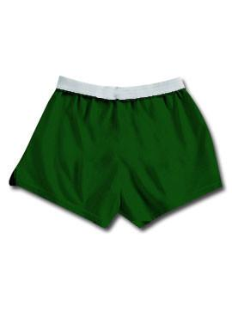
 | Soffe | Authentic Soffe Short Mediteranean Blue Youth Large | 80 | $7.99 | $639.20
 | Soffe | Authentic Soffe Short Mediteranean Blue Youth Medium | 60 | $7.99 | $479.40
 | Soffe | Authentic Soffe Short Mediteranean Blue Youth Small | 11 | $7.99 | $87.89
 | Soffe | Authentic Soffe Short Purple Large | 4 | $7.99 | $31.96
 | Soffe | Authentic Soffe Short Purple Medium | 4 | $7.99 | $31.96
 | Soffe | Authentic Soffe Short Purple Small | 5 | $7.99 | $39.95
 | Soffe | Authentic Soffe Short Purple Youth Large | 11 | $7.99 | $87.89
 | Soffe | Authentic Soffe Short Purple Youth Medium | 29 | $7.99 | $231.71
 | Soffe | Authentic Soffe Short Purple Youth Small | 6 | $7.99 | $47.94
 | Soffe | Authentic Soffe Short Maroon Large | 22 | $7.99 | $175.78
 | Soffe | Authentic Soffe Short Maroon Medium | 10 | $7.99 | $79.90
 | Soffe | Authentic Soffe Short Maroon X-Large | 8 | $7.99 | $63.92
 | Soffe | Authentic Soffe Short Maroon Youth Large | 6 | $7.99 | $47.94
 | Soffe | Authentic Soffe Short Maroon Youth Medium | 24 | $7.99 | $191.76
 | Soffe | Authentic Soffe Short Maroon Youth Small | 7 | $7.99 | $55.93
 | Soffe | Authentic Soffe Short Red Large | 27 | $7.99 | $215.73
 | Soffe | Authentic Soffe Short Red Medium | 20 | $7.99 | $159.80
 | Soffe | Authentic Soffe Short Red X-Large | 14 | $7.99 | $111.86
 | Soffe | Authentic Soffe Short Red Youth Large | 20 | $7.99 | $159.80
 | Soffe | Authentic Soffe Short Red Youth Medium | 4 | $7.99 | $31.96
 | Soffe | Authentic Soffe Short Red Youth Small | 15 | $7.99 | $119.85
 | Soffe | Authentic Soffe Short Red Youth X-Small | 3 | $7.99 | $23.97
 | Soffe | Authentic Soffe Short Fushia Large | 2 | $7.99 | $15.98
 | Soffe | Authentic Soffe Short Fushia Medium | 3 | $7.99 | $23.97
 | Soffe | Authentic Soffe Short Fushia Small | 1 | $7.99 | $7.99
 | Soffe | Authentic Soffe Short Fushia X-Large | 2 | $7.99 | $15.98
 | Soffe | Authentic Soffe Short Fushia Youth Large | 3 | $7.99 | $23.97
 | Soffe | Authentic Soffe Short Fushia Youth Medium | 1 | $7.99 | $7.99
 | Soffe | Authentic Soffe Short Fushia Youth Small | 2 | $7.99 | $15.98
 | Soffe | Authentic Soffe Short Bubble Pink Adult Large | 1 | $7.99 | $7.99
 | Soffe | Authentic Soffe Short Bubble Pink Adult Medium | 4 | $7.99 | $31.96
 | Soffe | Authentic Soffe Short Bubble Pink Adult Small | 4 | $7.99 | $31.96
 | Soffe | Authentic Soffe Short Bubble Pink Adult X-Large | 1 | $7.99 | $7.99
 | Soffe | Authentic Soffe Short Bubble Pink Youth Large | 4 | $7.99 | $31.96
 | Soffe | Authentic Soffe Short Bubble Pink Youth Medium | 2 | $7.99 | $15.98
 | Soffe | Authentic Soffe Short Bubble Pink Youth Small | 1 | $7.99 | $7.99
 | Soffe | Authentic Soffe Short Soft Pink Large | 2 | $7.99 | $15.98
 | Soffe | Authentic Soffe Short Soft Pink Medium | 3 | $7.99 | $23.97
 | Soffe | Authentic Soffe Short Soft Pink Small | 2 | $7.99 | $15.98
 | Soffe | Authentic Soffe Short Soft Pink Youth Small | 2 | $7.99 | $15.98
 | Soffe | Authentic Soffe Short Pink Telephone Large | 24 | $7.99 | $191.76
 | Soffe | Authentic Soffe Short Pink Telephone Medium | 21 | $7.99 | $167.79
 | Soffe | Authentic Soffe Short Pink Telephone Small | 33 | $7.99 | $263.67
 | Soffe | Authentic Soffe Short Pink Telephone X-Large | 11 | $7.99 | $87.89
 | Soffe | Authentic Soffe Short Pink Telephone X-Small | 58 | $7.99 | $463.42
 | Soffe | Authentic Soffe Short Gold Large | 14 | $7.99 | $111.86
 | Soffe | Authentic Soffe Short Gold Medium | 6 | $7.99 | $47.94
 | Soffe | Authentic Soffe Short Gold Small | 5 | $7.99 | $39.95
 | Soffe | Authentic Soffe Short Gold X-Large | 7 | $7.99 | $55.93
 | Soffe | Authentic Soffe Short Gold Youth Large | 10 | $7.99 | $79.90
 | Soffe | Authentic Soffe Short Gold Youth Medium | 9 | $7.99 | $71.91
 | Soffe | Authentic Soffe Short Gold Youth Small | 3 | $7.99 | $23.97
 | Soffe | Authentic Soffe Short Texas Orange Large | 15 | $7.99 | $119.85
 | Soffe | Authentic Soffe Short Texas Orange Medium | 17 | $7.99 | $135.83
 | Soffe | Authentic Soffe Short Texas Orange Small | 19 | $7.99 | $151.81
 | Soffe | Authentic Soffe Short Texas Orange X-Large | 3 | $7.99 | $23.97
 | Soffe | Authentic Soffe Short Texas Orange X-Small | 27 | $7.99 | $215.73
 | Soffe | Authentic Soffe Short Texas Orange Youth Large | 18 | $7.99 | $143.82
 | Soffe | Authentic Soffe Short Texas Orange Youth Medium | 18 | $7.99 | $143.82
 | Soffe | Authentic Soffe Short Texas Orange Youth Small | 10 | $7.99 | $79.90
 | Soffe | Authentic Soffe Short Texas Orange Youth X-Small | 6 | $7.99 | $47.94
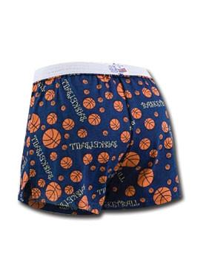 | Soffe | Soffe Novelty Short Basketball Print Medium | 2 | $7.99 | $15.98
 | Soffe | Soffe Novelty Short Basketball Print X-Small | 2 | $7.99 | $15.98
 | Soffe | Soffe Novelty Short Cheer Megaphone Print Large | 2 | $7.99 | $15.98
 | Soffe | Soffe Novelty Short Cheer Megaphone Print Medium | 6 | $7.99 | $47.94
 | Soffe | Soffe Novelty Short Cheer Megaphone Print Small | 4 | $7.99 | $31.96
 | Soffe | Soffe Novelty Short Cheer Megaphone Print X-Large | 1 | $7.99 | $7.99
 | Soffe | Soffe Novelty Short Cheer Megaphone Print X-Small | 22 | $7.99 | $175.78
 | Soffe | Soffe Novelty Short Cheer Megaphone Print Youth Large | 17 | $7.99 | $135.83
 | Soffe | Soffe Novelty Short Cheer Megaphone Print Youth Medium | 11 | $7.99 | $87.89
 | Soffe | Soffe Novelty Short Dance Ballet Print Large | 6 | $7.99 | $47.94
 | Soffe | Soffe Novelty Short Dance Ballet Print Small | 4 | $7.99 | $31.96
 | Soffe | Soffe Novelty Short Dance Ballet Print X-Small | 17 | $7.99 | $135.83
 | Soffe | Soffe Novelty Short Dance Ballet Print Youth Large | 10 | $7.99 | $79.90
 | Soffe | Soffe Novelty Short Dance Ballet Print Youth Medium | 15 | $7.99 | $119.85
 | Soffe | Soffe Novelty Short Dance Ballet Print Youth Small | 17 | $7.99 | $135.83
 | Soffe | Soffe Novelty Zebra Print Medium | 15 | $7.99 | $119.85
 | Soffe | Soffe Novelty Zebra Print Small | 6 | $7.99 | $47.94
 | Soffe | Soffe Novelty Zebra Print Youth Large | 6 | $7.99 | $47.94
 | Soffe | Soffe Novelty Zebra Print Youth Medium | 4 | $7.99 | $31.96
 | Soffe | Soffe Novelty Short Star Print Large | 7 | $7.99 | $55.93
 | Soffe | Soffe Novelty Short Star Print Medium | 15 | $7.99 | $119.85
 | Soffe | Soffe Novelty Short Star Print Small | 17 | $7.99 | $135.83
 | Soffe | Soffe Novelty Short Star Print X-Small | 33 | $7.99 | $263.67
 | Soffe | Soffe Novelty Short Star Print Youth Large | 34 | $7.99 | $271.66
 | Soffe | Soffe Novelty Short Star Print Youth Small | 5 | $7.99 | $39.95
 | Soffe | Soffe Novelty Short Hearts Print Large | 22 | $7.99 | $175.78
 | Soffe | Soffe Novelty Short Hearts Print Medium | 45 | $7.99 | $359.55
 | Soffe | Soffe Novelty Short Hearts Print Small | 110 | $7.99 | $878.90
 | Soffe | Soffe Novelty Short Hearts Print X-Large | 7 | $7.99 | $55.93
 | Soffe | Soffe Novelty Short Hearts Print X-Small | 70 | $7.99 | $559.30
 | Soffe | Soffe Novelty Short Hearts Print Youth Large | 95 | $7.99 | $759.05
 | Soffe | Soffe Novelty Short Hearts Print Youth Medium | 5 | $7.99 | $39.95
 | Soffe | Soffe Novelty Short Hearts Print Youth Small | 30 | $7.99 | $239.70
 | Soffe | Soffe Novelty Short Butterflies Print Large | 19 | $7.99 | $151.81
 | Soffe | Soffe Novelty Short Butterflies Print Medium | 45 | $7.99 | $359.55
 | Soffe | Soffe Novelty Short Butterflies Print Small | 69 | $7.99 | $551.31
 | Soffe | Soffe Novelty Short Butterflies Print X-Large | 10 | $7.99 | $79.90
 | Soffe | Soffe Novelty Short Butterflies Print X-Small | 71 | $7.99 | $567.29
 | Soffe | Soffe Novelty Short Butterflies Print Youth Large | 96 | $7.99 | $767.04
 | Soffe | Soffe Novelty Short Butterflies Print Youth Medium | 88 | $7.99 | $703.12
 | Soffe | Soffe Novelty Short Butterflies Print Youth Small | 70 | $7.99 | $559.30
 | Soffe | Soffe Novelty Short Soccer Print X-Small | 34 | $7.99 | $271.66
 | Soffe | Soffe Novelty Short Volleyball Print Medium | 3 | $7.99 | $23.97
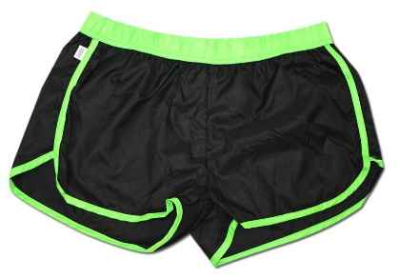 | Soffe | Soffe Pop Slick Neon Green Large | 8 | $7.99 | $63.92
 | Soffe | Soffe Pop Slick Neon Green Medium | 20 | $7.99 | $159.80
 | Soffe | Soffe Pop Slick Neon Green Small | 10 | $7.99 | $79.90
 | Soffe | Soffe Pop Slick Neon Green X-Large | 1 | $7.99 | $7.99
 | Soffe | Soffe Pop Slick Neon Green Youth Large | 21 | $7.99 | $167.79
 | Soffe | Soffe Pop Slick Neon Green Youth Medium | 24 | $7.99 | $191.76
 | Soffe | Soffe Pop Slick Neon Green Youth Small | 8 | $7.99 | $63.92
 | Soffe | Soffe Pop Slick Neon Blue Large | 18 | $7.99 | $143.82
 | Soffe | Soffe Pop Slick Neon Blue Medium | 16 | $7.99 | $127.84
 | Soffe | Soffe Pop Slick Neon Blue Youth Large | 12 | $7.99 | $95.88
 | Soffe | Soffe Pop Slick Neon Blue Youth Medium | 22 | $7.99 | $175.78
 | Soffe | Soffe Pop Slick Neon Blue Youth Small | 10 | $7.99 | $79.90
 | Soffe | Soffe Pop Slick Neon Pink Large | 7 | $7.99 | $55.93
 | Soffe | Soffe Pop Slick Neon Pink Medium | 14 | $7.99 | $111.86
 | Soffe | Soffe Pop Slick Neon Pink Small | 8 | $7.99 | $63.92
 | Soffe | Soffe Pop Slick Neon Pink Youth Large | 17 | $7.99 | $135.83
 | Soffe | Soffe Pop Slick Neon Pink Youth Medium | 19 | $7.99 | $151.81
 | Soffe | Soffe Pop Slick Neon Pink Youth Small | 19 | $7.99 | $151.81
 | Soffe | Soffe Pop Slick Neon Yellow Large | 10 | $7.99 | $79.90
 | Soffe | Soffe Pop Slick Neon Yellow Medium | 23 | $7.99 | $183.77
 | Soffe | Soffe Pop Slick Neon Yellow Small | 21 | $7.99 | $167.79
 | Soffe | Soffe Pop Slick Neon Yellow X-Large | 1 | $7.99 | $7.99
 | Soffe | Soffe Pop Slick Neon Yellow Youth Large | 23 | $7.99 | $183.77
 | Soffe | Soffe Pop Slick Neon Yellow Youth Medium | 23 | $7.99 | $183.77
 | Soffe | Soffe Pop Slick Neon Yellow Youth Small | 12 | $7.99 | $95.88
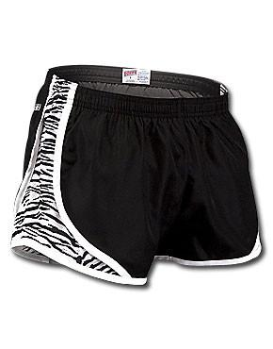 | Soffe | Soffe Team Shorty Short Zebra Black Large | 25 | $7.99 | $199.75
 | Soffe | Soffe Team Shorty Short Zebra Black Medium | 36 | $7.99 | $287.64
 | Soffe | Soffe Team Shorty Short Zebra Black Small | 19 | $7.99 | $151.81
 | Soffe | Soffe Team Shorty Short Zebra Black X-Large | 10 | $7.99 | $79.90
 | Soffe | Soffe Team Shorty Short Zebra Black Youth Large | 22 | $7.99 | $175.78
 | Soffe | Soffe Team Shorty Short Zebra Black Youth Medium | 4 | $7.99 | $31.96
 | Soffe | Soffe Team Shorty Short Black/Red/White, ASM | 2 | $7.99 | $15.98
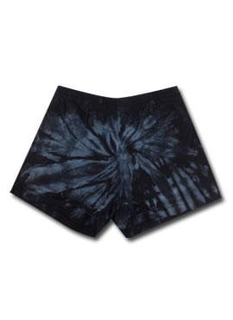 | Soffe | Spider Authentic Soffe Short Black Large | 3 | $7.99 | $23.97
 | Soffe | Spider Authentic Soffe Short Black Medium | 5 | $7.99 | $39.95
 | Soffe | Spider Authentic Soffe Short Black Small | 4 | $7.99 | $31.96
 | Soffe | Spider Authentic Soffe Short Black Youth Medium | 2 | $7.99 | $15.98
 | Soffe | Spider Authentic Soffe Short Kelly Green Large | 3 | $7.99 | $23.97
 | Soffe | Spider Authentic Soffe Short Kelly Green Medium | 5 | $7.99 | $39.95
 | Soffe | Spider Authentic Soffe Short Kelly Green Small | 5 | $7.99 | $39.95
 | Soffe | Spider Authentic Soffe Short Kelly Green Youth Large | 2 | $7.99 | $15.98
 | Soffe | Spider Authentic Soffe Short Kelly Green Youth Medium | 3 | $7.99 | $23.97
 | Soffe | Spider Authentic Soffe Short Royal Large | 2 | $7.99 | $15.98
 | Soffe | Spider Authentic Soffe Short Royal Medium | 1 | $7.99 | $7.99
 | Soffe | Spider Authentic Soffe Short Royal Small | 1 | $7.99 | $7.99
 | Soffe | Spider Authentic Soffe Short Royal Youth Large | 2 | $7.99 | $15.98
 | Soffe | Spider Authentic Soffe Short Royal Youth Medium | 2 | $7.99 | $15.98
 | Soffe | Spider Authentic Soffe Short Red Large | 2 | $7.99 | $15.98
 | Soffe | Spider Authentic Soffe Short Red Medium | 1 | $7.99 | $7.99
 | Soffe | Spider Authentic Soffe Short Red Small | 2 | $7.99 | $15.98
 | Soffe | Spider Authentic Soffe Short Red Youth Large | 2 | $7.99 | $15.98
 | Soffe | Spider Authentic Soffe Short Red Youth Medium | 2 | $7.99 | $15.98
 | Soffe | Spider Authentic Soffe Short Pink Large | 2 | $7.99 | $15.98
 | Soffe | Spider Authentic Soffe Short Pink Medium | 2 | $7.99 | $15.98
 | Soffe | Spider Authentic Soffe Short Pink Small | 2 | $7.99 | $15.98
 | Soffe | Spider Authentic Soffe Short Pink Youth Medium | 2 | $7.99 | $15.98
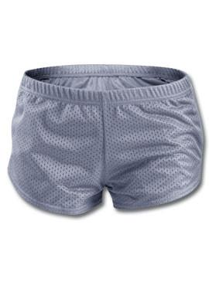 | Soffe | Soffe Volleyball Mesh Short Silver X-Large | 1 | $7.99 | $7.99
 | Soffe | Soffe Volleyball Mesh Short Silver Youth Large | 31 | $7.99 | $247.69
 | Soffe | Soffe Volleyball Mesh Short Silver Youth Medium | 10 | $7.99 | $79.90
 | Soffe | Soffe Volleyball Mesh Short Silver Youth X-Large | 1 | $7.99 | $7.99
 | Soffe | Soffe Volleyball Mesh Short White Youth X-Large | 4 | $7.99 | $31.96
 | Soffe | Soffe Volleyball Mesh Short Navy Large | 3 | $7.99 | $23.97
 | Soffe | Soffe Volleyball Mesh Short Navy Youth Large | 17 | $7.99 | $135.83
 | Soffe | Soffe Volleyball Mesh Short Navy Youth Medium | 8 | $7.99 | $63.92
 | Soffe | Soffe Volleyball Mesh Short Navy Youth X-Large | 1 | $7.99 | $7.99
 | Soffe | Soffe Volleyball Mesh Short Royal Youth Large | 27 | $7.99 | $215.73
 | Soffe | Soffe Volleyball Mesh Short Royal Youth Medium | 26 | $7.99 | $207.74
 | Soffe | Soffe Volleyball Mesh Short Royal Youth Small | 4 | $7.99 | $31.96
 | Soffe | Soffe Volleyball Mesh Short Red Youth Large | 4 | $7.99 | $31.96
 | Soffe | SoffeVolleyball Mesh Short Red Youth Medium | 1 | $7.99 | $7.99
 | Soffe | Soffe Volleyball Mesh Short Fuchsia Youth Large | 20 | $7.99 | $159.80
 | Soffe | Soffe Volleyball Mesh Short Fuchsia Youth Medium | 6 | $7.99 | $47.94
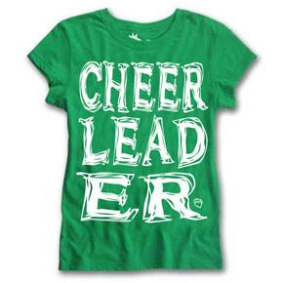 | SK | Big Print Tee Cheer Green Large | 31 | $9.99 | $309.69
 | SK | Big Print Tee Cheer Green Youth Large | 7 | $9.99 | $69.93
 | SK | Big Print Tee Cheer Turquoise Large | 8 | $9.99 | $79.92
 | SK | Big Print Tee Cheer Orange Large | 40 | $9.99 | $399.60
 | SK | Big Print Tee Cheer Orange Medium | 19 | $9.99 | $189.81
 | SK | Big Print Tee Cheer Orange Youth Large | 33 | $9.99 | $329.67
 | SK | Big Print Tee Cheer Orange Youth Medium | 12 | $9.99 | $119.88
 | SK | Big Print Tee Cheer Orange Youth Small | 1 | $9.99 | $9.99
 | SK | Big Print Tee Dance Green Large | 30 | $9.99 | $299.70
 | SK | Big Print Tee Dance Green Medium | 3 | $9.99 | $29.97
 | SK | Big Print Tee Dance Green Youth Large | 6 | $9.99 | $59.94
 | SK | Big Print Tee Dance Green Youth Medium | 19 | $9.99 | $189.81
 | SK | Big Print Tee Dance Red Large | 19 | $9.99 | $189.81
 | SK | Big Print Tee Dance Orange Large | 31 | $9.99 | $309.69
 | SK | Big Print Tee Dance Orange Medium | 20 | $9.99 | $199.80
 | SK | Big Print Tee Dance Orange Youth Large | 31 | $9.99 | $309.69
 | SK | Big Print Tee Dance Orange Youth Medium | 20 | $9.99 | $199.80
 | SK | Big Print Tee Riding Black Large | 1 | $9.99 | $9.99
 | SK | Big Print Tee Riding Black Youth Large | 13 | $9.99 | $129.87
 | SK | Big Print Tee Riding Black Youth Medium | 6 | $9.99 | $59.94
 | SK | Big Print Tee Riding Black Youth Small | 7 | $9.99 | $69.93
 | SK | Big Print Tee Riding Green Large | 6 | $9.99 | $59.94
 | SK | Big Print Tee Riding Green Youth Large | 9 | $9.99 | $89.91
 | SK | Big Print Tee Riding Green Youth Medium | 11 | $9.99 | $109.89
 | SK | Big Print Tee Riding Green Youth Small | 7 | $9.99 | $69.93
 | SK | Big Print Tee Riding Red Large | 29 | $9.99 | $289.71
 | SK | Big Print Tee Riding Red Medium | 7 | $9.99 | $69.93
 | SK | Big Print Tee Riding Red Youth Large | 23 | $9.99 | $229.77
 | SK | Big Print Tee Riding Red Youth Medium | 24 | $9.99 | $239.76
 | SK | Big Print Tee Riding Red Youth Small | 6 | $9.99 | $59.94
 | SK | Big Print Tee Riding Fuchsia Large | 6 | $9.99 | $59.94
 | SK | Big Print Tee Riding Fuchsia Youth Small | 2 | $9.99 | $19.98
 | SK | Big Print Tee Riding Orange Large | 31 | $9.99 | $309.69
 | SK | Big Print Tee Riding Orange Medium | 26 | $9.99 | $259.74
 | SK | Big Print Tee Riding Orange Youth Large | 34 | $9.99 | $339.66
 | SK | Big Print Tee Riding Orange Youth Medium | 30 | $9.99 | $299.70
 | SK | Big Print Tee Riding Orange Youth Small | 12 | $9.99 | $119.88
 | SK | Big Print Tee Softball Black Youth Medium | 4 | $9.99 | $39.96
 | SK | Big Print Tee Softball Green AL | 11 | $9.99 | $109.89
 | SK | Big Print Tee Softball Green Medium | 13 | $9.99 | $129.87
 | SK | Big Print Tee Softball Green Youth Medium | 3 | $9.99 | $29.97
 | SK | Big Print Tee Softball Red Youth Medium | 9 | $9.99 | $89.91
 | SK | Big Print Tee Softball Fuchsia AL | 13 | $9.99 | $129.87
 | SK | Big Print Tee Softball Orange AL | 21 | $9.99 | $209.79
 | SK | Big Print Tee Softball Orange Medium | 5 | $9.99 | $49.95
 | SK | Big Print Tee Softball Orange Youth Large | 20 | $9.99 | $199.80
 | SK | Big Print Tee Softball Orange Youth Medium | 23 | $9.99 | $229.77
 | SK | Big Print Tee Softball Orange Youth Small | 3 | $9.99 | $29.97
 | SK | Big Print Tee Soccer Black Large | 10 | $9.99 | $99.90
 | SK | Big Print Tee Soccer Red Large | 12 | $9.99 | $119.88
 | SK | Big Print Tee Soccer Orange Large | 25 | $9.99 | $249.75
 | SK | Big Print Tee Swim Black Large | 41 | $9.99 | $409.59
 | SK | Big Print Tee Swim Black Medium | 30 | $9.99 | $299.70
 | SK | Big Print Tee Swim Black Small | 6 | $9.99 | $59.94
 | SK | Big Print Tee Swim Black Youth Large | 35 | $9.99 | $349.65
 | SK | Big Print Tee Swim Black Youth Medium | 30 | $9.99 | $299.70
 | SK | Big Print Tee Swim Black Youth Small | 10 | $9.99 | $99.90
 | SK | Big Print Tee Swim Green Large | 36 | $9.99 | $359.64
 | SK | Big Print Tee Swim Green Medium | 25 | $9.99 | $249.75
 | SK | Big Print Tee Swim Green Small | 5 | $9.99 | $49.95
 | SK | Big Print Tee Swim Green Youth Large | 38 | $9.99 | $379.62
 | SK | Big Print Tee Swim Green Youth Medium | 32 | $9.99 | $319.68
 | SK | Big Print Tee Swim Green Youth Small | 11 | $9.99 | $109.89
 | SK | Big Print Tee Swim Turquoise Youth Medium | 3 | $9.99 | $29.97
 | SK | Big Print Tee Swim Turquoise Youth Small | 3 | $9.99 | $29.97
 | SK | Big Print Tee Swim Red Large | 42 | $9.99 | $419.58
 | SK | Big Print Tee Swim Red Medium | 30 | $9.99 | $299.70
 | SK | Big Print Tee Swim Red Small | 3 | $9.99 | $29.97
 | SK | Big Print Tee Swim Red Youth Large | 41 | $9.99 | $409.59
 | SK | Big Print Tee Swim Red Youth Medium | 29 | $9.99 | $289.71
 | SK | Big Print Tee Swim Red Youth Small | 10 | $9.99 | $99.90
 | SK | Big Print Tee Swim Fuchsia Large | 31 | $9.99 | $309.69
 | SK | Big Print Tee Swim Fuchsia Medium | 27 | $9.99 | $269.73
 | SK | Big Print Tee Swim Fuchsia Youth Large | 16 | $9.99 | $159.84
 | SK | Big Print Tee Swim Fuchsia Youth Medium | 12 | $9.99 | $119.88
 | SK | Big Print Tee Swim Fuchsia Youth Small | 9 | $9.99 | $89.91
 | SK | Big Print Tee Swim Orange Large | 36 | $9.99 | $359.64
 | SK | Big Print Tee Swim Orange Medium | 20 | $9.99 | $199.80
 | SK | Big Print Tee Swim Orange Youth Large | 43 | $9.99 | $429.57
 | SK | Big Print Tee Swim Orange Youth Medium | 31 | $9.99 | $309.69
 | SK | Big Print Tee Swim Orange Youth Small | 10 | $9.99 | $99.90
 | SK | Big Print Tee Volleyball Black Youth Small | 4 | $9.99 | $39.96
 | SK | Big Print Tee Volleyball Green Youth Small | 1 | $9.99 | $9.99
 | SK | Big Print Tee Volleyball Orange Youth Medium | 10 | $9.99 | $99.90
 | SK | Big Print Tee Volleyball Orange Youth Small | 10 | $9.99 | $99.90
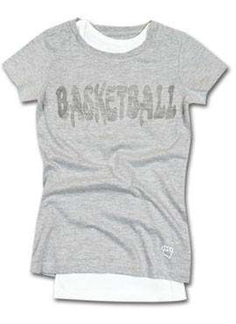 | SK | Burn Out Tee Basketball Large | 34 | $9.99 | $339.66
 | SK | Burn Out Tee Basketball Medium | 56 | $9.99 | $559.44
 | SK | Burn Out Tee Basketball Small | 133 | $9.99 | $1,328.67
 | SK | Burn Out Tee Basketball X-Large | 29 | $9.99 | $289.71
 | SK | Burn Out Tee Basketball X-Small | 187 | $9.99 | $1,868.13
 | SK | Burn Out Tee Cheer X-Small | 137 | $9.99 | $1,368.63
 | SK | Burn Out Tee Riding Large | 64 | $9.99 | $639.36
 | SK | Burn Out Tee Riding Medium | 128 | $9.99 | $1,278.72
 | SK | Burn Out Tee Riding Small | 201 | $9.99 | $2,007.99
 | SK | Burn Out Tee Riding X-Large | 65 | $9.99 | $649.35
 | SK | Burn Out Tee Riding X-Small | 209 | $9.99 | $2,087.91
 | SK | Burn Out Tee Soccer Small | 88 | $9.99 | $879.12
 | SK | Burn Out Tee Soccer X-Large | 17 | $9.99 | $169.83
 | SK | Burn Out Tee Soccer X-Small | 84 | $9.99 | $839.16
 | SK | Burn Out Tee Swim Large | 9 | $9.99 | $89.91
 | SK | Burn Out Tee Swim Medium | 47 | $9.99 | $469.53
 | SK | Burn Out Tee Swim Small | 130 | $9.99 | $1,298.70
 | SK | Burn Out Tee Swim X-Large | 23 | $9.99 | $229.77
 | SK | Burn Out Tee Swim X-Small | 184 | $9.99 | $1,838.16
 | SK | Burn Out Tee Volleyball X-Small | 37 | $9.99 | $369.63
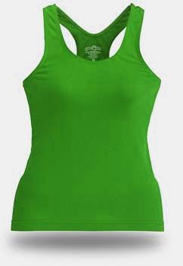 | SK | Ultimate Tank Kelly Green Large | 135 | $9.99 | $1,348.65
 | SK | Ultimate Tank Kelly Green Medium | 129 | $9.99 | $1,288.71
 | SK | Ultimate Tank Kelly Green Small | 195 | $9.99 | $1,948.05
 | SK | Ultimate Tank Kelly Green X-Large | 70 | $9.99 | $699.30
 | SK | Ultimate Tank Kelly Green Youth Large | 207 | $9.99 | $2,067.93
 | SK | Ultimate Tank Kelly Green Youth Medium | 127 | $9.99 | $1,268.73
 | SK | Ultimate Tank Kelly Green Youth Small | 90 | $9.99 | $899.10
 | SK | Ultimate Tank Turquoise Large | 120 | $9.99 | $1,198.80
 | SK | Ultimate Tank Turquoise Medium | 107 | $9.99 | $1,068.93
 | SK | Ultimate Tank Turquoise Small | 178 | $9.99 | $1,778.22
 | SK | Ultimate Tank Turquoise X-Large | 46 | $9.99 | $459.54
 | SK | Ultimate Tank Turquoise Youth Large | 226 | $9.99 | $2,257.74
 | SK | Ultimate Tank Turquoise Youth Medium | 117 | $9.99 | $1,168.83
 | SK | Ultimate Tank Turquoise Youth Small | 74 | $9.99 | $739.26
 | SK | Ultimate Tank Lipstick Pink Large | 127 | $9.99 | $1,268.73
 | SK | Ultimate Tank Lipstick Pink Medium | 129 | $9.99 | $1,288.71
 | SK | Ultimate Tank Lipstick Pink Small | 193 | $9.99 | $1,928.07
 | SK | Ultimate Tank Lipstick Pink X-Large | 57 | $9.99 | $569.43
 | SK | Ultimate Tank Lipstick Pink Youth Large | 199 | $9.99 | $1,988.01
 | SK | Ultimate Tank Lipstick Pink Youth Medium | 116 | $9.99 | $1,158.84
 | SK | Ultimate Tank Lipstick Pink Youth Small | 88 | $9.99 | $879.12
 | SK | Ultimate Tank Bright Orange Large | 139 | $9.99 | $1,388.61
 | SK | Ultimate Tank Bright Orange Medium | 136 | $9.99 | $1,358.64
 | SK | Ultimate Tank Bright Orange Small | 202 | $9.99 | $2,017.98
 | SK | Ultimate Tank Bright Orange X-Large | 53 | $9.99 | $529.47
 | SK | Ultimate Tank Bright Orange Youth Large | 204 | $9.99 | $2,037.96
 | SK | Ultimate Tank Bright Orange Youth Medium | 131 | $9.99 | $1,308.69
 | SK | Ultimate Tank Bright Orange Youth Small | 0 | $9.99 | $-
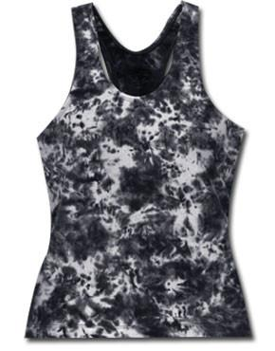 | SK | Tie Dye Tank Black Large | 140 | $9.99 | $1,398.60
 | SK | Tie Dye Tank Black Medium | 142 | $9.99 | $1,418.58
 | SK | Tie Dye Tank Black Small | 279 | $9.99 | $2,787.21
 | SK | Tie Dye Tank Black X-Large | 69 | $9.99 | $689.31
 | SK | Tie Dye Tank Black Youth Large | 278 | $9.99 | $2,777.22
 | SK | Tie Dye Tank Black Youth Medium | 137 | $9.99 | $1,368.63
 | SK | Tie Dye Tank Black Youth Small | 94 | $9.99 | $939.06
 | SK | Tie Dye Tank Fuchsia Large | 140 | $9.99 | $1,398.60
 | SK | Tie Dye Tank Fuchsia Medium | 138 | $9.99 | $1,378.62
 | SK | Tie Dye Tank Fuchsia Small | 259 | $9.99 | $2,587.41
 | SK | Tie Dye Tank Fuchsia X-Large | 69 | $9.99 | $689.31
 | SK | Tie Dye Tank Fuchsia Youth Large | 287 | $9.99 | $2,867.13
 | SK | Tie Dye Tank Fuchsia Youth Medium | 136 | $9.99 | $1,358.64
 | SK | Tie Dye Tank Fuchsia Youth Small | 89 | $9.99 | $889.11
 | SK | Tie Dye Tank Kelly Green Large | 136 | $9.99 | $1,358.64
 | SK | Tie Dye Tank Kelly Green Medium | 142 | $9.99 | $1,418.58
 | SK | Tie Dye Tank Kelly Green Small | 277 | $9.99 | $2,767.23
 | SK | Tie Dye Tank Kelly Green X-Large | 59 | $9.99 | $589.41
 | SK | Tie Dye Tank Kelly Green Youth Large | 284 | $9.99 | $2,837.16
 | SK | Tie Dye Tank Kelly Green Youth Medium | 130 | $9.99 | $1,298.70
 | SK | Tie Dye Tank Kelly Green Youth Small | 90 | $9.99 | $899.10
 | SK | Tie Dye Tank Multi Large | 132 | $9.99 | $1,318.68
 | SK | Tie Dye Tank Multi Medium | 132 | $9.99 | $1,318.68
 | SK | Tie Dye Tank Multi Small | 271 | $9.99 | $2,707.29
 | SK | Tie Dye Tank Multi X-Large | 61 | $9.99 | $609.39
 | SK | Tie Dye Tank Multi Youth Large | 255 | $9.99 | $2,547.45
 | SK | Tie Dye Tank Multi Youth Medium | 116 | $9.99 | $1,158.84
 | SK | Tie Dye Tank Multi Youth Small | 85 | $9.99 | $849.15
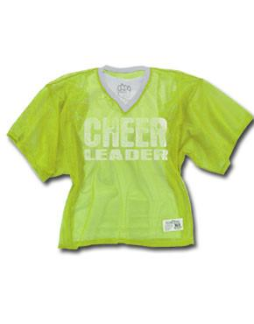 | SK | Touchdown Cheer Jersey Lime M/L | 108 | $9.99 | $1,078.92
 | SK | Touchdown Cheer Jersey Lime XS/S | 99 | $9.99 | $989.01
 | SK | Touchdown Cheer Jersey Purple M/L | 151 | $9.99 | $1,508.49
 | SK | Touchdown Cheer Jersey Athletic Gold M/L | 54 | $9.99 | $539.46
 | SK | Touchdown Cheer Jersey Athletic Gold XS/S | 74 | $9.99 | $739.26
 | SK | Touchdown Cheer Jersey Orange M/L | 121 | $9.99 | $1,208.79
 | SK | Touchdown Cheer Jersey Orange XS/S | 76 | $9.99 | $759.24
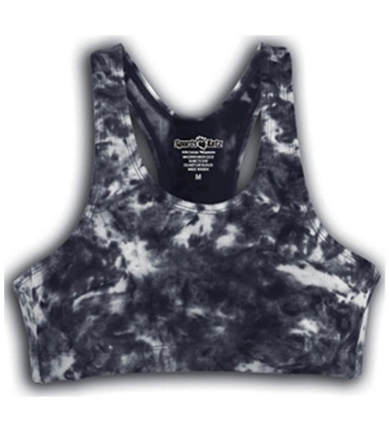 | SK | Tie Dye Bra Top Black Large | 82 | $6.99 | $573.18
 | SK | Tie Dye Bra Top Black Medium | 52 | $6.99 | $363.48
 | SK | Tie Dye Bra Top Black Small | 138 | $6.99 | $964.62
 | SK | Tie Dye Bra Top Black X-Large | 53 | $6.99 | $370.47
 | SK | Tie Dye Bra Top Black Youth Large | 131 | $6.99 | $915.69
 | SK | Tie Dye Bra Top Black Youth Medium | 5 | $6.99 | $34.95
 | SK | Tie Dye Bra Top Fuchsia Large | 107 | $6.99 | $747.93
 | SK | Tie Dye Bra Top Fuchsia Medium | 65 | $6.99 | $454.35
 | SK | Tie Dye Bra Top Fuchsia Small | 213 | $6.99 | $1,488.87
 | SK | Tie Dye Bra Top Fuchsia X-Large | 49 | $6.99 | $342.51
 | SK | Tie Dye Bra Top Fuchsia Youth Large | 231 | $6.99 | $1,614.69
 | SK | Tie Dye Bra Top Fuchsia Youth Medium | 48 | $6.99 | $335.52
 | SK | Tie Dye Bra Top Fuchsia Youth Small | 21 | $6.99 | $146.79
 | SK | Tie Dye Bra Top Kelly Large | 117 | $6.99 | $817.83
 | SK | Tie Dye Bra Top Kelly Medium | 83 | $6.99 | $580.17
 | SK | Tie Dye Bra Top Kelly Small | 214 | $6.99 | $1,495.86
 | SK | Tie Dye Bra Top Kelly X-Large | 57 | $6.99 | $398.43
 | SK | Tie Dye Bra Top Kelly Youth Large | 224 | $6.99 | $1,565.76
 | SK | Tie Dye Bra Top Kelly Youth Medium | 63 | $6.99 | $440.37
 | SK | Tie Dye Bra Top Kelly Youth Small | 38 | $6.99 | $265.62
 | SK | Tie Dye Bra Top Multi Large | 4 | $6.99 | $27.96
 | SK | Tie Dye Bra Top Multi Small | 30 | $6.99 | $209.70
 | SK | Tie Dye Bra Top Multi Youth Large | 87 | $6.99 | $608.13
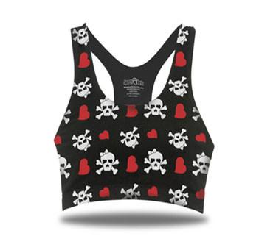 | SK | Skull Bra Top Blk/Red/White Small | 9 | $6.99 | $62.91
 | SK | Skull Bra Top Blk/Red/White Youth Large | 25 | $6.99 | $174.75
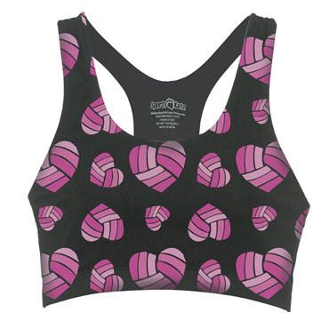 | SK | Heart Bra Top Blk/Fuchsia Large | 32 | $6.99 | $223.68
 | SK | Heart Bra Top Blk/Fuchsia Medium | 24 | $6.99 | $167.76
 | SK | Heart Bra Top Blk/Fuchsia Small | 52 | $6.99 | $363.48
 | SK | Heart Bra Top Blk/Fuchsia X-Large | 16 | $6.99 | $111.84
 | SK | Heart Bra Top Blk/Fchs Print Youth Large | 38 | $6.99 | $265.62
 | SK | Heart Bra Top Blk/Fchs Print Youth Medium | 14 | $6.99 | $97.86
 | SK | Heart Bra Top Blk/Fchs Print Youth Small | 4 | $6.99 | $27.96
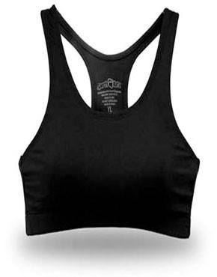 | SK | Bamboo Bra Black Large | 72 | $9.99 | $719.28
 | SK | Bamboo Bra Black Small | 39 | $9.99 | $389.61
 | SK | Bamboo Bra Black X-Large | 30 | $9.99 | $299.70
 | SK | Bamboo Bra Black Youth Large | 54 | $9.99 | $539.46
 | SK | Bamboo Bra White Large | 9 | $9.99 | $89.91
 | SK | Bamboo Bra Kelly Green Large | 70 | $9.99 | $699.30
 | SK | Bamboo Bra Kelly Green Small | 98 | $9.99 | $979.02
 | SK | Bamboo Bra Kelly Green X-Large | 23 | $9.99 | $229.77
 | SK | Bamboo Bra Kelly Green Youth Large | 175 | $9.99 | $1,748.25
 | SK | Bamboo Bra Kelly Green Youth Small | 20 | $9.99 | $199.80
 | SK | Bamboo Bra Navy Large | 49 | $9.99 | $489.51
 | SK | Bamboo Bra Navy Small | 63 | $9.99 | $629.37
 | SK | Bamboo Bra Navy X-Large | 7 | $9.99 | $69.93
 | SK | Bamboo Bra Navy Youth Large | 1 | $9.99 | $9.99
 | SK | Bamboo Bra Royal Large | 96 | $9.99 | $959.04
 | SK | Bamboo Bra Royal Medium | 9 | $9.99 | $89.91
 | SK | Bamboo Bra Royal Small | 119 | $9.99 | $1,188.81
 | SK | Bamboo Bra Royal X-Large | 19 | $9.99 | $189.81
 | SK | Bamboo Bra Royal Youth Large | 137 | $9.99 | $1,368.63
 | SK | Bamboo Bra Turquoise Large | 87 | $9.99 | $869.13
 | SK | Bamboo Bra Turquoise Medium | 17 | $9.99 | $169.83
 | SK | Bamboo Bra Turquoise Small | 100 | $9.99 | $999.00
 | SK | Bamboo Bra Turquoise X-Large | 16 | $9.99 | $159.84
 | SK | Bamboo Bra Turquoise Youth Large | 115 | $9.99 | $1,148.85
 | SK | Bamboo Bra Red Large | 62 | $9.99 | $619.38
 | SK | Bamboo Bra Red Small | 51 | $9.99 | $509.49
 | SK | Bamboo Bra Red X-Large | 18 | $9.99 | $179.82
 | SK | Bamboo Bra Red Youth Large | 74 | $9.99 | $739.26
 | SK | Bamboo Bra Lipstick Pink Large | 102 | $9.99 | $1,018.98
 | SK | Bamboo Bra Lipstick Pink Medium | 40 | $9.99 | $399.60
 | SK | Bamboo Bra Lipstick Pink Small | 168 | $9.99 | $1,678.32
 | SK | Bamboo Bra Lipstick Pink X-Large | 30 | $9.99 | $299.70
 | SK | Bamboo Bra Lipstick Pink Youth Large | 179 | $9.99 | $1,788.21
 | SK | Bamboo Bra Lipstick Pink Youth Small | 4 | $9.99 | $39.96
 | SK | Bamboo Bra Bright Orange Large | 79 | $9.99 | $789.21
 | SK | Bamboo Bra Bright Orange Medium | 1 | $9.99 | $9.99
 | SK | Bamboo Bra Bright Orange Small | 175 | $9.99 | $1,748.25
 | SK | Bamboo Bra Bright Orange X-Large | 39 | $9.99 | $389.61
 | SK | Bamboo Bra Bright Orange Youth Large | 169 | $9.99 | $1,688.31
 | SK | Bamboo Bra Bright Orange Youth Medium | 2 | $9.99 | $19.98
 | SK | Bamboo Bra Bright Orange Youth Small | 10 | $9.99 | $99.90
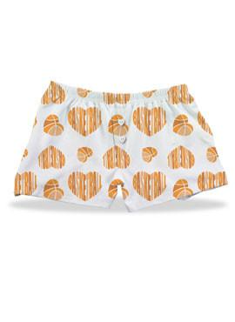 | SK | Boxers Basketball White/Orange Large | 112 | $6.99 | $782.88
 | SK | Boxers Basketball White/Orange Medium | 76 | $6.99 | $531.24
 | SK | Boxers Basketball White/Orange Small | 259 | $6.99 | $1,810.41
 | SK | Boxers Basketball White/Orange X-Large | 60 | $6.99 | $419.40
 | SK | Boxers Basketball White/Orange Youth Large | 249 | $6.99 | $1,740.51
 | SK | Boxers Basketball White/Orange Youth Medium | 111 | $6.99 | $775.89
 | SK | Boxers Basketball White/Orange Youth Small | 60 | $6.99 | $419.40
 | SK | Boxers Cheer White/Red Large | 58 | $6.99 | $405.42
 | SK | Boxers Cheer White/Red Medium | 41 | $6.99 | $286.59
 | SK | Boxers Cheer White/Red Small | 186 | $6.99 | $1,300.14
 | SK | Boxers Cheer White/Red X-Large | 40 | $6.99 | $279.60
 | SK | Boxers Cheer White/Red Youth Large | 215 | $6.99 | $1,502.85
 | SK | Boxers Cheer White/Red Youth Medium | 112 | $6.99 | $782.88
 | SK | Boxers Cheer White/Red Youth Small | 57 | $6.99 | $398.43
 | SK | Boxers Dance White/Pink Large | 53 | $6.99 | $370.47
 | SK | Boxers Dance White/Pink Medium | 75 | $6.99 | $524.25
 | SK | Boxers Dance White/Pink Small | 207 | $6.99 | $1,446.93
 | SK | Boxers Dance White/Pink X-Large | 53 | $6.99 | $370.47
 | SK | Boxers Dance White/Pink Youth Large | 219 | $6.99 | $1,530.81
 | SK | Boxers Dance White/Pink Youth Small | 42 | $6.99 | $293.58
 | SK | Boxers Riding White/Fuchsia Large | 140 | $6.99 | $978.60
 | SK | Boxers Riding White/Fuchsia Medium | 138 | $6.99 | $964.62
 | SK | Boxers Riding White/Fuchsia Small | 282 | $6.99 | $1,971.18
 | SK | Boxers Riding White/Fuchsia X-Large | 69 | $6.99 | $482.31
 | SK | Boxers Riding White/Fuchsia Youth Large | 279 | $6.99 | $1,950.21
 | SK | Boxers Riding White/Fuchsia Youth Medium | 51 | $6.99 | $356.49
 | SK | Boxers Riding White/Fuchsia Youth Small | 33 | $6.99 | $230.67
 | SK | Boxers Soccer White/Green Large | 103 | $6.99 | $719.97
 | SK | Boxers Soccer White/Green Medium | 16 | $6.99 | $111.84
 | SK | Boxers Soccer White/Green Small | 130 | $6.99 | $908.70
 | SK | Boxers Soccer White/Green X-Large | 48 | $6.99 | $335.52
 | SK | Boxers Soccer White/Green Youth Large | 124 | $6.99 | $866.76
 | SK | Boxers Soccer White/Green Youth Small | 14 | $6.99 | $97.86
 | SK | Boxers Swim White/Aqua Large | 120 | $6.99 | $838.80
 | SK | Boxers Swim White/Aqua Medium | 111 | $6.99 | $775.89
 | SK | Boxers Swim White/Aqua Small | 208 | $6.99 | $1,453.92
 | SK | Boxers Swim White/Aqua X-Large | 65 | $6.99 | $454.35
 | SK | Boxers Swim White/Aqua Youth Large | 237 | $6.99 | $1,656.63
 | SK | Boxers Swim White/Aqua Youth Medium | 56 | $6.99 | $391.44
 | SK | Boxers Swim White/Aqua Youth Small | 35 | $6.99 | $244.65
 | SK | Boxers Volleyball White/Blue Large | 83 | $6.99 | $580.17
 | SK | Boxers Volleyball White/Blue Small | 206 | $6.99 | $1,439.94
 | SK | Boxers Volleyball White/Blue X-Large | 34 | $6.99 | $237.66
 | SK | Boxers Volleyball White/Blue Youth Large | 221 | $6.99 | $1,544.79
 | SK | Boxers Volleyball White/Blue Youth Medium | 71 | $6.99 | $496.29
 | SK | Boxers Volleyball White/Blue Youth Small | 47 | $6.99 | $328.53
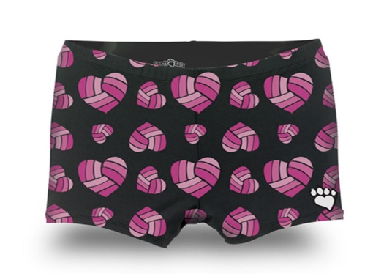 | SK | Heart Compression Blk/Fuchsia Large | 21 | $7.99 | $167.79
 | SK | Heart Compression Blk/Fchs Medium | 18 | $7.99 | $143.82
 | SK | Heart Compression Blk/Fuchsia Small | 35 | $7.99 | $279.65
 | SK | Heart Compression Blk/Fuchsia X-Large | 15 | $7.99 | $119.85
 | SK | Heart Compression Blk/Fchs Youth Large | 20 | $7.99 | $159.80
 | SK | Heart Compression Blk/Fchs Youth Medium | 3 | $7.99 | $23.97
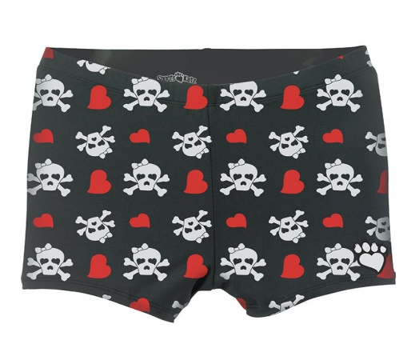 | SK | Skull Compression Blk/Red/White Large | 14 | $7.99 | $111.86
 | SK | Skull Compression Blk/Red/White Medium | 3 | $7.99 | $23.97
 | SK | Skull Compression Blk/Red/White Small | 25 | $7.99 | $199.75
 | SK | Skull Compression Blk/Red/White X-Large | 11 | $7.99 | $87.89
 | SK | Skull Compression Blk/Red/White Youth Large | 41 | $7.99 | $327.59
 | SK | Skull Compression Blk/Red/Wh Youth Medium | 20 | $7.99 | $159.80
 | SK | Skull Compression Blk/Red/White Youth Small | 8 | $7.99 | $63.92
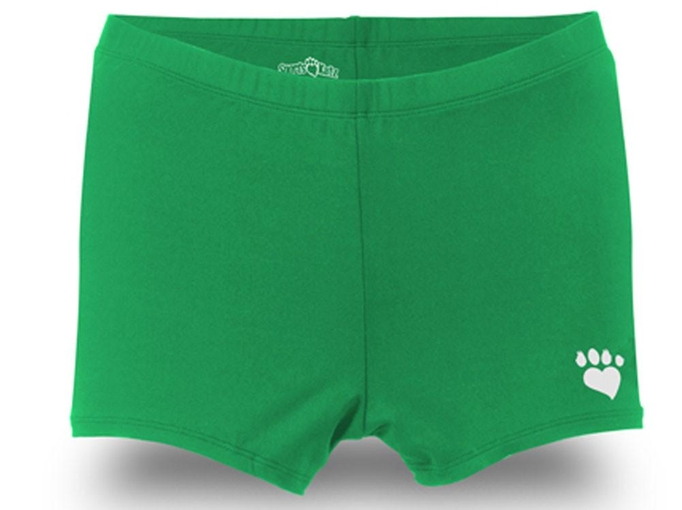 | SK | Compression Short Kelly Green Large | 136 | $7.99 | $1,086.64
 | SK | Compression Short Kelly Green Medium | 135 | $7.99 | $1,078.65
 | SK | Compression Short Kelly Green Small | 204 | $7.99 | $1,629.96
 | SK | Compression Short Kelly Green X-Large | 66 | $7.99 | $527.34
 | SK | Compression Short Kelly Green X-Small | 199 | $7.99 | $1,590.01
 | SK | Compression Short Turquoise Large | 133 | $7.99 | $1,062.67
 | SK | Compression Short Turquoise Medium | 124 | $7.99 | $990.76
 | SK | Compression Short Turquoise Small | 196 | $7.99 | $1,566.04
 | SK | Compression Short Turquoise X-Large | 66 | $7.99 | $527.34
 | SK | Compression Short Turquoise X-Small | 192 | $7.99 | $1,534.08
 | SK | Compression Short Lipstick Pink Large | 121 | $7.99 | $966.79
 | SK | Compression Short Lipstick Pink Medium | 115 | $7.99 | $918.85
 | SK | Compression Short Lipstick Pink Small | 198 | $7.99 | $1,582.02
 | SK | Compression Short Lipstick Pink X-Large | 65 | $7.99 | $519.35
 | SK | Compression Short Lipstick Pink X-Small | 195 | $7.99 | $1,558.05
 | SK | Compression Short Bright Orange Large | 140 | $7.99 | $1,118.60
 | SK | Compression Short Bright Orange Medium | 133 | $7.99 | $1,062.67
 | SK | Compression Short Bright Orange Small | 210 | $7.99 | $1,677.90
 | SK | Compression Short Bright Orange X-Large | 68 | $7.99 | $543.32
 | SK | Compression Short Bright Orange X-Small | 205 | $7.99 | $1,637.95
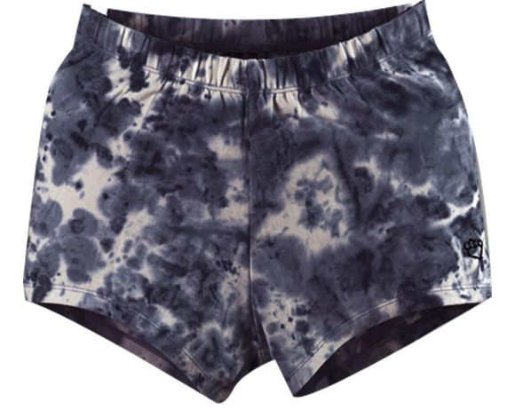 | SK | Tie Dye Kompression Short Black Large | 129 | $7.99 | $1,030.71
 | SK | Tie Dye Kompression Short Black Medium | 112 | $7.99 | $894.88
 | SK | Tie Dye Kompression Short Black Small | 263 | $7.99 | $2,101.37
 | SK | Tie Dye Kompression Short Black X-Large | 61 | $7.99 | $487.39
 | SK | Tie Dye Kompression Short Black X-Small | 186 | $7.99 | $1,486.14
 | SK | Tie Dye Kompression Short Fuchsia Large | 134 | $7.99 | $1,070.66
 | SK | Tie Dye Kompression Short Fuchsia Medium | 120 | $7.99 | $958.80
 | SK | Tie Dye Kompression Short Fuchsia Small | 269 | $7.99 | $2,149.31
 | SK | Tie Dye Kompression Short Fuchsia X-Large | 68 | $7.99 | $543.32
 | SK | Tie Dye Kompression Short Fuchsia X-Small | 204 | $7.99 | $1,629.96
 | SK | Tie Dye Kompression Short Kelly Green Large | 140 | $7.99 | $1,118.60
 | SK | Tie Dye Kompression Short Kelly Green Medium | 132 | $7.99 | $1,054.68
 | SK | Tie Dye Kompression Short Kelly Green Small | 271 | $7.99 | $2,165.29
 | SK | Tie Dye Kompression Short Kelly Green X-Large | 68 | $7.99 | $543.32
 | SK | Tie Dye Kompression Short Kelly Green X-Small | 209 | $7.99 | $1,669.91
 | SK | Tie Dye Kompression Short Multi Large | 110 | $7.99 | $878.90
 | SK | Tie Dye Kompression Short Multi Medium | 43 | $7.99 | $343.57
 | SK | Tie Dye Kompression Short Multi Small | 187 | $7.99 | $1,494.13
 | SK | Tie Dye Kompression Short Multi X-Large | 59 | $7.99 | $471.41
 | SK | Tie Dye Kompression Short Multi X-Small | 153 | $7.99 | $1,222.47
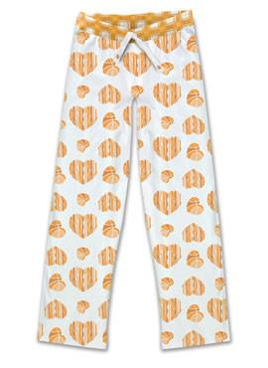 | SK | Lounge Pant Basketball Orange Large | 18 | $8.99 | $161.82
 | SK | Lounge Pant Basketball Orange Medium | 34 | $8.99 | $305.66
 | SK | Lounge Pant Basketball Orange Small | 145 | $8.99 | $1,303.55
 | SK | Lounge Pant Basketball Orange X-Large | 3 | $8.99 | $26.97
 | SK | Lounge Pant Basketball Orange Youth Large | 5 | $8.99 | $44.95
 | SK | Lounge Pant Basketball Orange Youth Small | 19 | $8.99 | $170.81
 | SK | Lounge Pant Dance Pink Large | 43 | $8.99 | $386.57
 | SK | Lounge Pant Dance Pink Small | 85 | $8.99 | $764.15
 | SK | Lounge Pant Dance Pink X-Large | 26 | $8.99 | $233.74
 | SK | Lounge Pant Riding Fuchsia Large | 138 | $8.99 | $1,240.62
 | SK | Lounge Pant Riding Fuchsia Medium | 132 | $8.99 | $1,186.68
 | SK | Lounge Pant Riding Fuchsia Small | 263 | $8.99 | $2,364.37
 | SK | Lounge Pant Riding Fuchsia X-Large | 68 | $8.99 | $611.32
 | SK | Lounge Pant Riding Fuchsia Youth Large | 245 | $8.99 | $2,202.55
 | SK | Lounge Pant Riding Fuchsia Youth Small | 48 | $8.99 | $431.52
 | SK | Lounge Pant Volleyball Blue Youth Large | 39 | $8.99 | $350.61
 | SK | Lounge Pant Volleyball Blue Youth Small | 23 | $8.99 | $206.77
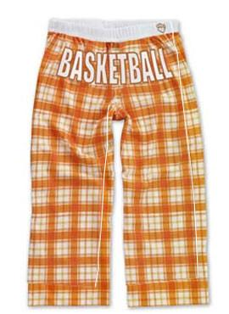 | SK | Lounge Capri Basketball White/Orange Large | 153 | $7.99 | $1,222.47
 | SK | Lounge Capri Basketball White/Orange Medium | 100 | $7.99 | $799.00
 | SK | Lounge Capri Basketball White/Orange Small | 225 | $7.99 | $1,797.75
 | SK | Lounge Capri Basketball White/Orange X-Large | 55 | $7.99 | $439.45
 | SK | Lounge Capri Basketball White/Orange Youth Large | 226 | $7.99 | $1,805.74
 | SK | Lounge Capri Basketball White/Orange Youth Medium | 88 | $7.99 | $703.12
 | SK | Lounge Capri Basketball White/Orange Youth Small | 52 | $7.99 | $415.48
 | SK | Lounge Capri Cheer White/Red Large | 53 | $7.99 | $423.47
 | SK | Lounge Capri Cheer White/Red Medium | 3 | $7.99 | $23.97
 | SK | Lounge Capri Cheer White/Red Small | 123 | $7.99 | $982.77
 | SK | Lounge Capri Cheer White/Red X-Large | 27 | $7.99 | $215.73
 | SK | Lounge Capri Cheer White/Red Youth Large | 165 | $7.99 | $1,318.35
 | SK | Lounge Capri Cheer White/Red Youth Small | 3 | $7.99 | $23.97
 | SK | Lounge Capri Dance White/Pink Large | 47 | $7.99 | $375.53
 | SK | Lounge Capri Dance White/Pink Medium | 51 | $7.99 | $407.49
 | SK | Lounge Capri Dance White/Pink Small | 181 | $7.99 | $1,446.19
 | SK | Lounge Capri Dance White/Pink X-Large | 57 | $7.99 | $455.43
 | SK | Lounge Capri Riding White/Fuchsia Large | 122 | $7.99 | $974.78
 | SK | Lounge Capri Riding White/Fuchsia Medium | 118 | $7.99 | $942.82
 | SK | Lounge Capri Riding White/Fuchsia Small | 259 | $7.99 | $2,069.41
 | SK | Lounge Capri Riding White/Fuchsia X-Large | 49 | $7.99 | $391.51
 | SK | Lounge Capri Riding White/Fuchsia Youth Large | 228 | $7.99 | $1,821.72
 | SK | Lounge Capri Riding White/Fuchsia Youth Medium | 39 | $7.99 | $311.61
 | SK | Lounge Capri Riding White/Fuchsia Youth Small | 46 | $7.99 | $367.54
 | SK | Lounge Capri Soccer White/Green Large | 88 | $7.99 | $703.12
 | SK | Lounge Capri Soccer White/Green Medium | 28 | $7.99 | $223.72
 | SK | Lounge Capri Soccer White/Green Small | 113 | $7.99 | $902.87
 | SK | Lounge Capri Soccer White/Green X-Large | 55 | $7.99 | $439.45
 | SK | Lounge Capri Soccer White/Green Youth Large | 22 | $7.99 | $175.78
 | SK | Lounge Capri Swim White/Aqua Large | 86 | $7.99 | $687.14
 | SK | Lounge Capri Swim White/Aqua Medium | 27 | $7.99 | $215.73
 | SK | Lounge Capri Swim White/Aqua Small | 129 | $7.99 | $1,030.71
 | SK | Lounge Capri Swim White/Aqua X-Large | 23 | $7.99 | $183.77
 | SK | Lounge Capri Swim White/Aqua Youth Large | 101 | $7.99 | $806.99
 | SK | Lounge Capri Swim White/Aqua Youth Small | 18 | $7.99 | $143.82
 | SK | Lounge Capri Volleyball White/Blue Large | 21 | $7.99 | $167.79
 | SK | Lounge Capri Volleyball White/Blue Medium | 8 | $7.99 | $63.92
 | SK | Lounge Capri Volleyball White/Blue Small | 134 | $7.99 | $1,070.66
 | SK | Lounge Capri Volleyball White/Blue X-Large | 41 | $7.99 | $327.59
 | SK | Lounge Capri Volleyball White/Blue Youth Large | 205 | $7.99 | $1,637.95
 | SK | Lounge Capri Volleyball White/Blue Youth Medium | 72 | $7.99 | $575.28
 | SK | Lounge Capri Volleyball White/Blue Youth Small | 47 | $7.99 | $375.53
 |  |  | 38871 |  | $341,300.29

