Sheet1
US$ 3.95

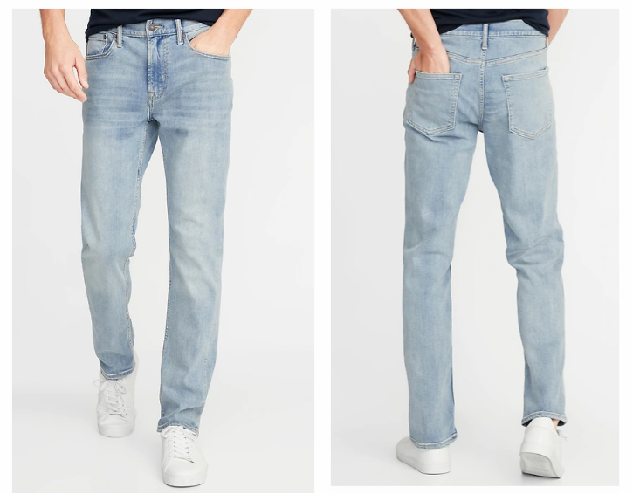
Perfect scale


SIZE | Qty
29 x 30 | 1,642
30 x 30 | 1,785
30 x 32 | 2,667
32 x 30 | 2,817
32 x 32 | 2,785
32 x 34 | 1,383
33 x 30 | 1,379
33 x 32 | 1,423
34 x 30 | 2,568
34 x 32 | 2,594
34 x 34 | 1,364
36 x 30 | 2,382
36 x 32 | 2,082
38 x 30 | 1,321
38 x 32 | 1,317
 | 29,509

