Sheet1
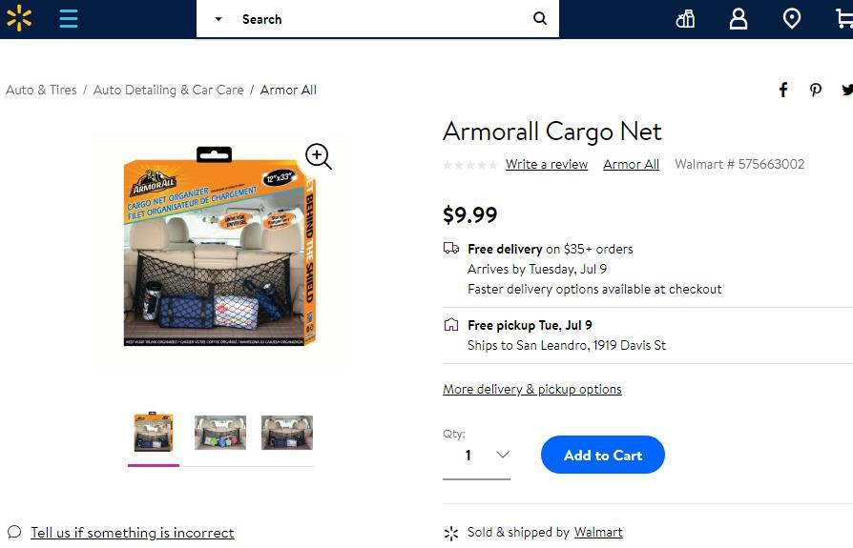
J-772-R(C)-Cargo Net Organizer
Quotation
Date:
To:
Attn:

Remark: goods were for USA. MOQ: 6000pcs.
Item No. | Product Picture | Referenced Packing Picture | Description | Price | Quantity | Case Pack | Case CBM | N.W./G.W. | FOB | 40'HQ
1 | 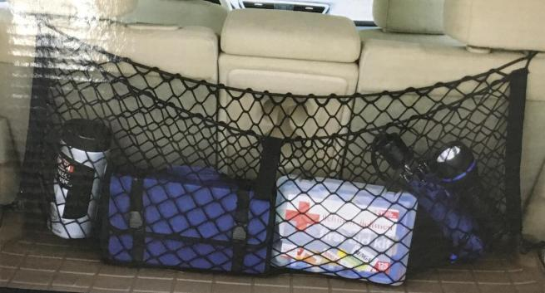 | 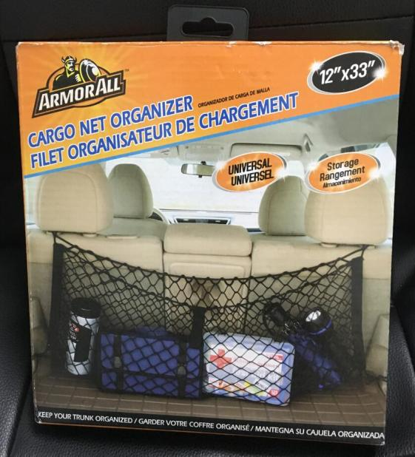 | Cargo Net Organizer Material: PP Size: 30X80cm/ 12"X33" Weight: 0.21kgs Color: black Packing:1pc/ customized color box | US$2.90 | 86,880 | 40 | 0.060 | 12/14kg | Ningbo | 43,440
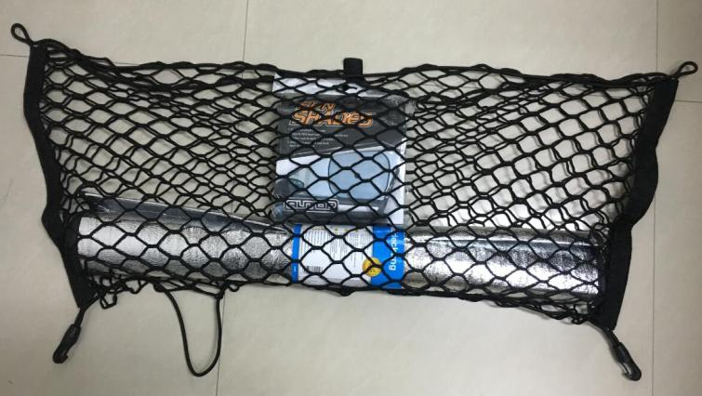
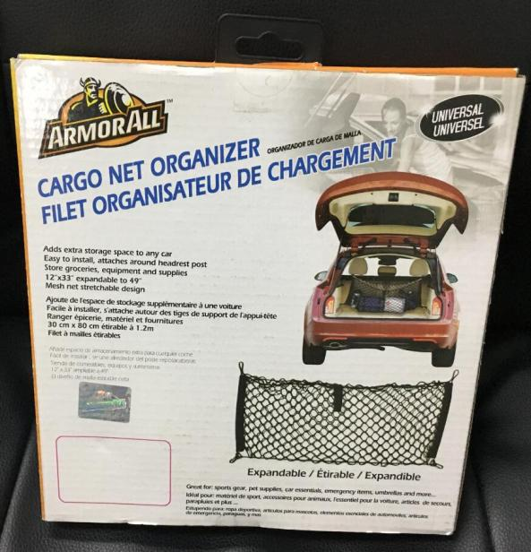
More Pictures:

https://www.walmart.com/ip/Armorall-Cargo-Net/216348128

