Sheet1
J-773-R(C)-Mesh Sun Sade, Snow Shade
Quotation
Date:
To:
Attn:

MOQ: 4000/item.
Item No. | Product Picture | Referenced Packing Picture | Description | Price | Quantity | Case Pack | Case CBM | N.W./G.W. | FOB | 40'HQ
1 | 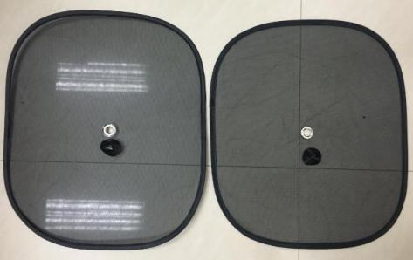 | 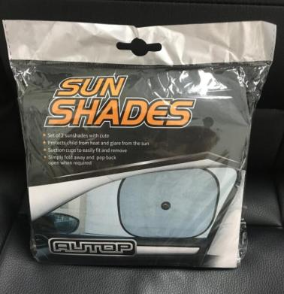 | 2pk Foldable Mesh Sun Sade Material: polyester Size: 44X38cm Color:black Packing: opp bag + customzied color card | US$0.75 | 118,500 | 100 | 0.055 | 7/8kg | Ningbo | 118,400
2 | 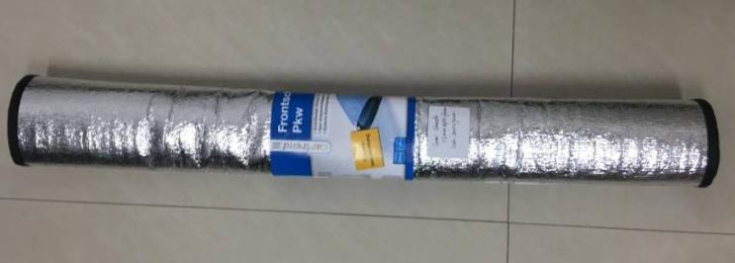 |  | Car Snow/ Sun Shade Material: 1.5mm EPE foam Size: 200X70cm Color: silver Packing: color card | US$0.92 | 64,450 | 24 | 0.097 | 2/3kg | Ningbo | 16,104

