Sheet1
J-774-R(C)-Heavy Duty Tie Down
Quotation
Date:
To:
Attn:

MOQ: 6000PCS/item.
Item No. | Product Picture | Description | Price | Qantity | Case Pack | Case CBM | N.W./G.W. | FOB | 40'HQ
1 | 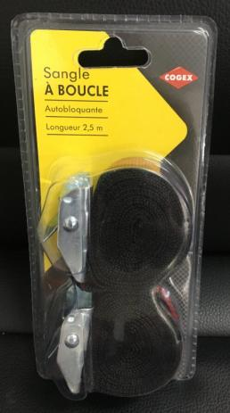 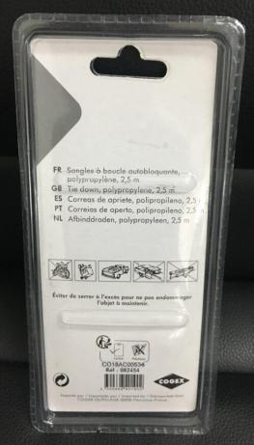 | Tie Down Material: PP Size: 2.5cmX2.5m Weight: 0.12 Color: black, yellow, orange Packing: double blister + customzied color card | US$0.97 | 84,780 | 60 | 0.046 | 7.2/8.6 | Ningbo | 84,780
2 | 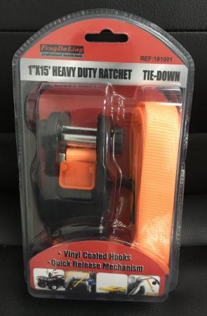 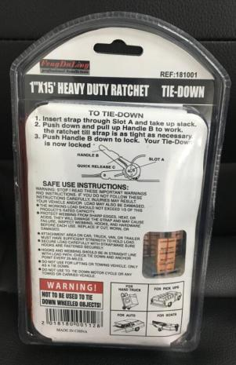 | Heavy Duty Tie Down with Hooks Vinyl coated hooks, Quick release mechanism Material: polyester Size: 2.5cmX4.5m(1"X15') Weight: 0.45kg Color: orange+ black Packing: double blister + customzied color card | US$2.75 | 42,500 | 30 | 0.046 | 15/16 | Ningbo | 42,390

