KIDS CLOTHING FROM MCYS
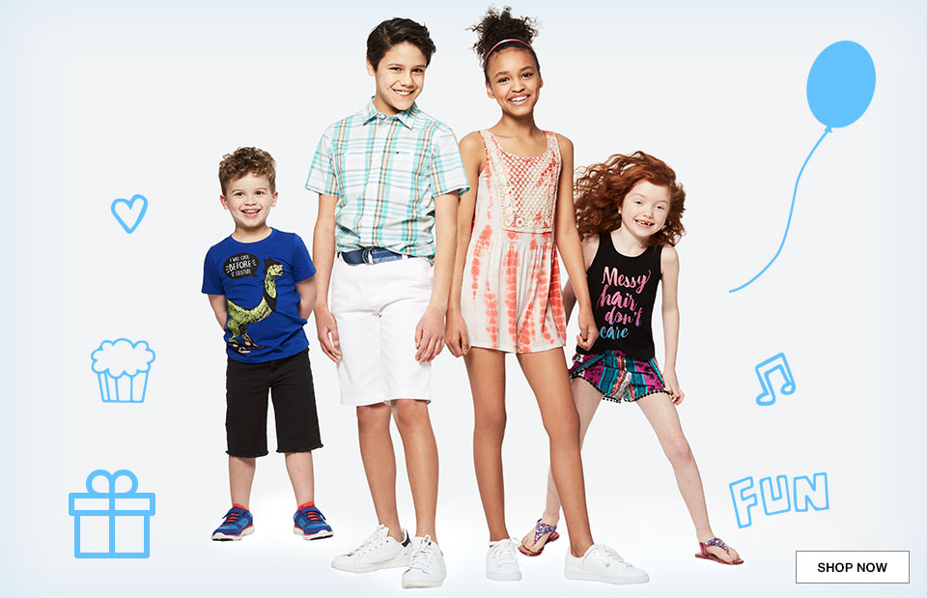
LOT # | CATEGORY | SUBCATEGORY | SEASON CODE | # OF PALLETS | ORIGINAL COST | ORIGINAL RETAIL | # OF UNITS
12516398 | CHILDRENS APPAREL & ACCESSORIES | CHILDRENS | PRIMARILY SPRING AND SUMMER | 1 | $2,143.96 | $5,126.15 | 231
12515344 | CHILDRENS APPAREL & ACCESSORIES | CHILDRENS | PRIMARILY SPRING AND SUMMER | 1 | $3,608.26 | $8,919.06 | 564
12512702 | CHILDRENS APPAREL & ACCESSORIES | CHILDRENS | PRIMARILY SPRING AND SUMMER | 1 | $3,621.90 | $9,149.27 | 590
12506978 | CHILDRENS APPAREL & ACCESSORIES | CHILDRENS | PRIMARILY SPRING AND SUMMER | 1 | $2,878.72 | $6,449.00 | 269
12498408 | CHILDRENS APPAREL & ACCESSORIES | CHILDRENS | PRIMARILY SPRING AND SUMMER | 1 | $5,784.52 | $14,334.11 | 535
12488851 | CHILDRENS APPAREL & ACCESSORIES | CHILDRENS | PRIMARILY SPRING AND SUMMER | 1 | $8,159.59 | $20,137.14 | 1201
12465859 | CHILDRENS APPAREL & ACCESSORIES | CHILDRENS | PRIMARILY SPRING AND SUMMER | 1 | $2,928.46 | $7,405.10 | 300
12450553 | CHILDRENS APPAREL & ACCESSORIES | CHILDRENS | PRIMARILY SPRING AND SUMMER | 1 | $5,008.50 | $12,502.26 | 765
12449080 | CHILDRENS APPAREL & ACCESSORIES | CHILDRENS | PRIMARILY SPRING AND SUMMER | 1 | $2,222.67 | $5,429.57 | 364
12448790 | CHILDRENS APPAREL & ACCESSORIES | CHILDRENS | PRIMARILY SPRING AND SUMMER | 1 | $4,535.41 | $11,344.45 | 1066
12447001 | CHILDRENS APPAREL & ACCESSORIES | CHILDRENS | PRIMARILY SPRING AND SUMMER | 1 | $4,429.12 | $11,052.06 | 959
12436307 | CHILDRENS APPAREL & ACCESSORIES | CHILDRENS | PRIMARILY SPRING AND SUMMER | 1 | $6,495.25 | $16,374.98 | 1166
12434450 | CHILDRENS APPAREL & ACCESSORIES | CHILDRENS | PRIMARILY SPRING AND SUMMER | 1 | $4,811.63 | $12,087.80 | 859
12431680 | CHILDRENS APPAREL & ACCESSORIES | CHILDRENS | PRIMARILY SPRING AND SUMMER | 1 | $5,911.52 | $14,919.23 | 945
12429317 | CHILDRENS APPAREL & ACCESSORIES | CHILDRENS | PRIMARILY SPRING AND SUMMER | 1 | $5,040.59 | $12,639.13 | 882
12416476 | CHILDRENS APPAREL & ACCESSORIES | CHILDRENS | PRIMARILY SPRING AND SUMMER | 1 | $5,981.51 | $14,985.09 | 906
12414060 | CHILDRENS APPAREL & ACCESSORIES | CHILDRENS | PRIMARILY SPRING AND SUMMER | 1 | $5,533.08 | $13,595.84 | 942
12413919 | CHILDRENS APPAREL & ACCESSORIES | CHILDRENS | PRIMARILY SPRING AND SUMMER | 1 | $5,532.18 | $13,735.78 | 820
12410915 | CHILDRENS APPAREL & ACCESSORIES | CHILDRENS | PRIMARILY SPRING AND SUMMER | 1 | $8,078.76 | $19,819.27 | 1411
12410531 | CHILDRENS APPAREL & ACCESSORIES | CHILDRENS | PRIMARILY SPRING AND SUMMER | 1 | $3,771.68 | $9,421.91 | 647
12407310 | CHILDRENS APPAREL & ACCESSORIES | CHILDRENS | PRIMARILY SPRING AND SUMMER | 1 | $7,417.21 | $17,948.99 | 1147
12488911 | CHILDRENS APPAREL & ACCESSORIES | CHILDRENS | PRIMARILY FALL AND WINTER | 1 | $7,267.23 | $18,486.66 | 1078
12508450 | CHILDRENS APPAREL & ACCESSORIES | CHILDRENS | PRIMARILY FALL AND WINTER | 1 | $363.61 | $909.07 | 40
12488793 | CHILDRENS APPAREL & ACCESSORIES | CHILDRENS | PRIMARILY FALL AND WINTER | 1 | $7,004.85 | $17,443.10 | 776
12486869 | CHILDRENS APPAREL & ACCESSORIES | CHILDRENS | PRIMARILY FALL AND WINTER | 1 | $4,824.17 | $12,082.08 | 578
12486748 | CHILDRENS APPAREL & ACCESSORIES | CHILDRENS | PRIMARILY FALL AND WINTER | 1 | $4,072.79 | $10,138.04 | 511
12469979 | CHILDRENS APPAREL & ACCESSORIES | CHILDRENS | PRIMARILY FALL AND WINTER | 1 | $3,378.53 | $8,712.86 | 290
12469939 | CHILDRENS APPAREL & ACCESSORIES | CHILDRENS | PRIMARILY FALL AND WINTER | 1 | $5,410.13 | $13,274.53 | 486
 |  |  |  | 20 |  | $338,422.53 | 20,328
 |  |  |  |  |  | RETAIL PRICE | $338,422.53

 |  |  |  |  |  | YOUR TOTAL SPECIAL PRICE | $ 79.967,60

