Superga kids line offer list
Superga Spring Summer 2020 | shoes kids line
photo | gender | color | size | art code | q.ty | Retail Price | tot value retail
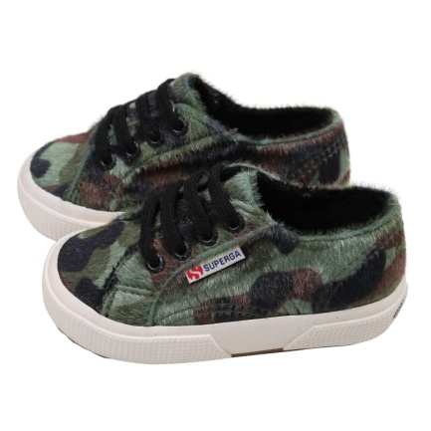 s00a1h0529 | GIRL | green | 32 | 8059717565236 | 8 | € 74.00 | € 592.00
s00a1h0529 | GIRL | green | 31 | 8059717565229 | 5 | € 74.00 | € 370.00
s00a1h0529 | GIRL | green | 33 | 8059717565243 | 5 | € 74.00 | € 370.00
s00a1h0529 | GIRL | green | 25 | 8059717565175 | 1 | € 74.00 | € 74.00
s00a1h0529 | GIRL | green | 26 | 8059717565182 | 6 | € 74.00 | € 444.00
s00a1h0529 | GIRL | green | 28 | 8059717565199 | 6 | € 74.00 | € 444.00
s00a1h0529 | GIRL | green | 29 | 8059717565205 | 8 | € 74.00 | € 592.00
s00a1h0529 | GIRL | green | 30 | 8059717565212 | 10 | € 74.00 | € 740.00
s00a1h0529 | GIRL | green | 34 | 8059717565250 | 8 | € 74.00 | € 592.00
s00a1h0529 | GIRL | green | 23 | 8059717565151 | 1 | € 74.00 | € 74.00
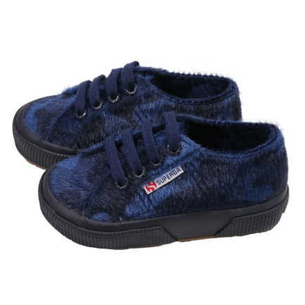 s00a1h0905 | GIRL | fullblue | 32 | 8059717565403 | 10 | € 74.00 | € 740.00
s00a1h0905 | GIRL | fullblue | 25 | 8059717565335 | 8 | € 74.00 | € 592.00
s00a1h0905 | GIRL | fullblue | 28 | 8059717565366 | 8 | € 74.00 | € 592.00
s00a1h0905 | GIRL | fullblue | 22 | 8059717565304 | 5 | € 74.00 | € 370.00
s00a1h0905 | GIRL | fullblue | 26 | 8059717565342 | 18 | € 74.00 | € 1,332.00
s00a1h0905 | GIRL | fullblue | 29 | 8059717565373 | 13 | € 74.00 | € 962.00
s00a1h0905 | GIRL | fullblue | 30 | 8059717565380 | 14 | € 74.00 | € 1,036.00
s00a1h0905 | GIRL | fullblue | 33 | 8059717565410 | 15 | € 74.00 | € 1,110.00
s00a1h0905 | GIRL | fullblue | 34 | 8059717565427 | 9 | € 74.00 | € 666.00
s00a1h0905 | GIRL | fullblue | 27 | 8059717565359 | 7 | € 74.00 | € 518.00
s00a1h0905 | GIRL | fullblue | 31 | 8059717565397 | 9 | € 74.00 | € 666.00
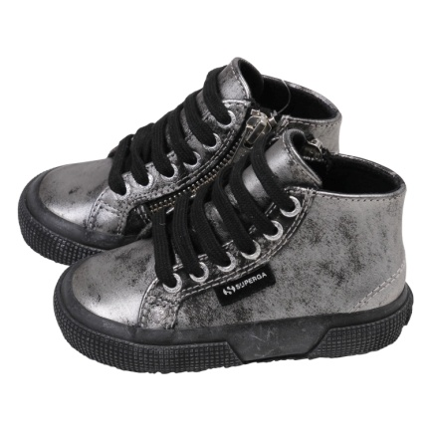 s00btc0031 | GIRL | greysilver | 22 | 8059717884740 | 4 | € 100.00 | € 400.00
s00btc0031 | GIRL | greysilver | 27 | 8059717884795 | 14 | € 100.00 | € 1,400.00
s00btc0031 | GIRL | greysilver | 31 | 8059717884832 | 17 | € 100.00 | € 1,700.00
s00btc0031 | GIRL | greysilver | 25 | 8059717884771 | 22 | € 100.00 | € 2,200.00
s00btc0031 | GIRL | greysilver | 26 | 8059717884788 | 7 | € 100.00 | € 700.00
s00btc0031 | GIRL | greysilver | 28 | 8059717884801 | 21 | € 100.00 | € 2,100.00
s00btc0031 | GIRL | greysilver | 29 | 8059717884818 | 19 | € 100.00 | € 1,900.00
s00btc0031 | GIRL | greysilver | 30 | 8059717884825 | 8 | € 100.00 | € 800.00
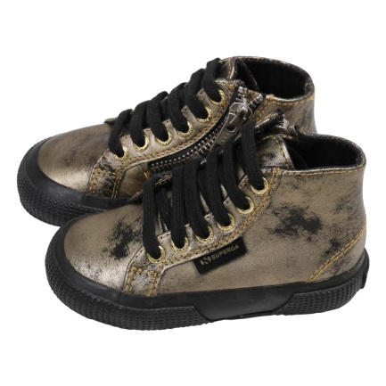 s00btc0174 | GIRL | orangegold | 24 | 8059717884894 | 18 | € 100.00 | € 1,800.00
s00btc0174 | GIRL | orangegold | 32 | 8059717884979 | 3 | € 100.00 | € 300.00
s00btc0174 | GIRL | orangegold | 27 | 8059717884924 | 19 | € 100.00 | € 1,900.00
s00btc0174 | GIRL | orangegold | 31 | 8059717884962 | 9 | € 100.00 | € 900.00
s00btc0174 | GIRL | orangegold | 23 | 8059717884887 | 6 | € 100.00 | € 600.00
s00btc0174 | GIRL | orangegold | 25 | 8059717884900 | 23 | € 100.00 | € 2,300.00
s00btc0174 | GIRL | orangegold | 28 | 8059717884931 | 21 | € 100.00 | € 2,100.00
s00btc0174 | GIRL | orangegold | 22 | 8059717884870 | 1 | € 100.00 | € 100.00
s00btc0174 | GIRL | orangegold | 26 | 8059717884917 | 19 | € 100.00 | € 1,900.00
s00btc0174 | GIRL | orangegold | 29 | 8059717884948 | 21 | € 100.00 | € 2,100.00
s00btc0174 | GIRL | orangegold | 30 | 8059717884955 | 17 | € 100.00 | € 1,700.00
s0093e0910 | Unisex | piratesorange | 31 | 8050198382169 | 2 | € 84.00 | € 168.00
s0093e0910 | Unisex | piratesorange | 32 | 8050198382176 | 7 | € 84.00 | € 588.00
s0093e0910 | Unisex | piratesorange | 33 | 8050198382183 | 3 | € 84.00 | € 252.00
s0093e0910 | Unisex | piratesorange | 34 | 8050198382190 | 1 | € 84.00 | € 84.00
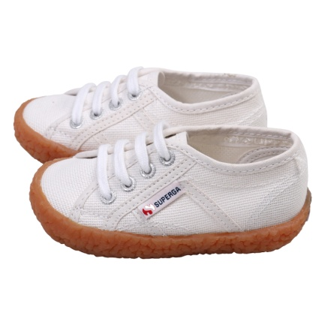 s0099t0901 | Unisex | white | 24 | 8058347452275 | 1 | € 55.00 | € 55.00
s0099t0901 | Unisex | white | 30 | 8058347452336 | 5 | € 55.00 | € 275.00
s0099t0901 | Unisex | white | 27 | 8058347452305 | 2 | € 55.00 | € 110.00
s0099t0901 | Unisex | white | 31 | 8058347452343 | 1 | € 55.00 | € 55.00
s0099t0901 | Unisex | white | 28 | 8058347452312 | 4 | € 55.00 | € 220.00
s0099t0901 | Unisex | white | 29 | 8058347452329 | 9 | € 55.00 | € 495.00
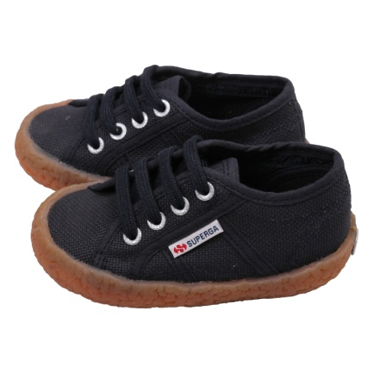 s0099t0933 | Unisex | navy | 22 | 8058347452596 | 1 | € 55.00 | € 55.00
s0099t0933 | Unisex | navy | 29 | 8058347452664 | 6 | € 55.00 | € 330.00
s0099t0933 | Unisex | navy | 31 | 8058347452688 | 6 | € 55.00 | € 330.00
s0099t0933 | Unisex | navy | 32 | 8058347452695 | 6 | € 55.00 | € 330.00
s0099t0933 | Unisex | navy | 25 | 8058347452626 | 1 | € 55.00 | € 55.00
s0099t0933 | Unisex | navy | 26 | 8058347452633 | 2 | € 55.00 | € 110.00
s0099t0933 | Unisex | navy | 28 | 8058347452657 | 3 | € 55.00 | € 165.00
s0099t0933 | Unisex | navy | 33 | 8058347452701 | 6 | € 55.00 | € 330.00
s0099t0933 | Unisex | navy | 30 | 8058347452671 | 5 | € 55.00 | € 275.00
s0099t0933 | Unisex | navy | 34 | 8058347452718 | 6 | € 55.00 | € 330.00
s0099t0933 | Unisex | navy | 27 | 8058347452640 | 4 | € 55.00 | € 220.00
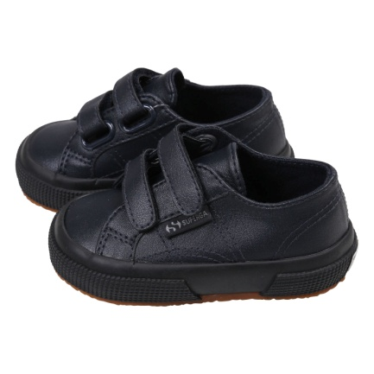 s009yr0070 | Unisex | bluenavy | 32 | 8058347262072 | 4 | € 65.00 | € 260.00
s009yr0070 | Unisex | bluenavy | 25 | 8058347262003 | 1 | € 65.00 | € 65.00
s009yr0070 | Unisex | bluenavy | 22 | 8058347261976 | 14 | € 65.00 | € 910.00
s009yr0070 | Unisex | bluenavy | 29 | 8058347262041 | 8 | € 65.00 | € 520.00
s009yr0070 | Unisex | bluenavy | 30 | 8058347262058 | 16 | € 65.00 | € 1,040.00
s009yr0070 | Unisex | bluenavy | 34 | 8058347262096 | 7 | € 65.00 | € 455.00
s009yr0070 | Unisex | bluenavy | 31 | 8058347262065 | 9 | € 65.00 | € 585.00
s009yr0070 | Unisex | bluenavy | 33 | 8058347262089 | 16 | € 65.00 | € 1,040.00
s009yr0g08 | Unisex | fulldkchocolate | 34 | 8052394296516 | 4 | € 65.00 | € 260.00
s009yr0g08 | Unisex | fulldkchocolate | 31 | 8052394296486 | 2 | € 65.00 | € 130.00
s009yr0g08 | Unisex | fulldkchocolate | 33 | 8052394296509 | 2 | € 65.00 | € 130.00
s009yr0g08 | Unisex | fulldkchocolate | 35 | 8052394296523 | 3 | € 65.00 | € 195.00
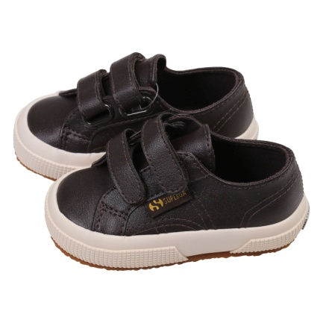 s009yr0k51 | Unisex | browndkchocolate | 32 | 8058347262744 | 10 | € 65.00 | € 650.00
s009yr0k51 | Unisex | browndkchocolate | 25 | 8058347262676 | 3 | € 65.00 | € 195.00
s009yr0k51 | Unisex | browndkchocolate | 28 | 8058347262706 | 3 | € 65.00 | € 195.00
s009yr0k51 | Unisex | browndkchocolate | 29 | 8058347262713 | 15 | € 65.00 | € 975.00
s009yr0k51 | Unisex | browndkchocolate | 30 | 8058347262720 | 24 | € 65.00 | € 1,560.00
s009yr0k51 | Unisex | browndkchocolate | 34 | 8058347262768 | 6 | € 65.00 | € 390.00
s009yr0k51 | Unisex | browndkchocolate | 31 | 8058347262737 | 3 | € 65.00 | € 195.00
s009yr0k51 | Unisex | browndkchocolate | 33 | 8058347262751 | 3 | € 65.00 | € 195.00
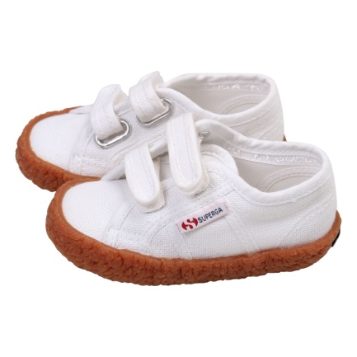 s00akq0901 | Unisex | white | 23 | 8050198374669 | 7 | € 55.00 | € 385.00
s00akq0901 | Unisex | white | 25 | 8050198374683 | 2 | € 55.00 | € 110.00
s00akq0901 | Unisex | white | 28 | 8050198374713 | 22 | € 55.00 | € 1,210.00
s00akq0901 | Unisex | white | 30 | 8050198374737 | 31 | € 55.00 | € 1,705.00
s00akq0901 | Unisex | white | 33 | 8050198374768 | 40 | € 55.00 | € 2,200.00
s00akq0901 | Unisex | white | 34 | 8050198374775 | 34 | € 55.00 | € 1,870.00
s00akq0901 | Unisex | white | 24 | 8050198374676 | 4 | € 55.00 | € 220.00
s00akq0901 | Unisex | white | 22 | 8050198374652 | 6 | € 55.00 | € 330.00
s00akq0901 | Unisex | white | 26 | 8050198374690 | 3 | € 55.00 | € 165.00
s00akq0901 | Unisex | white | 29 | 8050198374720 | 29 | € 55.00 | € 1,595.00
s00akq0901 | Unisex | white | 31 | 8050198374744 | 31 | € 55.00 | € 1,705.00
s00akq0901 | Unisex | white | 27 | 8050198374706 | 11 | € 55.00 | € 605.00
s00akq0901 | Unisex | white | 32 | 8050198374751 | 33 | € 55.00 | € 1,815.00
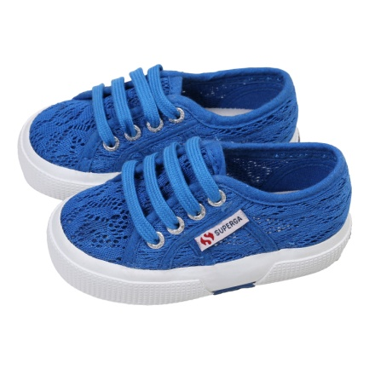 s00bru000n | Unisex | blue | 23 | 8052394169056 | 3 | € 65.00 | € 195.00
s00bru000n | Unisex | blue | 24 | 8052394169063 | 2 | € 65.00 | € 130.00
s00bru000n | Unisex | blue | 32 | 8052394169148 | 15 | € 65.00 | € 975.00
s00bru000n | Unisex | blue | 22 | 8052394169049 | 6 | € 65.00 | € 390.00
s00bru000n | Unisex | blue | 25 | 8052394169070 | 4 | € 65.00 | € 260.00
s00bru000n | Unisex | blue | 26 | 8052394169087 | 17 | € 65.00 | € 1,105.00
s00bru000n | Unisex | blue | 28 | 8052394169100 | 11 | € 65.00 | € 715.00
s00bru000n | Unisex | blue | 29 | 8052394169117 | 15 | € 65.00 | € 975.00
s00bru000n | Unisex | blue | 30 | 8052394169124 | 12 | € 65.00 | € 780.00
s00bru000n | Unisex | blue | 27 | 8052394169094 | 11 | € 65.00 | € 715.00
s00bru000n | Unisex | blue | 31 | 8052394169131 | 20 | € 65.00 | € 1,300.00
s00bru000n | Unisex | blue | 33 | 8052394169155 | 19 | € 65.00 | € 1,235.00
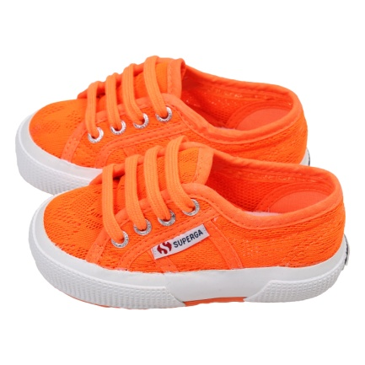 s00bru0416 | Unisex | orange | 25 | 8052394169247 | 3 | € 65.00 | € 195.00
s00bru0416 | Unisex | orange | 26 | 8052394169254 | 7 | € 65.00 | € 455.00
s00bru0416 | Unisex | orange | 28 | 8052394169261 | 14 | € 65.00 | € 910.00
s00bru0416 | Unisex | orange | 29 | 8052394169278 | 10 | € 65.00 | € 650.00
s00bru0416 | Unisex | orange | 30 | 8052394169285 | 12 | € 65.00 | € 780.00
s00bru0416 | Unisex | orange | 34 | 8052394169322 | 2 | € 65.00 | € 130.00
s00bru0416 | Unisex | orange | 22 | 8052394169216 | 1 | € 65.00 | € 65.00
s00bru0416 | Unisex | orange | 27 | 8059717850332 | 7 | € 65.00 | € 455.00
s00bru0416 | Unisex | orange | 33 | 8052394169315 | 15 | € 65.00 | € 975.00
s00bru0416 | Unisex | orange | 35 | 8052394169339 | 1 | € 65.00 | € 65.00
s00bru0416 | Unisex | orange | 23 | 8052394169223 | 2 | € 65.00 | € 130.00
s00bru0416 | Unisex | orange | 31 | 8052394169292 | 14 | € 65.00 | € 910.00
s00bru0416 | Unisex | orange | 32 | 8052394169308 | 9 | € 65.00 | € 585.00
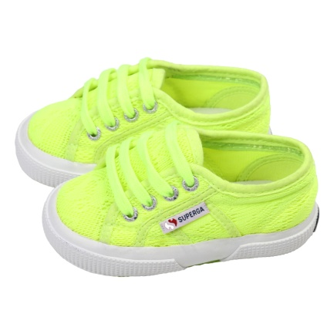 s00bru0e06 | Unisex | yellow | 22 | 8052394169544 | 1 | € 65.00 | € 65.00
s00bru0e06 | Unisex | yellow | 26 | 8052394169582 | 7 | € 65.00 | € 455.00
s00bru0e06 | Unisex | yellow | 29 | 8052394169605 | 8 | € 65.00 | € 520.00
s00bru0e06 | Unisex | yellow | 30 | 8052394169612 | 4 | € 65.00 | € 260.00
s00bru0e06 | Unisex | yellow | 33 | 8052394169643 | 12 | € 65.00 | € 780.00
s00bru0e06 | Unisex | yellow | 23 | 8052394169551 | 1 | € 65.00 | € 65.00
s00bru0e06 | Unisex | yellow | 25 | 8052394169575 | 2 | € 65.00 | € 130.00
s00bru0e06 | Unisex | yellow | 28 | 8052394169599 | 13 | € 65.00 | € 845.00
s00bru0e06 | Unisex | yellow | 27 | 8059717850349 | 11 | € 65.00 | € 715.00
s00bru0e06 | Unisex | yellow | 31 | 8052394169629 | 8 | € 65.00 | € 520.00
s00bru0e06 | Unisex | yellow | 24 | 8052394169568 | 5 | € 65.00 | € 325.00
s00bru0e06 | Unisex | yellow | 32 | 8052394169636 | 13 | € 65.00 | € 845.00
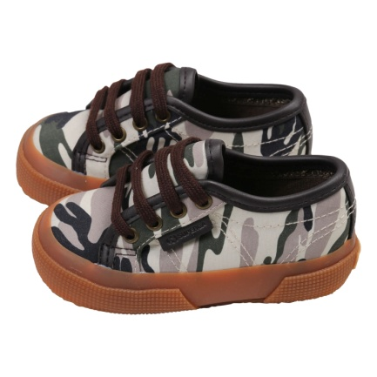 s00cb40f89 | Unisex | camomilitarygreenblk | 27 | 8054954921890 | 6 | € 74.00 | € 444.00
s00cb40f89 | Unisex | camomilitarygreenblk | 33 | 8054700380551 | 30 | € 74.00 | € 2,220.00
s00cb40f89 | Unisex | camomilitarygreenblk | 25 | 8054700380483 | 8 | € 74.00 | € 592.00
s00cb40f89 | Unisex | camomilitarygreenblk | 26 | 8054700380490 | 6 | € 74.00 | € 444.00
s00cb40f89 | Unisex | camomilitarygreenblk | 29 | 8054700380513 | 4 | € 74.00 | € 296.00
s00cb40f89 | Unisex | camomilitarygreenblk | 30 | 8054700380520 | 26 | € 74.00 | € 1,924.00
s00cb40f89 | Unisex | camomilitarygreenblk | 34 | 8054700380568 | 37 | € 74.00 | € 2,738.00
s00cb40f89 | Unisex | camomilitarygreenblk | 31 | 8054700380537 | 34 | € 74.00 | € 2,516.00
s00cb40f89 | Unisex | camomilitarygreenblk | 32 | 8054700380544 | 34 | € 74.00 | € 2,516.00
s00cb40f89 | Unisex | camomilitarygreenblk | 24 | 8054700380476 | 11 | € 74.00 | € 814.00
 |  |  |  |  | 1443 |  | € 103,577.00

