ZEGNA
ZEGNA |  |  |  |  |  |  |  |  |  | QUANTITIES FOR SIZES
 |  |  |  |  |  |  |  |  | XS | S | M | L | XL | XXL
 |  |  |  |  |  |  |  |  | 1 | 2 | 3 | 3 | 2 | 1 | 12

 |  |  |  |  |  |  |  | B | UNICA
ARTICLE | FABRIC | COLOUR | DESCR. COL. | DESCR | GENDER | MATERIAL | MADE IN | A | XS | S | M | L | XL | XXL | QTY | PHOTO
ZZF630 | VU372 | K09 |  | T-SHIRT | MAN | 100%CO | TURKEY | A | 78 | 157 | 238 | 236 | 157 | 78 | 944
ZZF630 | VU372 | B09 |  | T-SHIRT | MAN | 100%CO | TURKEY | A | 108 | 217 | 330 | 330 | 220 | 110 | 1,315
ZZF630 | VU372 | B07 |  | T-SHIRT | MAN | 100%CO | TURKEY | A | 109 | 219 | 331 | 329 | 219 | 109 | 1,316 |  | 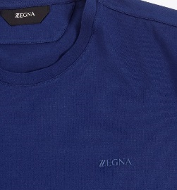
ZZF630 | VU372 | N00 |  | T-SHIRT | MAN | 100%CO | TURKEY | A | 49 | 99 | 151 | 149 | 99 | 49 | 596
ZZF630 | VU372 | R08 |  | T-SHIRT | MAN | 100%CO | TURKEY | A | 29 | 58 | 87 | 87 | 58 | 29 | 348
ZZF600 | VU370 | K09 |  | POLO | MAN | 100%CO | TURKEY | A | 75 | 151 | 229 | 227 | 151 | 75 | 908 |  | 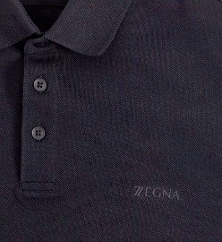
ZZF600 | VU370 | B09 |  | POLO | MAN | 100%CO | TURKEY | A | 104 | 210 | 318 | 317 | 211 | 106 | 1,266
ZZF600 | VU370 | B07 |  | POLO | MAN | 100%CO | TURKEY | A | 104 | 209 | 316 | 313 | 209 | 104 | 1,255
ZZF600 | VU370 | N00 |  | POLO | MAN | 100%CO | TURKEY | A | 45 | 90 | 139 | 135 | 91 | 45 | 545
ZZF600 | VU370 | R08 |  | POLO | MAN | 100%CO | TURKEY | A | 28 | 56 | 84 | 84 | 56 | 28 | 336
 |  |  |  |  |  |  |  |  |  |  |  |  |  |  | 8,829

