Hoja1
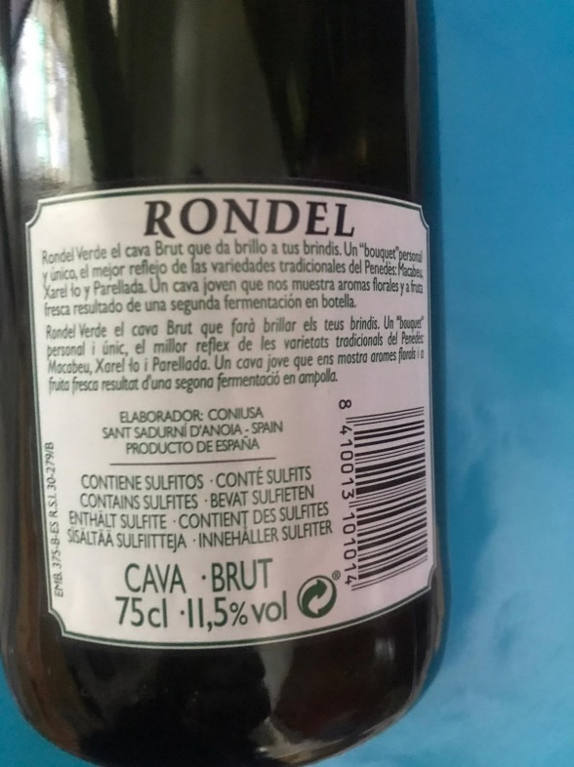
 |  |  |  |  | Catalan Cava Inventory

Type | Vint. | Brand | Description | Winery | Wine Region | Grapes (Varities) | Alcohol Vol. | Bottles Av. | Pallets | Location
Sparkling | 2019 | Rondel Verde | Cava (Sparkling Wine). Method: Charmat | Codorniú | Cava Appellation Catalonia | Macabeo, Xarell-lo, Perellada | 12% | 250,000 | 613 | Catalonia / Spain

