gt
Styles | Description | 3 | 3.5 | 4 | 4.5 | 5 | 5.5 | 6 | 6.5 | 7 | 7.5 | 8 | 8.5 | 9 | 9.5 | 10 | 10.5 | 11 | 11.5 | 12 | Total | RRP | Deal
11822600 | 1460 Cherry Red Smooth | 8 |  | 20 |  |  | 1 | 26 |  | 19 |  |  |  |  |  |  |  |  |  |  | 74 | 190.00 € | 114.00 €

25990001 | 1460 Collar Black Snowplow Wp+Borg Fleece | 5 |  | 20 |  | 24 |  | 4 |  |  |  |  |  |  |  |  |  |  |  |  | 53 | 220.00 € | 135.00 €
 | 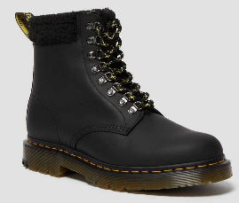
15933002 | 1460 I Black Patent Lamper kids | 55 |  | 40 | 4 | 39 |  |  |  |  |  |  |  |  |  |  |  |  |  |  | 138 | 75.00 € | 48.00 €
 | 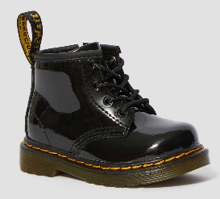
14353001 | 1460 Mono Black Smooth | 12 |  | 31 |  |  |  | 41 | 12 | 11 |  |  |  |  |  |  |  |  |  |  | 107 | 190.00 € | 115.00 €

24993001 | 1460 Pascal Black Ambassador | 3 |  |  |  |  |  |  | 6 |  |  | 5 |  | 20 |  |  |  |  |  |  | 34 | 190.00 € | 115.00 €
 | 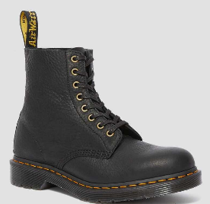
13512006 | 1460 Pascal Black Virginia | 50 |  | 150 |  | 150 |  |  | 200 | 50 |  | 10 |  | 5 |  |  |  |  |  |  | 615 | 190.00 € | 115.00 €
 | 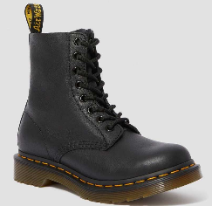
 |  |  |  |  |  |  |  |  |  |  |  |  |  |  |  |  |  |  |  |  |  |  | 2
Styles | Description | 1 | 1.5 | 2 | 2.5 | 3 | 3.5 | 4 | 4.5 | 5 | 5.5 | 6 | 6.5 | 7 | 7.5 | 8 | 8.5 | 9 | 9.5 | 10 | Total | RRP
15933002 | 1460 I Black Patent Lamper kids |  |  |  |  | 55 |  | 40 | 4 | 39 |  |  |  |  |  |  |  |  |  |  | 138 | 75.00 € | 48.00 €

15382003 | 1460 J Black Patent Lamper | 25 | 1 | 23 | 28 | 27 |  |  |  |  |  |  |  |  |  |  |  |  |  |  | 104 | 100.00 € | 61.00 €

