Available
EXAMPLE
Product Name and Image | Short Description, Size & Brand | Best Before Date | Reccomended Retail Price (Aust.) | Normal Wholesale Cost per Unit (Aust) | Qty Available (Units) | Total Wholesale Value | Quantity Per Carton | Ctns Per Pallet | No. of Pallets | Location of Stock
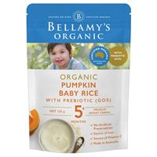 | Bellamy's Organic 125g Organic Pumpkin Cereal | Late June to Early July 2021 | $4.25 | $3.09 | 53,760 | $166,118.40 | 6 | 128 | 70 | Melbourne
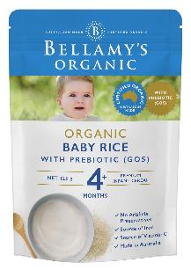 | Bellamy's Organic 125g Organic Baby Rice with GOS | Early July 2021 | $4.25 | $3.09 | 23,040 | $71,193.60 | 6 | 128 | 30 | Melbourne
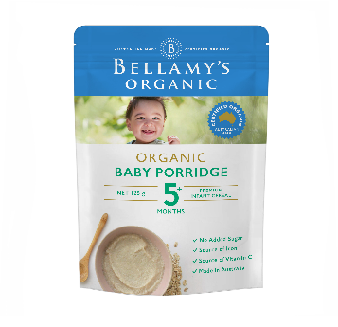 | Bellamy's Organic 125g Organic Baby Porridge | Early to Late June 2021 | $4.25 | $3.09 | 99,840 | $308,505.60 | 6 | 128 | 130 | Melbourne
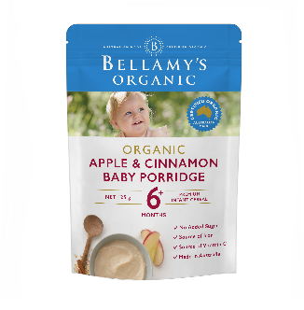 | Bellamy's Organic 125g Organic Apple and Cinnamon Baby Porridge | Early to Mid June 2021 | $4.25 | $3.09 | 84,480 | $261,043.20 | 6 | 128 | 110 | Melbourne
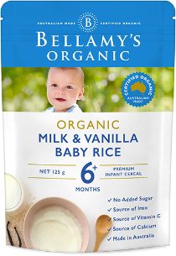 | Bellamy's Organic 125g Organic Milk & Vanilla Baby Rice | Early to Late June 2021 | $4.25 | $3.09 | 107,520 | $332,236.80 | 6 | 128 | 140 | Melbourne
 |  |  |  |  | 368,640 | $1,139,097.60 |  |  | 480

