ALES
PHOTO | CODE | BRAND | DESCRIPTION | ALCOHOL | STILE | PCS X CART. | PACK | FORMAT | PRICE X CARTON | PRICE PER PCS | TOTALE PCS | TOTALE CARTON | ROTALE VALUE RRP | EXPIRE DATE
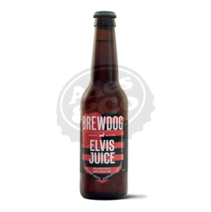 | B418A | Brewdog | Birra BREWDOG Elvis Juice 12x330ml BOT | 6.5 | IPA | 12 | BOOTLES | 0.33 | 40.50 € | 3.38 € | 16,916 | 1,410 | 57,091.23 € | 2021-07-31
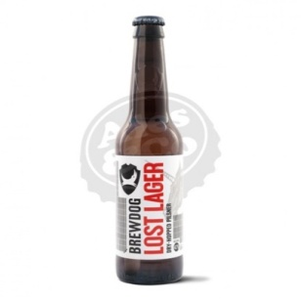 | B0354 | Brewdog | Birra BREWD Lost Lager 12x330ml BOT | 4.7 | Lager | 12 | BOTTLES | 0.33 | 34.50 € | 2.88 € | 16,243 | 1,354 | 46,698.51 € | 2021-08-02
 | LAT0354A | Brewdog | Birra BREWD Lost Lager 12x330ml LAT | 4.7 | Lager | 12 | CANS | 0.33 | 27.00 € | 2.25 € | 4,589 | 382 | 10,325.34 € | 2021-07-27
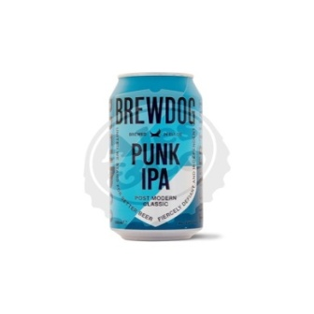 | LAT326 | Brewdog | Birra BREWD Punk IPA 24x330ml LAT | 5.4 | IPA | 24 | CANS | 0.33 | 61.50 € | 2.56 € | 23,224 | 968 | 27,675.00 € | 2021-08-30
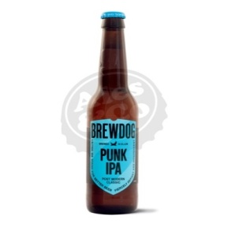 | B326A | Brewdog | Birra BREWDOG Punk IPA 12x330ml BOT | 5.4 | IPA | 12 | BOTTLES | 0.33 | 36.00 € | 3.00 € | 7,800 | 650 | 1,950.00 € | 2021-09-06
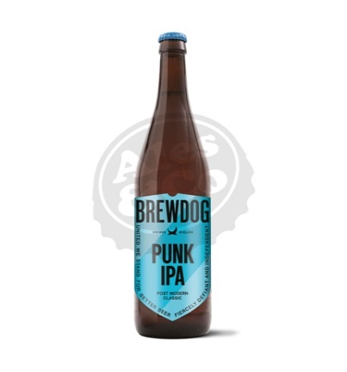 | B3266 | Brewdog | Birra BREWDOG Punk IPA 12x660ml BOT | 5.6 | IPA | 12 | BOTTLES | 0.66 | 63.00 € | 5.25 € | 3,732 | 311 | 19,593.00 € | 2021-08-03
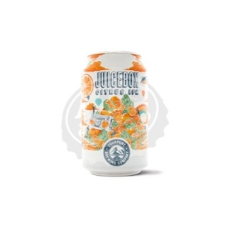 | LATB424A | Fourpure | Birra FOURP Juicebox 12x330ml LAT | 5.9 | IPA | 12 | CANS | 0.33 | 34.50 € | 2.88 € | 5,186 | 432 | 14,909.87 € | 2021-08-21
 | LATS059 | Stone Brewing | Birra STONE USA FML DoubleIPA 6x473mlLAT | 8.5 | Double Ipa | 06 | CANS | 0.473 | 28.50 € | 4.75 € | 2,137 | 356 | 10,150.56 € | 2021-08-14
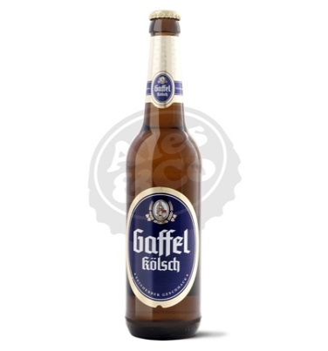 | BGAF001 | Gaffel Brewery | Birra GAFFEL Kolsch 24x330ml BOT | 4.8 | Koelsch | 24 | BOTTLES | 0.33 | 46.50 € | 1.94 € | 8,303 | 346 | 16,087.14 € | 2021-06-02
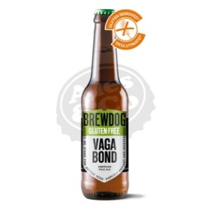 | B3001A | Brewdog | Birra BREWD Vagabond GFree 12x330ml BOT | 4.5 | Pale Ale | 12 | BOOTLES | 0.33 | 37.50 € | 3.13 € | 4,131 | 344 | 12,909.00 € | 2021-10-02
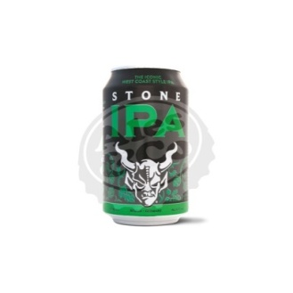 | LATS017A | Stone Brewing | Birra STONE USA IPA 24x355ml LAT | 6.9 | IPA | 24 | CANS | 0.355 | 70.50 € | 2.94 € | 7,679 | 320 | 22,557.18 € | 2021-07-16
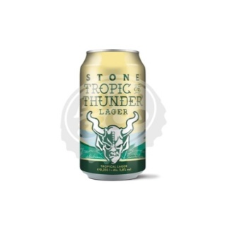 | LATS057 | Stone Brewing | Birra STONE USA TropicOfThun 24x355mlLAT | 5.8 | Lager | 24 | CANS | 0.355 | 72.00 € | 3.00 € | 5,459 | 227 | 16,377.12 € | 2021-08-10
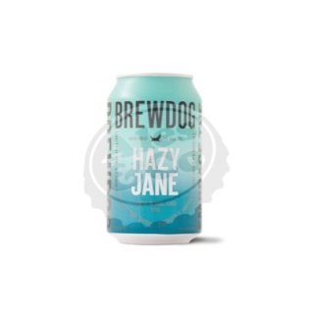 | B0523 | Brewdog | Birra BREWD Hazy Jane 5% 12x330ml BOT | 5 | Hazy Ipa | 12 | BOTTLES | 0.33 | 37.50 € | 3.13 € | 2,599 | 217 | 8,122.13 € | 2021-07-30
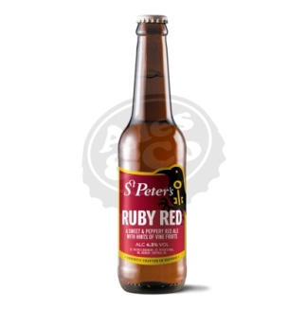 | B150A | St. Peter's Brewery | Birra STPET Ruby Red 24x330ml BOT | 4.3 | Red Ale | 24 | BOTTLES | 0.33 | 61.50 € | 2.56 € | 2,447 | 102 | 6,270.54 € | 2021-10-05
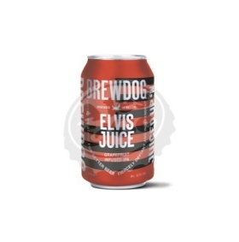 | LAT418 | Brewdog | Birra BREWDOG Elvis Juice 24x330ml LAT | 6.5 | IPA | 24 | CANS | 0.33 | 67.50 € | 2.81 € | 14,471 | 603 | 40,699.80 € | 2021-08-24
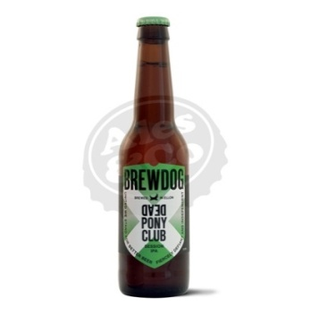 | LAT382 | Brewdog | Birra BREWD Dead Pony Club 24x330ml LAT | 3.8 | Session IPA | 24 | CANS | 0.33 | 55.50 € | 2.31 € | 9,936 | 414 | 22,977.00 € | 2021-07-14
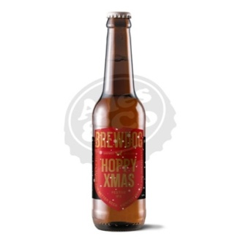 | B371A | Brewdog | Birra BREWD Hoppy Christmas 12x330ml BOT | 6 | IPA | 12 | BOTTLES | 0.33 | 40.50 € | 3.38 € | 2,496 | 208 | 8,424.00 € | 2021-09-15
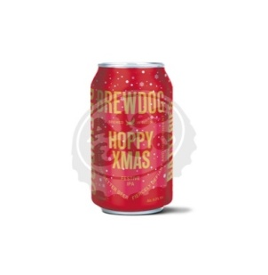 | LAT371A | Brewdog | Birra BREWD Hoppy Christmas 12x330ml LAT | 6 | IPA | 12 | CANS | 0.33 | 36.00 € | 3.00 € | 1,007 | 84 | 3,021.12 € | 2021-09-13
 | TOTALE |  |  |  |  |  |  |  |  |  | 138,355 | 8,728 | 345,838.53 € | EXCLUDE IVA
 |  |  |  |  |  |  |  |  |  |  |  |  | 421,923.01 € | WITH IVA

