FOTL.CURRENT
T/SHIRTS:

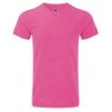
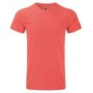
Style 0R165M0 - Men's HD T/Shirt |  |  |  |  |  |  |  |  |  | 36PPC
Colour | Code: | X-Small | Small | Medium | Large | X-Large | 2X-Large | 3X-Large |  | Total

Pink Marl | 2P | 504 | 168 | 180 | 324 | 168 | 432 | 294 |  | 2070
Red Marl | RM | 323 | 723 | 1223 | 1103 | 341 | 241 | 403 |  | 4357

Total |  | 827 | 891 | 1403 | 1427 | 509 | 673 | 697 |  | 6427 |  | 6427

 |  |  |  |  |  |  |  | ADULT T/SHIRTS |  |  | 6427
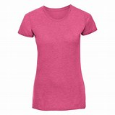
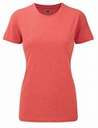
Style 0R165F0 - Ladies HD T/Shirts |  |  |  |  |  |  |  |  | 36 ppc
Colour | Code | X-Small | Small | Medium | Large | X-Large | 2X-Large |  | Total

Pink Marl | 2P | 280 | 443 | 202 | 364 | 324 | 287 |  | 1900
Red Marl | RM | 352 | 208 | 269 | 225 | 331 | 242 |  | 1627

Total |  | 632 | 651 | 471 | 589 | 655 | 529 |  | 3527 |  |  | 3527

Style 0610620 - Ladies Fit Long Sleeve T/Shirt
Colour |  | Large | 36ppc
 |  |  |  |  |  |  |  |  |  |  |  | 360
White |  | 360

 |  |  |  |  |  |  |  | LADIES T/SHIRTS |  |  | 3887

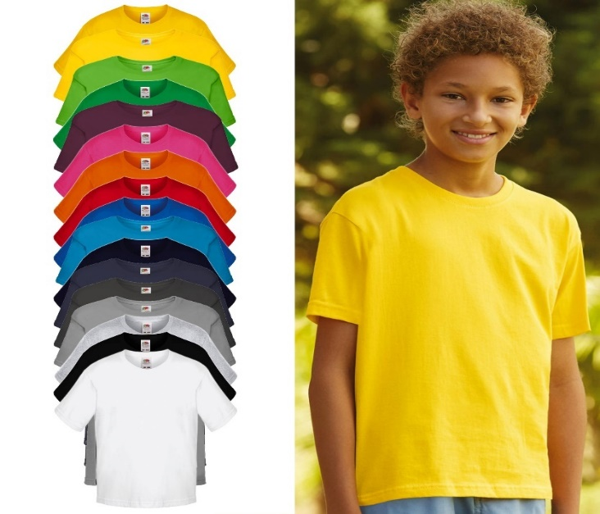
Style 0610150 - Kids Softspun T/Shirts |  |  |  |  |  | 100% Cotton 165 Gsm |  |  | 72 ppc
Colour |  | 104 | 116 | 128 | 140 | 152 | 164 |  | Total
Age |  | 3/4 | 5/6 | 7/8 | 9/11 | 12/13 | 14/15

Sunflower |  | 135 | 854 | 112 | 466 | 256 | 350 |  | 2173
Burgundy |  | 243 | 931 | 64 | 494 | 76 | 431 |  | 2239
Kelly Green |  | 771 | 448 | 396 | 448 | 712 | 127 |  | 2902
Royal |  | 546 | 13 | 127 | 512 | 841 | 451 |  | 2490
H. Grey |  | 1717 | 914 | 1022 | 1603 | 832 | 266 |  | 6354
D. Navy |  | 285 | 208 | 253 | 405 | 280 | 377 |  | 1808
Lt. Graphite |  | 186 | 656 | 479 | 830 | 182 | 126 |  | 2459
Yellow |  | 353 | 437 | 273 | 339 | 408 | 119 |  | 1929
Lime |  | 67 | 178 | 486 | 197 | 876 | 442 |  | 2246
Zinc |  | 143 | 166 | 490 | 437 | 567 |  |  | 1803
Azure |  |  | 66 |  | 301 | 210 | 304 |  | 881
Fuschia |  | 395 | 102 |  | 191 |  | 195 |  | 883
Orange |  |  | 45 | 364 | 63 | 704 | 440 |  | 1616

Total |  | 4841 | 5018 | 4066 | 6286 | 5944 | 3628 |  | 29783 |  |  | 29783

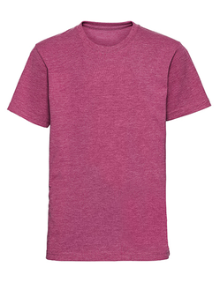
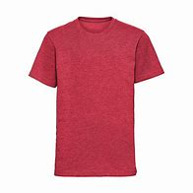
Style 0R165B0 - Kids HD T/Shirts |  |  |  |  |  |  |  | 36PPC
Colour | Code | 116 | 128 | 140 | 152 | 164 |  | Total
 |  | 5/6 | 7/8 | 9/11 | 12/13 | 14/15

Pink Marl | 2P | 36 | 121 | 137 | 173 | 152 |  | 619
Red Marl | RM | 285 | 184 | 162 | 212 | 199 |  | 1042

Total |  | 321 | 305 | 299 | 385 | 351 |  | 1661 |  |  |  | 1661
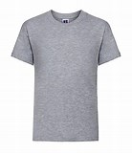
Style 0R180B0 - Kids Classic T/Shirt |  |  |  |  |  | 100% Cotton 180 Gsm |  |  | 72PPC
Colour |  | 90 | 104 | 116 | 128 | 140 | 152 |  | Total
 |  | 1-2 | 3-4 | 5-6 | 7-8 | 9-10 | 11-12

Lt. Oxford |  | 1340 | 682 | 317 | 870 | 1124 | 1729 |  | 6062 |  |  | 6062

 |  |  |  |  |  |  |  | KIDS T/SHIRTS |  |  | 37506

Style 0610170 - Girls Softspun T/Shirts |  |  |  |  |  | 100% Cotton 165 Gsm
Colour |  | 104 | 116 | 128 | 140 | 152 | 164 |  | Total

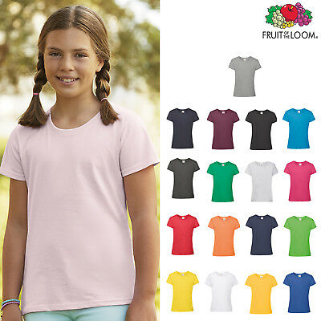
White |  | 37 | 423 | 190 | 80 | 222 | 18 |  | 970
Sunflower |  | 158 | 70 | 270 | 281 | 245 | 108 |  | 1132
Burgundy |  | 239 | 181 | 329 | 325 | 184 | 173 |  | 1431
Orange |  | 302 | 198 | 248 | 340 | 272 | 154 |  | 1514
Kelly Green |  | 67 | 413 | 214 | 190 | 151 | 144 |  | 1179
Royal |  | 161 | 142 | 128 | 223 | 366 | 137 |  | 1157
Lt. Pink |  | 146 | 142 | 195 | 259 | 189 | 83 |  | 1014
Fuschia |  | 283 | 223 | 301 | 228 | 341 | 254 |  | 1630
H. Grey |  | 183 | 220 | 159 | 361 | 247 | 167 |  | 1337
D. Navy |  | 72 | 257 | 294 | 147 | 227 | 280 |  | 1277
Lt. Graphite |  | 282 | 200 | 226 | 319 | 49 | 86 |  | 1162
Yellow |  | 111 | 212 | 292 | 264 | 326 | 365 |  | 1570
Lime |  | 302 | 171 | 131 | 110 | 136 | 250 |  | 1100
Zinc |  |  | 163 |  |  |  |  |  | 163
Azure Blue |  | 195 | 200 | 120 | 223 | 85 | 243 |  | 1066

Total |  | 2538 | 3215 | 3097 | 3350 | 3040 | 2462 |  | 17702 |  |  | 17702

 |  |  |  |  |  |  |  | GIRLS T/SHIRTS |  |  | 17702

 |  |  |  | TOTAL T/SHIRTS |  | 65522

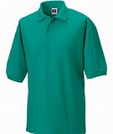
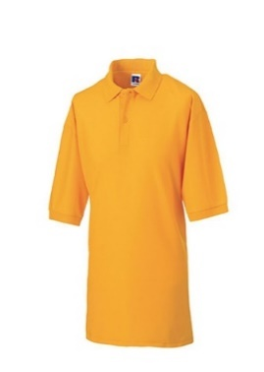
POLOS:
Style 0R539M0 - Men's Class Polo Shirt |  |  |  |  |  | 65/35 Poly Cotton |  |  | 215 Gsm
Colour | Code: | X-Small | Small | Medium | Large | X-Large | 2X-Large |  | Total | 36ppc

Pure Gold | PD | 170 | 71 | 643 | 519 | 291 | 169 |  | 1863
Winter Emerald | WL | 347 | 421 | 69 | 278 | 136 | 229 |  | 1480

Total |  | 517 | 492 | 712 | 797 | 427 | 398 |  | 3343 |  |  | 3343
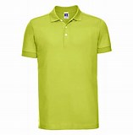
Style 0R566M0 - Men's Stretch Polo Shirt |  |  |  |  |  | 95% Cotton 5% Lycra |  |  | 210 Gsm
Colour |  | Small | Medium | Large | X-Large | 2X-Large | 3X-Large |  | Total | 36ppc

Lime |  | 259 | 616 | 677 | 204 | 127 | 202 |  | 2085 |  |  | 2085

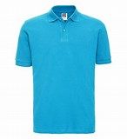
Style 0R569M0 - Men's Classic Polo Shirt |  |  |  |  | 100% Cotton |  | 200Gsm | 36ppc
Colour |  | Small | Medium | Large | X-Large | 2X-Large | 5X-Large |  | Total

Turquoise |  | 357 | 741 | 695 | 792 | 303 | 36 |  | 2924

Total |  | 357 | 741 | 695 | 792 | 303 | 36 |  | 2924 |  |  | 2924

Style 063050 - Original Polo Shirt
Colour |  | X-Small | 36 ppc

White |  | 252 |  |  |  |  |  |  |  |  |  | 252

 |  |  |  |  |  |  |  | ADULT POLO SHIRTS |  |  | 8604
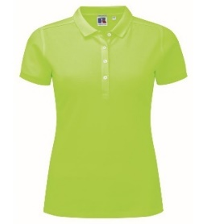
Style 0R566F0 - Ladies Stretch Polo Shirt |  |  |  |  |  | 95% Cotton 5% Lycra |  |  | 210 Gsm
Colour |  | X-Small | Small | Medium | Large | X-Large | 2X-Large |  | Total | 36ppc

Lime |  | 305 | 385 | 191 | 54 | 43 | 46 |  | 1024 |  |  | 1024

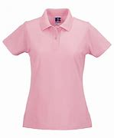
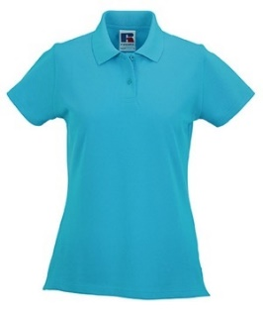
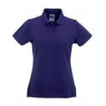
Style 0R569F0 - Ladies Classic Polo Shirt |  |  |  |  | 100% Cotton |  | 200Gsm |  | 36ppc
Colour | Code: | X-Small | Small | Medium | Large | X-Large | 2X-Large |  | Total

Turquoise | 65 | 178 | 797 | 956 | 764 | 429 | 352 |  | 3476
Purple | 81 | 239 | 394 | 191 | 223 | 225 | 247 |  | 1519
Candy Pink | CD | 132 | 187 | 231 | 215 | 196 | 136 |  | 1097

Total |  | 549 | 1378 | 1378 | 1202 | 850 | 735 |  | 6092 |  |  | 6092

 |  |  |  |  |  |  |  | LADIES POLO SHIRTS |  |  | 7116
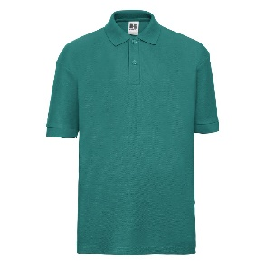
Style 0R539B0 - Kids Class Polo Shirt |  |  |  |  | 65/35 Poly Cotton |  |  | 215 Gsm | 36ppc
Colour |  | 90 | 104 | 116 | 128 | 140 | 152 |  | Total

Winter Emerald |  | 699 | 1528 | 718 | 664 | 232 | 804 |  | 4645 |  |  | 4645

 |  |  |  |  |  |  |  | KIDS POLO SHIRTS |  |  | 4645

 |  |  | TOTAL PIECES |  |  | 85887

