ladies
CODE | PHOTO | DESCRIPTION | COLOUR |  | 4 | 6 | 8 | 10 | 12 | 14 | 16 | 18 | 20 |  | TOTAL | TOTAL

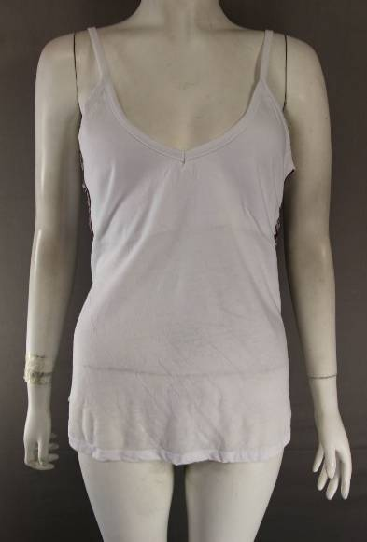

 |  |  |  |  | RATIO PACKED 20 PER BOX. 75 BOXES
 |  |  |  |  |  | 6 | 8 | 10 | 12 | 14 | 16 | 18 | 20
T1 |  | PRIMARK | WHITE |  |  | 1 | 3 | 5 | 5 | 2 | 2 | 1 | 1 |  | 20 | 600
 |  | VEST TOP

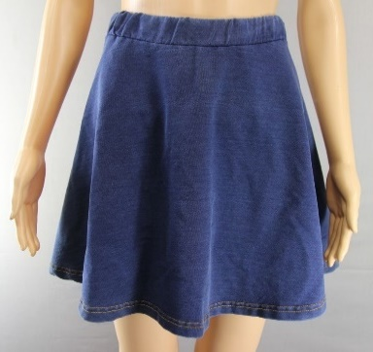

SK1 |  | LOVE LABEL | DENIM |  |  |  | 85 | 85 | 109 | 67 | 67 | 64 |  |  |  | 477
 |  | SKIRT


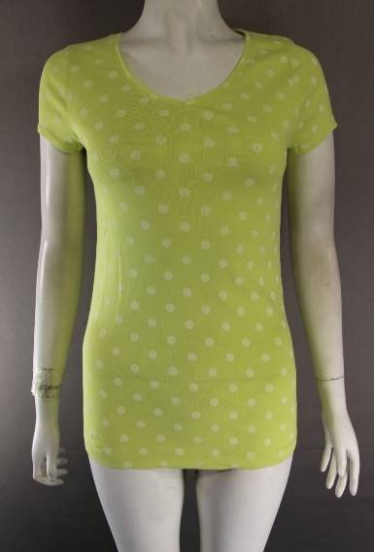

 |  |  |  |  |  | 6 | 8 | 10 | 12 | 14 | 16 | 18 | 20 | 22

T3 |  | NEXT POLKA | YELLOW |  |  | 144 | 432 |  | 576 | 432 | 532 | 288 | 144 |  |  | 2548
 |  | T SHIRT

CODE | PHOTO | DESCRIPTION | COLOUR |  | 4 | 6 | 8 | 10 | 12 | 14 | 16 | 18 | 20 |  | TOTAL | TOTAL
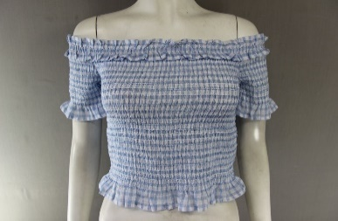

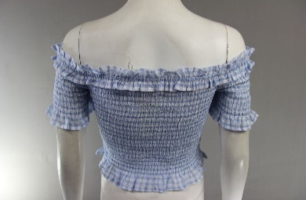
 |  |  |  |  | 4 | 6 | 8 | 10 | 12 | 14
T12 |  | MISS SELFRIDGE | BLUE |  | 2 | 47 | 125 | 153 | 70 | 28 |  |  |  |  |  | 425
 |  | TOP
 |  | RRP £22.00

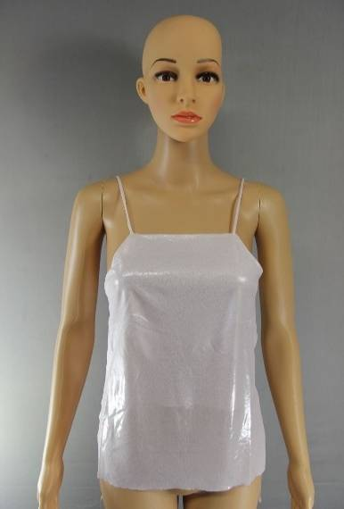

 |  |  |  |  | 4 | 6 | 8 | 10 | 12 | 14 | 16 | 18
T5 |  | TOPSHOP | PINK |  | 12 | 79 | 148 | 122 | 59 | 24 |  |  |  |  |  | 444
 |  | VEST TOP
 |  | RRP £24.00

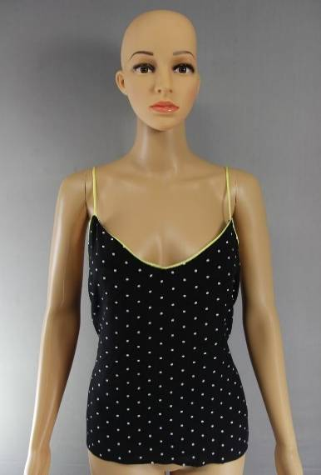

 |  |  |  |  | 4 | 6 | 8 | 10 | 12 | 14 | 16
T6 |  | TOPSHOP | YELLOW |  |  | 225 | 360 | 630 | 291 | 102 | 75 |  |  |  | 1683 | 2188
 |  | SPOT VEST | PINK |  | 15 | 75 | 120 | 145 | 50 |  | 100 |  |  |  | 505
 |  | RRP £22.00

CODE | PHOTO | DESCRIPTION | COLOUR |  | 4 | 6 | 8 | 10 | 12 | 14 | 16 | 18 | 20 |  | TOTAL | TOTAL
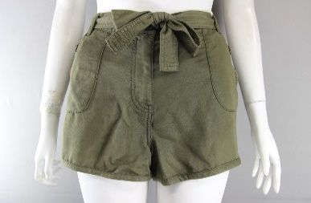

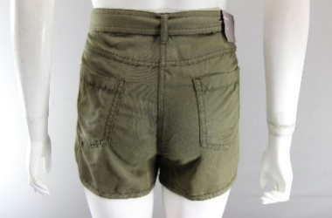
 |  |  |  |  |  | 6 | 8 | 10 | 12 | 14 | 16 | 18
SH1 |  | NEW LOOK | KHAKI |  |  | 11 | 217 | 368 | 370 | 152 | 20 | 10 |  |  |  | 1148
 |  | SHORTS
 |  | RRP £18.00

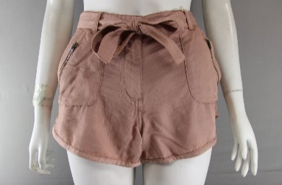

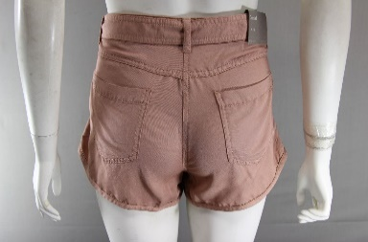
 |  |  |  |  |  | 6 | 8 | 10 | 12 | 14 | 16 | 18
SH1 |  | NEW LOOK | PINK |  |  |  | 87 | 126 | 56 | 19 | 10 | 10 |  |  |  | 308
 |  | SHORTS
 |  | RRP £18.00

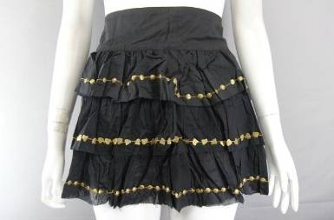

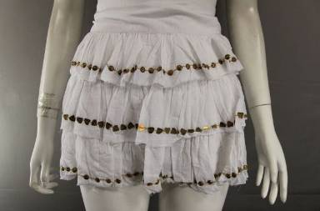
 |  |  |  | 6 | 8 | 10 | 12 | 14 | 16
RI SKT |  | RIVER ISLAND | WHITE | 50 | 600 | 800 | 300 | 250 |  |  |  |  |  |  | 2000 | 6000
 |  | MINI SKIRT | BLACK | 180 | 600 | 1500 | 1200 | 400 | 120 |  |  |  |  |  | 4000

CODE | PHOTO | DESCRIPTION | COLOUR |  | 4 | 6 | 8 | 10 | 12 | 14 | 16 | 18 | 20 |  | TOTAL | TOTAL
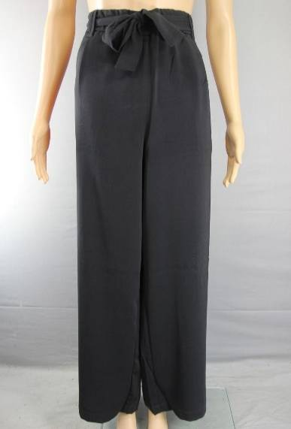

 |  |  |  |  | SIZE 8 TO 18. RATIO PACKED 1/1/2/2/2/1
 |  |  |  |  |  | 8 | 10 | 12 | 14 | 16 | 18
TRS1 |  | TOPAZ | BLACK |  |  | 1 | 1 | 2 | 2 | 2 | 1 |  |  |  |  | 204
 |  | TROUSERS

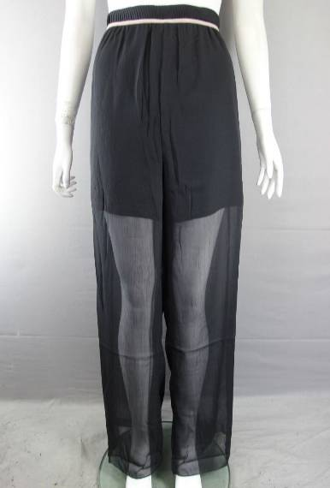

 |  |  |  |  | 34 | 36 | 38 | 40 | 42 | 44
TRS2 |  | LADIES | BLACK |  | 80 | 90 | 50 | 120 | 60 | 10 |  |  |  |  |  | 410
 |  | LONG PANTS

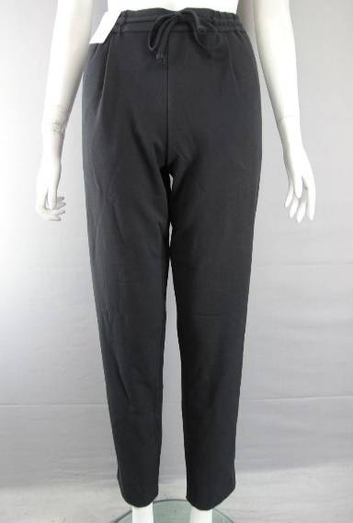

 |  |  |  |  | SIZE 8 TO 18. RATIO PACKED 1/1/2/2/2/1. 27 PER BOX
 |  |  |  |  |  |  | 8 | 10 | 12 | 14 | 16 | 18
TRS3 |  | QUARTZ PANT | BLACK |  |  |  | 1 | 1 | 2 | 2 | 2 | 1 |  |  |  | 81

CODE | PHOTO | DESCRIPTION | COLOUR | 8 | 10 | 12 | 14 | 16 | 18 | 20 | TOTAL |  |  |  | TOTAL | TOTAL
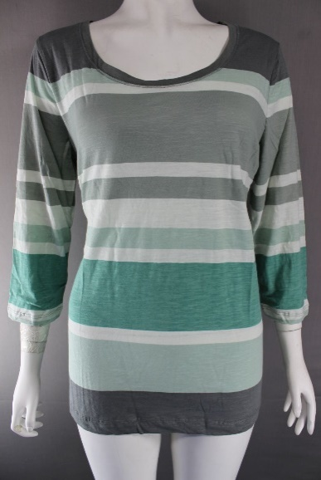

TOP 29 |  | EDDIE BAUER |  | XS | S | M | L | XL | 2XL |  |  |  |  |  |  | 3597
 |  | L/S STRIPE TOP | PEWTER | 458 | 466 | 1318 | 823 | 518 | 14

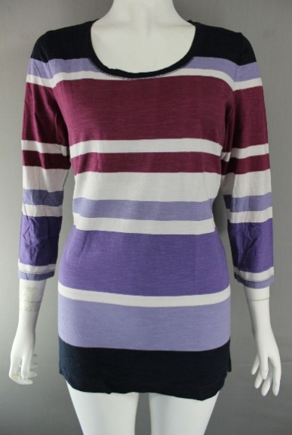

 |  | EDDIE BAUER |  | XS | S | M | L | XL | 2XL
TOP 28 |  | L/S STRIPE TOP | CONCORDE | 98 | 179 | 424 | 182 | 62 | 75 |  |  |  |  |  |  | 1020

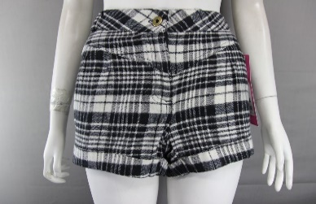

 |  |  |  |  | 10 | 12 | 14 | 16 | 18

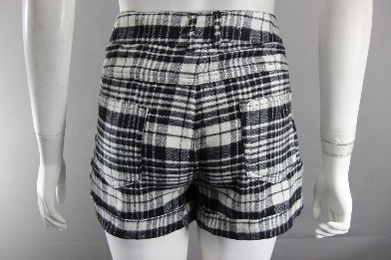
G2SH1 |  | GEORGE | CHECK |  | 80 | 80 | 80 | 80 | 80 |  |  |  |  |  |  | 400
 |  | CHECK SHORTS

CODE | PHOTO | DESCRIPTION | COLOUR | 8 | 10 | 12 | 14 | 16 | 18 | 20 | 22 |  |  |  | TOTAL | TOTAL
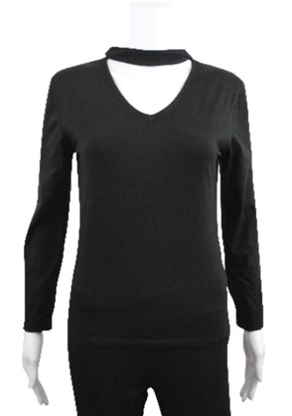

 |  |  |  | 4 | 6 | 8 | 10 | 12 | 14 | 16 | 18 | 20 |  |  | TOTAL
 |  |  |  |  |  |  |  |  |  |  |  |  |  |  | P/BOX
CNT1 |  | WOMENS | BLACK | 1 | 2 | 4 | 6 | 6 | 5 | 3 | 2 | 1 |  |  | 30 | 810
 |  | LONG SLEEVE
 |  | CHOKER TOP

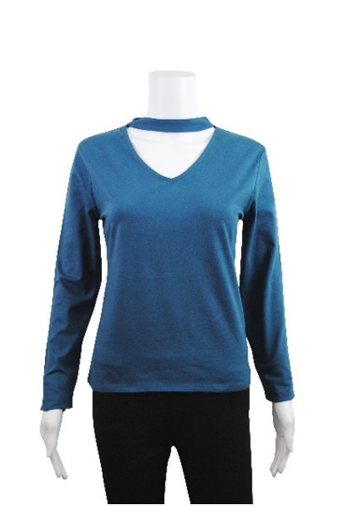

 |  |  |  | 4 | 6 | 8 | 10 | 12 | 14 | 16 | 18 | 20 |  |  | TOTAL
 |  |  |  |  |  |  |  |  |  |  |  |  |  |  | P/BOX
CNT2 |  | WOMENS | TEAL | 1 | 2 | 4 | 6 | 6 | 5 | 3 | 2 | 1 |  |  | 30 | 660
 |  | LONG SLEEVE
 |  | CHOKER TOP

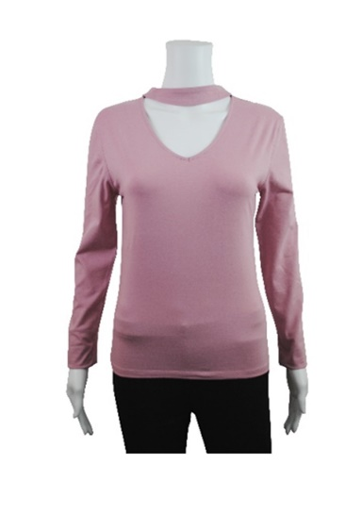

 |  |  |  | 4 | 6 | 8 | 10 | 12 | 14 | 16 | 18 | 20 |  |  | TOTAL
 |  |  |  |  |  |  |  |  |  |  |  |  |  |  | P/BOX
CNT3 |  | WOMENS | PINK | 1 | 2 | 4 | 6 | 6 | 5 | 3 | 2 | 1 |  |  | 30 | 780
 |  | LONG SLEEVE
 |  | CHOKER TOP

CODE | PHOTO | DESCRIPTION | COLOUR | 8 | 10 | 12 | 14 | 16 | 18 | 20 | 22 |  |  |  | TOTAL | TOTAL
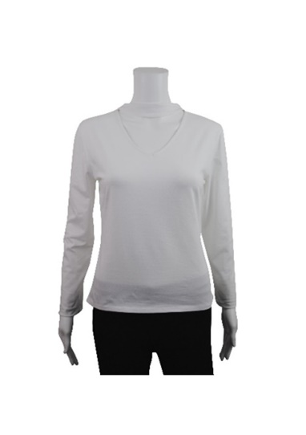
 |  | PLEASE NOTE:
 |  | COLOUR SHOWN
 |  | IS WHITE
 |  | NOT GREY
 |  |  |  | 4 | 6 | 8 | 10 | 12 | 14 | 16 | 18 | 20 |  |  | TOTAL
 |  |  |  |  |  |  |  |  |  |  |  |  |  |  | P/BOX
CNT4 |  | WOMENS | GREY | 1 | 2 | 4 | 6 | 6 | 5 | 3 | 2 | 1 |  |  | 30 | 840
 |  | LONG SLEEVE
 |  | CHOKER TOP

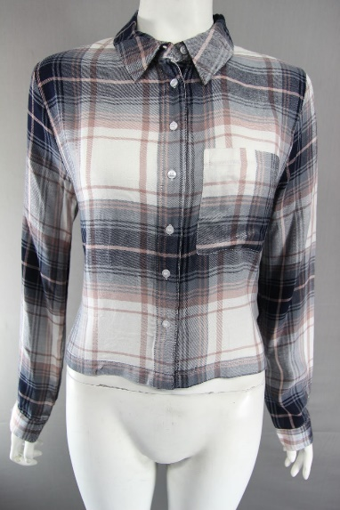

 |  |  |  |  | 6 | 8 | 10 | 12 | 14 | 16 | 18 | 20 |  |  | TOTAL
 |  |  |  |  |  |  |  |  |  |  |  |  |  |  | P/BOX
CHK 1 |  | PRIMARK | BLUSH |  | 4 | 7 | 5 | 5 | 4 | 3 | 2 | 2 |  |  | 32 | 1296
 |  | LADIES CHECK
 |  | SHIRT

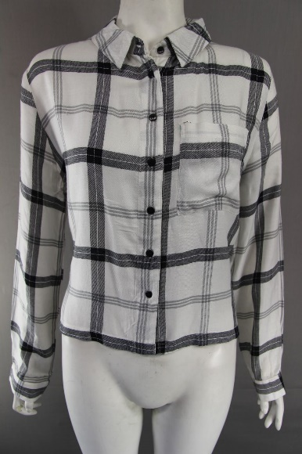

 |  |  |  |  | 6 | 8 | 10 | 12 | 14 | 16 | 18 | 20 |  |  | TOTAL
 |  |  |  |  |  |  |  |  |  |  |  |  |  |  | P/BOX
CHK 2 |  | PRIMARK | WHITE |  | 4 | 7 | 5 | 5 | 4 | 3 | 2 | 2 |  |  | 32 | 1440
 |  | LADIES CHECK
 |  | SHIRT

CODE | PHOTO | DESCRIPTION | COLOUR | 8 | 10 | 12 | 14 | 16 | 18 | 20 | 22 |  |  |  | TOTAL | TOTAL

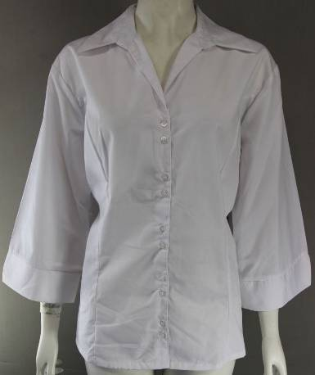

 |  |  |  | 8 | 10 | 18 | 20 | 22 | 24

CHK 2 |  | PRIMARK | WHITE |  |  |  |  | 500 | 3500 |  |  |  |  |  |  | 4000
 |  | LADIES CHECK
 |  | SHIRT

 |  |  |  |  |  |  |  |  |  |  |  |  |  |  | TOTAL | 29676

