ATLASGROUP
Cod.Art. | Family | Description | Pieces | Price List | Totale Price List | Photo
E130600511 | ADAMAS | Applique ADAMAS 4X1W 350 mA 3000K 10° | 25 | 252.00 € | 6,300.00 € | 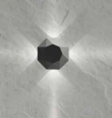
E130600513 | ADAMAS | Applique ADAMAS 4X1W 350 mA 3000K 60° | 15 | 252.00 € | 3,780.00 €
E130600531 | ADAMAS | Applique ADAMAS 4X1W 350 mA 4000K 10° | 32 | 252.00 € | 8,064.00 €
E130600532 | ADAMAS | Applique ADAMAS 4X1W 350 mA 4000K 40° | 21 | 252.00 € | 5,292.00 €
E130600533 | ADAMAS | Applique ADAMAS 4X1W 350 mA 4000K 60° | 22 | 252.00 € | 5,544.00 €
E130700531 | ADAMAS | Applique ADAMAS 8X1W 350 mA 4000K 10° | 4 | 329.00 € | 1,316.00 € | 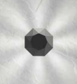
E130700532 | ADAMAS | Applique ADAMAS 8X1W 350 mA 4000K 40° | 61 | 329.00 € | 20,069.00 €
E750900212 | ALDUS | Inc tec ALDUS 1X30W 700mA 3000K 35° | 44 | 159.00 € | 6,996.00 € | 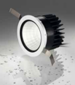
E750900232 | ALDUS | Inc tec ALDUS 1X30W 700mA 4000K 35° | 72 | 159.00 € | 11,448.00 €
E750900712 | ALDUS | Inc tec ALDUS 1X30W 700mA 3000K 35° | 26 | 159.00 € | 4,134.00 €
E750900732 | ALDUS | Inc tec ALDUS 1X30W 700mA 4000K 35° | 16 | 159.00 € | 2,544.00 €
SPALRISHXXXXE27 | ALRISHA | SOSPENSIONE ALRISHA | 21 | 2,800.00 € | 58,800.00 € | 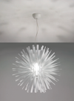
E130400511 | ASPERITAS | Applique ASPERITAS 1X3W 700 mA 3000K 10° | 6 | 105.00 € | 630.00 € | 
E130400533 | ASPERITAS | Applique ASPERITAS 1X3W 700 mA 4000K 60° | 31 | 105.00 € | 3,255.00 €
APBALI40BCBCFLE | BALIOS | APPLIQUE BALIOS 40 BIANCO FLAT | 2 | 338.00 € | 676.00 € | 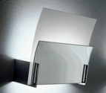
APBALI40TATAFLE | BALIOS | APPLIQUE BALIOS 40 TABACCO FLAT | 3 | 357.00 € | 1,071.00 € | 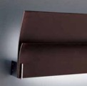
APBALI40TATAR7S | BALIOS | APPLIQUE BALIOS 40 TABACCO R7S | 8 | 321.00 € | 2,568.00 € | 
PLBEL03012VVEXX | BELL | PLAF. BELL 030 12V VERDE | 1 | 348.00 € | 348.00 € | 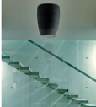
PLBEL05012VNEXX | BELL | PLAF. BELL 050 12V NERO | 1 | 769.00 € | 769.00 €
AP10XXXXRSXXE27 | Bora | APPLIQUE BORA ROSSO E27 | 1 | 175.00 € | 175.00 € | 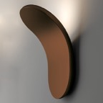
APCLAV45NEXXFLE | Clavius | APPLIQUE CLAVIUS 45 NERO FLAT ELETTRONIC | 1 | 502.00 € | 502.00 € | 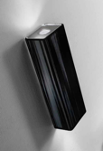
APCLAV45TAXXALO | Clavius | APPLIQUE CLAVIUS 45 TABACCO HALOPAR | 2 | 424.00 € | 848.00 €
APCLAV45TAXXFLE | Clavius | APPLIQUE CLAVIUS 45 TABACCO FLAT ELETTRO | 4 | 502.00 € | 2,008.00 €
APCLAVGRNEXXFLE | Clavius | APPLIQUE CLAVIUS GRANDE NERO FLAT | 5 | 882.00 € | 4,410.00 € | 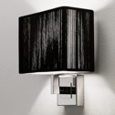
SPCLA140SAORLED | Clavius | SOSPENSIONE CLAVIUS140 SABBIA ORO LED | 2 | 1,276.00 € | 2,552.00 € | 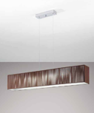
SPCLA140TACRLED | Clavius | SOSPENSIONE CLAVIUS 140 TABACCO LED | 1 | 1,160.00 € | 1,160.00 €
UTCLAV60BCCRE26 | Clavius | PIANTANA CLAVIUS 60X60 BIANCO USA | 3 | 1,503.00 € | 4,509.00 € | 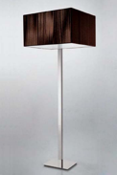
UTCLAV60NECRE26 | Clavius | PIANTANA CLAVIUS 60X60 NERO USA | 3 | 1,503.00 € | 4,509.00 €
UTCLAV60TACRE26 | Clavius | PIANTANA CLAVIUS 60X60 TABACCO USA | 2 | 1,503.00 € | 3,006.00 €
ZACLAV45NEXXE14 | Clavius | APPLIQUE CLAVIUS 45 NERO E14 | 2 | 335.00 € | 670.00 €
E130100614 | CYMA | Applique CYMA 2X6W 700 mA 3000K diffuso | 46 | 192.00 € | 8,832.00 € | 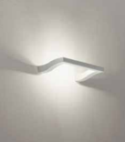
E130100634 | CYMA | Applique CYMA 2X6W 700 mA 4000K diffuso | 62 | 192.00 € | 11,904.00 €
APDAM030FLEBCXX | DAMASCO | APPL. DAMASCO 030 FLE BIANCO | 1 | 347.00 € | 347.00 €
LTDAM032E27GRXX | DAMASCO | LAMP. DA TAV. DAMASCO 032 E27 GRIGIO | 1 | 712.00 € | 712.00 €
SPDAM032FLEGRXX | DAMASCO | SOSP. DAMASCO 032 FLE GRIGIO | 1 | 399.00 € | 399.00 €
E750500213 | DELMINIO | Inc tec DELMINIO 40 1X6W 700mA 3000K 40° | 62 | 94.00 € | 5,828.00 € | 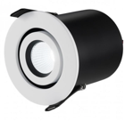
E750500233 | DELMINIO | Inc tec DELMINIO 40 1X6W 700mA 4000K 40° | 46 | 94.00 € | 4,324.00 €
E750500733 | DELMINIO | Inc tec DELMINIO 40 1X6W 700mA 4000K 40° | 44 | 94.00 € | 4,136.00 €
E750600212 | DELMINIO | Inc tec DELMINIO 20 1X6W 700mA 3000K 20° | 76 | 94.00 € | 7,144.00 €
E750600232 | DELMINIO | Inc tec DELMINIO 20 1X6W 700mA 4000K 20° | 66 | 94.00 € | 6,204.00 €
E750600712 | DELMINIO | Inc tec DELMINIO 20 1X6W 700mA 3000K 20° | 102 | 94.00 € | 9,588.00 €
E750600732 | DELMINIO | Inc tec DELMINIO 20 1X6W 700mA 4000K 20° | 70 | 94.00 € | 6,580.00 €
APEXTR40BLXXR7S | EXTREME | APPLIQUE EXTREME 40 VETRO BLU | 1 | 476.00 € | 476.00 € | 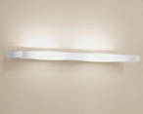
E751700712 | FICINUS | Inc tec FICINUS 1 1X6W 700mA 3000K 40° | 44 | 105.00 € | 4,620.00 € | 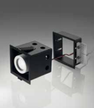
E751700732 | FICINUS | Inc tec FICINUS 1 1X6W 700mA 4000K 40° | 36 | 105.00 € | 3,780.00 €
E751800732 | FICINUS | Inc tec FICINUS 2 2X6W 700mA 4000K 40° | 16 | 180.00 € | 2,880.00 €
E751900712 | FICINUS | Inc tec FICINUS 3 3X6W 700mA 3000K 40° | 37 | 268.00 € | 9,916.00 €
E751900732 | FICINUS | Inc tec FICINUS 3 3X6W 700mA 4000K 40° | 37 | 268.00 € | 9,916.00 €
E130500511 | FRAGMENTA | Applique FRAGMENTA 2X3W 700 mA 3000K 10° | 21 | 204.00 € | 4,284.00 € | 
E130500531 | FRAGMENTA | Applique FRAGMENTA 2X3W 700mA 4000K 10° | 4 | 204.00 € | 816.00 €
FAGLITTESPCRE27 | GLITTER | SPOT GLITTER | 17 | 622.00 € | 10,574.00 €
PLKOSHIXWECRR7S | KOSHI | PLAFONIERA KOSHI | 9 | 497.00 € | 4,473.00 € | 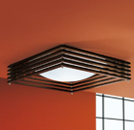
ULKOSHIPWECRG9X | KOSHI | LAMPADA DA TAVOLO KOSHI PICCOLA USA | 2 | 281.00 € | 562.00 €
E750700212 | LANDINUS | Inc tec LANDINUS 1X13W 1000mA 3000K 24° | 98 | 119.00 € | 11,662.00 € | 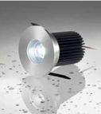
E750700213 | LANDINUS | Inc tec LANDINUS 1X13W 1000mA 3000K 50° | 48 | 119.00 € | 5,712.00 €
E750700232 | LANDINUS | Inc tec LANDINUS 1X13W 1000mA 4000K 24° | 59 | 119.00 € | 7,021.00 €
E750700233 | LANDINUS | Inc tec LANDINUS 1X13W 1000mA 4000K 50° | 58 | 119.00 € | 6,902.00 €
E750700712 | LANDINUS | Inc tec LANDINUS 1X13W 1000mA 3000K 24° | 60 | 119.00 € | 7,140.00 €
E750700713 | LANDINUS | Inc tec LANDINUS 1X13W 1000mA 3000K 50° | 51 | 119.00 € | 6,069.00 €
E750700732 | LANDINUS | Inc tec LANDINUS 1X13W 1000mA 4000K 24° | 55 | 119.00 € | 6,545.00 €
E750700733 | LANDINUS | Inc tec LANDINUS 1X13W 1000mA 4000K 50° | 48 | 119.00 € | 5,712.00 €
SPLEDGEXRSCRLED | LEDGE | SOSPENSIONE LEDGE ROSSO | 10 | 640.00 € | 6,400.00 €
APMARYLICSNIE27 | MARYLIN | APPLIQUE MARYLIN NICKEL | 34 | 483.00 € | 16,422.00 € | 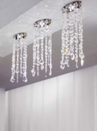
APMARYLINENIE27 | MARYLIN | APPLIQUE MARYLIN NICKEL NERO | 7 | 721.00 € | 5,047.00 €
FAMARYLICSNI12V | MARYLIN | FARETTO MARYLIN CROMO CRISTALLO | 7 | 230.00 € | 1,610.00 € | 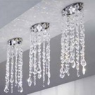
PLMARY12CSNIG9X | MARYLIN | PLAFONIERA MARYLIN PICCOLA NICKEL | 2 | 379.00 € | 758.00 €
PLMARY12NENIG9X | MARYLIN | PLAFONIERA MARYLIN PICCOLA NICKEL NERO | 13 | 570.00 € | 7,410.00 € | 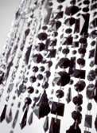
SPMARY36NENIG9X | MARYLIN | SOSPENSIONE MARYLIN 36 NICKEL NERO | 5 | 1,316.00 € | 6,580.00 € | 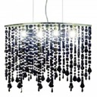
PLMU120QBCXXFLE | MUSE | PLAFONIERA MUSE120X120 BIANCO FLAT 55 | 1 | 555.00 € | 555.00 € | 
APOBIXXXBCBCE14 | OBI | APPLIQUE OBI BIANCO E 14 | 1 | 278.00 € | 278.00 €
APOBIXXXNEBCE14 | OBI | APPLIQUE OBI NERO E 14 | 1 | 278.00 € | 278.00 €
APOBIXXXTABCE14 | OBI | APPLIQUE OBI TABACCO E 14 | 15 | 278.00 € | 4,170.00 €
LTOBIXXXTACRE27 | OBI | LAMPADA TAVOLO OBI TABACCO CROMO E27 | 6 | 943.00 € | 5,658.00 € | 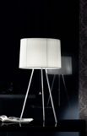
SPOBI20XBCCRE27 | OBI | SOSPENSIONE OBI 20 BIANCO CROMO E27 | 3 | 429.00 € | 1,287.00 € | 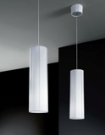
SPOBI20XTACRE27 | OBI | SOSPENSIONE OBI 20 TABACCO CROMO E27 | 1 | 429.00 € | 429.00 €
SPOBI43XTACRE27 | OBI | SOSPENSIONE OBI 43 TABACCO CROMO E27 | 4 | 554.00 € | 2,216.00 € | 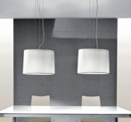
SPOBI63XTACRE27 | OBI | SOSPENSIONE OBI 63 TABACCO CROMO E27 | 1 | 704.00 € | 704.00 € | 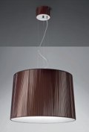
USOBI43XTACRE26 | OBI | SOSPENSIONE OBI 43 TABACCO CROMO E26 | 1 | 554.00 € | 554.00 €
E750100714 | PICUS | Inc tec PICUS 1X1W 350mA 3000K diffuso | 5 | 41.00 € | 205.00 € | 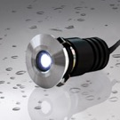
E753400714 | PICUS2 | Inc tec PICUS2 1X1W 350mA 3000K diffuso | 143 | 41.00 € | 5,863.00 €
E953100312 | PLETON | Inc calp PLETON 40 1X4W 24V 3000K 40° | 2 | 127.00 € | 254.00 € | 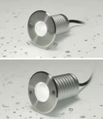
E953100332 | PLETON | Inc calp PLETON 40 1X4W 24V 4000K 40° | 1 | 127.00 € | 127.00 €
E750200211 | POLITIANUS | Inc tec POLITIANUS 1X3W 700mA 3000K 10° | 100 | 34.00 € | 3,400.00 € | 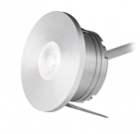
E750200212 | POLITIANUS | Inc tec POLITIANUS 1X3W 700mA 3000K 25° | 80 | 34.00 € | 2,720.00 €
E750200213 | POLITIANUS | Inc tec POLITIANUS 1X3W 700mA 3000K 40° | 10 | 34.00 € | 340.00 €
E750200231 | POLITIANUS | Inc tec POLITIANUS 1X3W 700mA 4000K 10° | 33 | 34.00 € | 1,122.00 €
E750200232 | POLITIANUS | Inc tec POLITIANUS 1X3W 700mA 4000K 25° | 2 | 34.00 € | 68.00 €
E750200713 | POLITIANUS | Inc tec POLITIANUS 1X3W 700mA 3000K 40° | 16 | 34.00 € | 544.00 €
E750200731 | POLITIANUS | Inc tec POLITIANUS 1X3W 700mA 4000K 10° | 35 | 34.00 € | 1,190.00 €
E750200732 | POLITIANUS | Inc tec POLITIANUS 1X3W 700mA 4000K 25° | 13 | 34.00 € | 442.00 €
E952900312 | PONTANUS | Inc calp PONTANUS 1X3W 500mA 3000K 38° | 90 | 89.00 € | 8,010.00 € | 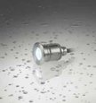
E952900313 | PONTANUS | Inc calp PONTANUS 1X3W 500mA 3000K 60° | 61 | 89.00 € | 5,429.00 €
E111180734 | RYTHMOS | Ap RYTHMOS 18X0,5W 350mA 4000K diffuso | 41 | 222.00 € | 9,102.00 € | 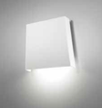
E111190734 | RYTHMOS | Ap RYTHMOS 36X0,5W 350mA 4000K diffuso | 38 | 272.00 € | 10,336.00 €
E111200700 | RYTHMOS | Applique RYTHMOS testata | 52 | 138.00 € | 7,176.00 € | 
E111280714 | RYTHMOS | Ap RYTHMOS test 18X0,5W 350mA 3000K diff | 43 | 222.00 € | 9,546.00 €
E111280734 | RYTHMOS | Ap RYTHMOS test 18X0,5W 350mA 4000K diff | 27 | 222.00 € | 5,994.00 €
E111290714 | RYTHMOS | Ap RYTHMOS test 36X0,5W 350mA 3000K diff | 52 | 272.00 € | 14,144.00 €
E111290734 | RYTHMOS | Ap RYTHMOS test 36X0,5W 350mA 4000K diff | 22 | 272.00 € | 5,984.00 €
E111300700 | RYTHMOS | Applique RYTHMOS centrale | 58 | 138.00 € | 8,004.00 € | 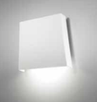
E211510734 | RYTHMOS | Sosp RYTHMOS 18X0,5W 350mA 4000K diffuso | 17 | 310.00 € | 5,270.00 € | 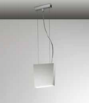
E211610734 | RYTHMOS | Sosp RYTHMOS 36X0,5W 350mA 4000K diffuso | 24 | 353.00 € | 8,472.00 €
E110600614 | SINUS | Ap SINUS 6X1W 350mA 3000K diffuso | 37 | 251.00 € | 9,287.00 € | 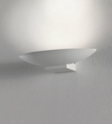
E110600634 | SINUS | Ap SINUS 6X1W 350mA 4000K diffuso | 89 | 251.00 € | 22,339.00 €
E210610614 | SINUS | Sosp SINUS 6X1,5W 800mA 3000K diffuso | 147 | 288.00 € | 42,336.00 € | 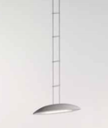
E210610634 | SINUS | Sosp SINUS 6X1,5W 800mA 4000K diffuso | 98 | 288.00 € | 28,224.00 €
APSKI040FLEBAXX | SKIN | APPL. SKIN 040 FLE BIANCO AVORIO | 2 | 354.00 € | 708.00 € | 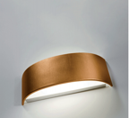
APSKI040FLENEXX | SKIN | APPL. SKIN 040 FLE NERO | 4 | 354.00 € | 1,416.00 €
APSKI070FLEARXX | SKIN | APPL. SKIN 070 FLE ARANCIO | 1 | 442.00 € | 442.00 € | 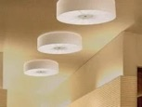
APSKI070FLEBCXX | SKIN | APPL. SKIN 070 FLE BIANCO | 1 | 442.00 € | 442.00 €
APSKR028FLEXXRS | SKIRT | APPL. SKIRT 028 FLE ROSSO | 1 | 380.00 € | 380.00 € | 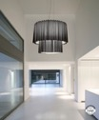
APSLIGHTRSCRE14 | SLIGHT | APPLIQUE SLIGHT ROSSA | 10 | 332.00 € | 3,320.00 €
LTSLIGHPRSCRE14 | SLIGHT | LAMPADA TAVOLO SLIGHT PICCOLA ROSSA | 2 | 399.00 € | 798.00 € | 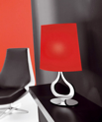
SPSLIGHTRSCRE27 | SLIGHT | SOSPENSIONE SLIGHT ROSSA | 3 | 769.00 € | 2,307.00 € | 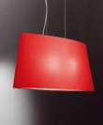
E210410614 | SOL | Sospensione SOL 2X9W 700 mA 3000K | 78 | 329.00 € | 25,662.00 € | 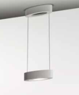
E210410634 | SOL | Sospensione SOL 2X9W 700 mA 4000K | 83 | 329.00 € | 27,307.00 €
E310400614 | SOL | PL SOL 1X9W 700mA 3000K diffuso | 168 | 265.00 € | 44,520.00 €
E310400634 | SOL | Plafoniera SOL 1X9W 700 mA 4000K | 30 | 265.00 € | 7,950.00 € | 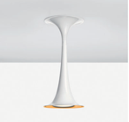
E750800212 | STELLATUS | Inc tec STELLATUS 1X13W 1000mA 3000K 24° | 41 | 138.00 € | 5,658.00 €
E750800213 | STELLATUS | Inc tec STELLATUS 1X13W 1000mA 3000K 50° | 27 | 138.00 € | 3,726.00 €
E750800232 | STELLATUS | Inc tec STELLATUS 1X13W 1000mA 4000K 24° | 52 | 138.00 € | 7,176.00 €
E750800233 | STELLATUS | Inc tec STELLATUS 1X13W 1000mA 4000K 50° | 54 | 138.00 € | 7,452.00 €
E750800712 | STELLATUS | Inc tec STELLATUS 1X13W 1000mA 3000K 24° | 36 | 138.00 € | 4,968.00 €
E750800713 | STELLATUS | Inc tec STELLATUS 1X13W 1000mA 3000K 50° | 14 | 138.00 € | 1,932.00 €
E750800732 | STELLATUS | Inc tec STELLATUS 1X13W 1000mA 4000K 24° | 48 | 138.00 € | 6,624.00 €
E750800733 | STELLATUS | Inc tec STELLATUS 1X13W 1000mA 4000K 50° | 45 | 138.00 € | 6,210.00 €
E110000433 | STILLA | Applique STILLA 1X7W 4000K 56° | 4 | 241.00 € | 964.00 € | 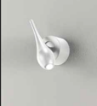
E110000713 | STILLA | Applique STILLA 1X8,4W LED 3000K 56° | 6 | 241.00 € | 1,446.00 €
E210060412 | STILLA | Sosp STILLA 1X7W 350 mA 3000K 47° | 1 | 277.00 € | 277.00 € | 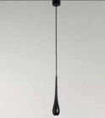
E210060413 | STILLA | Sosp STILLA 1X7W 350 mA 3000K 56° | 4 | 277.00 € | 1,108.00 €
E310000413 | STILLA | Plafoniera STILLA 11,8W LED 3000K 56° | 108 | 264.00 € | 28,512.00 € | 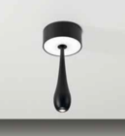
E310000433 | STILLA | Plafoniera STILLA 1X6W 12V 4000K 56° | 64 | 264.00 € | 16,896.00 €
E310000712 | STILLA | Plafoniera STILLA 11,8W LED 3000K 47° | 23 | 264.00 € | 6,072.00 €
USSUNSH1MONTATU | SUNSHADE | MONTATURA+SCATOLA SP.SUNSHADE 1 L. USA | 44 | 236.00 € | 10,384.00 € | 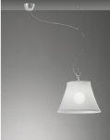
E750300213 | TELESIUS | Inc tec TELESIUS 40 1X6W 700mA 3000K 40° | 19 | 66.00 € | 1,254.00 € | 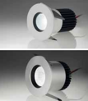
E750300233 | TELESIUS | Inc tec TELESIUS 40 1X7W 350mA 4000K 40° | 94 | 66.00 € | 6,204.00 €
E750300713 | TELESIUS | Inc tecTELESIUS 40 1X7W 350mA 3000K 40° | 54 | 66.00 € | 3,564.00 €
E750300733 | TELESIUS | Inc tec TELESIUS 40 1X6W 700mA 4000K 40° | 30 | 66.00 € | 1,980.00 €
E750400212 | TELESIUS | Inc tec TELESIUS 20 1X6W 700mA 3000K 20° | 83 | 78.00 € | 6,474.00 €
E750400232 | TELESIUS | Inc tec TELESIUS 20 1X6W 700mA 4000K 20° | 44 | 78.00 € | 3,432.00 €
E750400712 | TELESIUS | Inc tec TELESIUS 20 1X6W 700mA 3000K 20° | 4 | 78.00 € | 312.00 €
E750400732 | TELESIUS | Inc tec TELESIUS 20 1X6W 700mA 4000K 20° | 58 | 78.00 € | 4,524.00 €
APVEL070FLEBAXX | VELVET | APPL. VELVET 070 FLE AVORIO | 3 | 466.00 € | 1,398.00 € | 
E310100732 | VIRTUS | PL VIRTUS 2X3W 12V 4000K diff/directio | 4 | 280.00 € | 1,120.00 € | 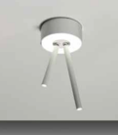
E310700734 | VOLUPTAS | Plafo VOLUPTAS 4X1W 700mA 4000K diffuso | 35 | 181.00 € | 6,335.00 € | 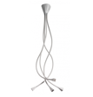
E310800714 | VOLUPTAS | PL VOLUPTAS 140 4X1W 700mA 3000K diffuso | 8 | 181.00 € | 1,448.00 €
E310800734 | VOLUPTAS | PL VOLUPTAS 140 4X1W 700mA 4000K diffuso | 40 | 181.00 € | 7,240.00 €
E310900714 | VOLUPTAS | PL VOLUPTAS 4-140 16X1W 700mA 3000K diff | 97 | 549.00 € | 53,253.00 €
E310900734 | VOLUPTAS | PL VOLUPTAS 4-140 16X1W 700mA 4000K diff | 1 | 549.00 € | 549.00 €
AP15XXXXBCXXE27 |  | APPLIQUE WHISPER BIANCO E27 | 2.00 | 90.00 € | 180.00 €
AP22XXXXBCXXE27 |  | APPLIQUE ARIA BIANCO E27 | 1.00 |  | 0.00 €
APPEGASURSXXE14 |  | APPLIQUE PEGASUS 2 LUCI ROSSO | 2.00 | 543.00 € | 1,086.00 €
APPRI1BRCSCR12V |  | APPLIQUE PRIMULA 1 LUCE BRACCIO | 1.00 | 237.00 € | 237.00 €
E110000413 |  | Applique STILLA 1X8,4W LED 3000K 56° | 35.00 | 241.00 € | 8,435.00 €
E652660612 |  | Proiettore LEON 15 1X15W 220V 3000K 40° | 21.00 | 276.00 € | 5,796.00 €
E652660631 |  | Proiettore LEON 15 1X15W 220V 4000K 24° | 2.00 | 276.00 € | 552.00 €
E652660632 |  | Proiettore LEON 15 1X15W 220V 4000K 40° | 62.00 | 276.00 € | 17,112.00 €
E652760612 |  | Proiettore LEON 26 1X26W 220V 3000K 40° | 21.00 | 358.00 € | 7,518.00 €
E652760631 |  | Proiettore LEON 26 1X26W 220V 4000K 24° | 4.00 | 358.00 € | 1,432.00 €
E652760632 |  | Proiettore LEON 26 1X26W 220V 4000K 40° | 7.00 | 358.00 € | 2,506.00 €
E652860631 |  | Proiettore LEON 42 1X42W 220V 4000K 24° | 72.00 | 531.00 € | 38,232.00 €
E652860632 |  | Proiettore LEON 42 1X42W 220V 4000K 40° | 6.00 | 531.00 € | 3,186.00 €
LTLEDGEXRSCRLED |  | LAMPADA DA TAVOLO LEDGE ROSSO | 1.00 | 893.00 € | 893.00 €
LTLOLLOPNELEE14 |  | LAMPADA TAVOLO PIC. LEGNO NERO | 1.00 | 192.00 € | 192.00 €
LTSPILLGRSCR12V |  | LAMPADA GRANDE SPILLRAY ROSSO | 2.00 | 463.00 € | 926.00 €
LTSPILLPARCR12V |  | LAMPADA PICCOLA SPILLRAY ARANCIO | 3.00 | 382.00 € | 1,146.00 €
LTSPILLPCSCR12V |  | LAMPADA PICCOLA SPILLRAY CRISTALLO | 2.00 | 307.00 € | 614.00 €
PL31XXXXBCXXG9X |  | PLAFONIERA FLAT G9 | 1.00 | 90.00 € | 90.00 €
PTSUNSHAMONTATU |  | MONTATURA+SCATOLA PT SUNSHADE | 6.00 | 410.00 € | 2,460.00 €
SPPRIMP1CSCR12V |  | SOSPENSIONE PRIMULA PICCOLA 1 LUCE | 1.00 | 237.00 € | 237.00 €
SPSUBZDECSCR12V |  | SOSP. SUBZERO DEC | 1.00 | 90.00 € | 90.00 €
SPSUNDE1MONTATU |  | MONTATURA +SCATOLA SP SUNSHADE 1 DEC | 40.00 | 242.00 € | 9,680.00 €
SPSUNSH1MONTATU |  | MONTATURA+SCATOLA SP.SUNSHADE 1 L. | 169.00 | 256.00 € | 43,264.00 €
ULSUBZERVACRE12 |  | LAMPADA DA TAVOLO SUBZERO VANIGLIA/ORO | 1.00 | 230.00 € | 230.00 €
 |  | TOTALE | 5,155 |  | 1,089,133.00 €

