Sheet1
Product Code | Description | COST PRICE | RRP | EAN | QTYS AVAILABLE TBC | Image
5386 | Playmobil 5386 History Pharaoh's Pyramid with Hidden Tombs and Traps | £37.00 | £79.99 | 4008789053862 | 4739 | 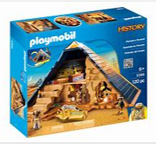
9373 | Playmobil 9373 Wild Life Floating Noah's Ark with Functioning Crane | £47.00 | £79.99 | 4008789093738 | 1091 | 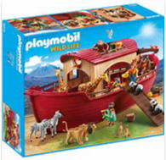
70147 | Playmobil 70147 City Action Floating Fire Rescue Boat with Underwater Motor | £27.00 | £49.99 | 4008789701473 | 224 | 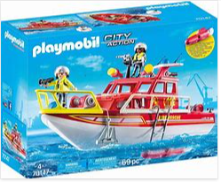
70151 | Playmobil 70151 Pirate Ship with Underwater Motor | £27.00 | £49.99 | 4008789701510 | 100 | 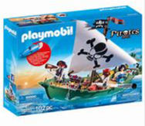
5673 | Playmobil 5673 City Action Police Cruiser | £17.50 | £29.99 | 4008789056733 | 100 | 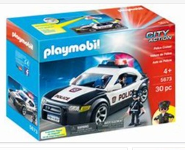
70244 | Playmobil 70244 Sports & Action Take Along Football Arena with Kicking Function | £39.00 | £69.99 | 4008789702449 | 1300 | 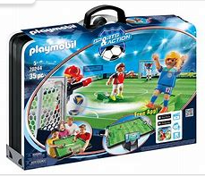
5024 | Playmobil 5024 City Life Children's Playground | £30.00 | £59.99 | 4008789050243 | 3469 | 