PI
Contact person: |  |  |  |  |  | Contract No.:ADIV20210723B Date:23th,July. 2021
No. | Item Name & Specification | Unit | Area (m²/set) | Total Qty (set) | Total Area (m²) | Unit Price (USD)/set | Total Amount (USD) | Remark
1 | Cafe Expandable container Package size 2.2Mx5.8Mx2.5H unfold size 6.3Mx5.8Mx2.5h | Set | 36.54 | 2.00 | 73.08 | 9950.00 | 19900.00 | 1: Roof structure :Galavanized Steel frame 100*50mm & 50*50mm square tube 2: Base structure: Galavanized Steel frame 140*140mm & 80*40mm square tube + 15mm waterproof plywood board for flooring 3: 50mm EPS sandwich panel for exterior wall 4: Roof insulation is 0.4mm single steel sheet outside covering + 100mm Glass wool insulation + 2mm plastic ceiling. 5: 2mm PVC flooring tile 6: Single steel door at entrance 1sets 7: Sandwich panel awning at front
Amount (USD) |  |  |  |  |  |  | 19900.00
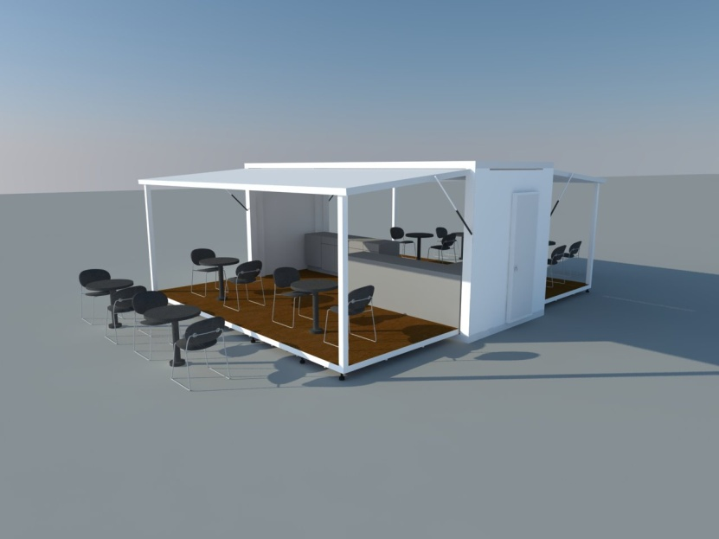 |  |  |  | 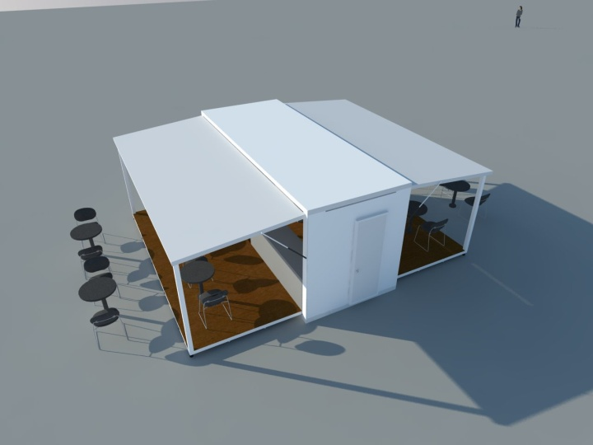
Remark:
1\The price above is FOB Guangzhou Price.
2\The above price doesn't include the water, sanitary, furniture and installation.
3\Payment term:50% deposit before production by TT , 50% balance before loading by TT.
4\Delivery date: 15 days after receiving 100% balance and confirming every detail.
5\The above price is valid for 14 days.

