Foglio1
Photo | Product | Expire Date | Pieces | Carton | Pallet | RRP. | Offer | TOT.Offer | TOT. RRP.
 | 040113 - YOGURTERIA FROZEN YOGURT RIBES MIRTILLO MELOGRANO 80g | 2022-04-27 | 4115 | 411.5 | 2.08
 |  | 2022-04-28 | 3,960 | 396 | 2
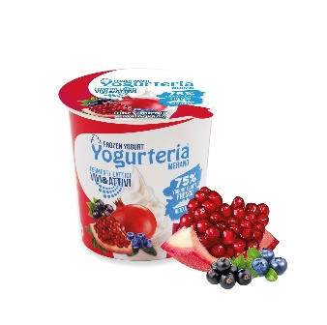 |  | 2022-05-04 | 3,960 | 396 | 2 | 1.49 | 0.22 | 2,713.70 | 17,932.15
 | 040116 - YOGURTERIA FROZEN YOGURT BIANCO S.L. 80g new pack | 2022-08-26 | 1740 | 174 | 0.88
 |  | 2023-03-22 | 60 | 6 | 0.03
 |  | 2022-03-31 | 40 | 4 | 0.02
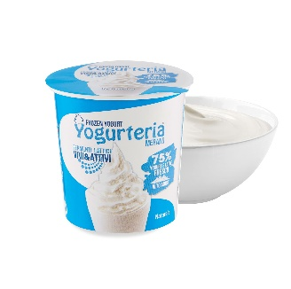 |  | 2022-05-04 | 1,940 | 194 | 0.98 | 1.49 | 0.22 | 831.6 | 5,632.20
 | 040108 - YOGURTERIA FROZEN YOGURT VANIGLIA E LAMPONE 80g | 2022-04-26 | 600 | 60 | 0.30
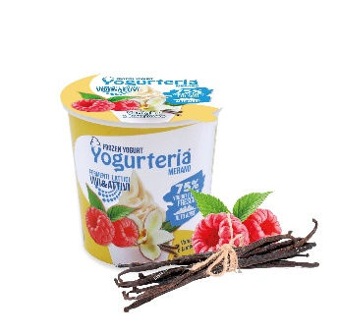 |  | 2022-08-26 | 2290 | 229 | 1.16 | 1.49 | 0.22 | 635.8 | 4,306.10
 | 040109 -YOGURTERIA FROZEN YOGURT CARAMELLO SALATO 80g | 2022-05-03 | 20260 | 2026 | 10.23
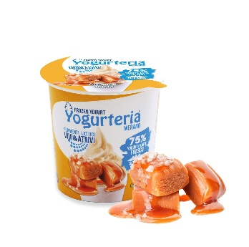 |  | 2022-03-29 | 900 | 90 | 0.45 | 1.49 | 0.22 | 4,655.20 | 31,528.40
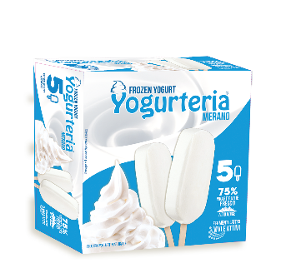 | 040117 - YOGURTERIA 5 STECCHI DI FROZEN YOGURT BIANCO S.L. 250g | 2022-05-31 | 3666 | 611 | 8.15 | 3.99 | 0.59 | 2,162.94 | 14,627.34
 | 040120 - YOGURTERIA FROZEN YOGURT RIBES MIRTILLO MELOGRANO 250g | 2022-04-20 | 16116 | 2686 | 23.98
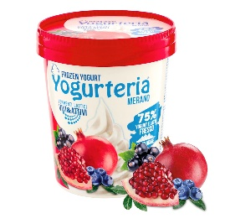 |  | 2022-05-19 | 1470 | 245 | 2.19 | 2.99 | 0.45 | 7,913.70 | 52,582.14
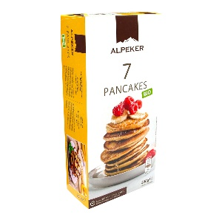 | 010611 - ALPEKER PANCAKES BIO 200g | 2022-05-25 | 340 | 34 | 0.61 | 2.99 | 0.45 | 153 | 1,016.60

 |  |  |  | TOT. BANCALI | 55.06 |  |  | 19,065.94 | 127,624.93

