Sheet1
 | Item number | Product name | Available Pieces | RETAIL | TOTAL RETAIL
 | 45249 | POP Ad Icons: Morton - Salt Girl | 108 | 25 | 2,700
 | 51672 | POP Books: Clifford- Clifford(FL) | 96 | 29 | 2,784
 | 52014 | POP Animation: IG- Penny | 1,260 | 24 | 30,240
 | 56717 | Vinyl Gold 5": Ice Cube | 90 | 16 | 1,440
 | 56718 | Vinyl Gold 5": Lil Wayne | 702 | 16 | 11,232
 | 57235 | POP Rocks: Lil Wayne w/Lollipop | 36 | 39 | 1,404
 | 58963 | POP Deluxe: WDW50- Queen in Teacup | 181 | 40 | 7,240
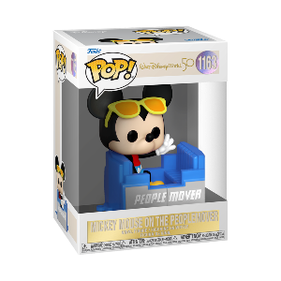 | 59507 | POP Disney: WDW50- People Mover Mickey | 7,602 | 27 | 205,254
 | 59508 | POP Disney: WDW50- People Mover Minnie | 5,550 | 27 | 149,850
 | 59509 | POP Disney: WDW50- People Mover Pluto | 7,620 | 27 | 205,740
 | 59510 | POP Disney: WDW50- Philharmagic Mickey | 5,508 | 27 | 148,716
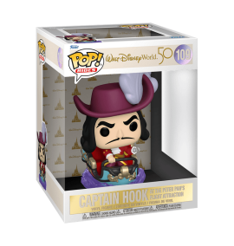 | 59512 | POP Ride: WDW50- Hook on Peter Pan Flight | 653 | 45 | 29,385
 | 60135 | POP Icons: Jean-Michel Basquiat | 426 | 29 | 12,354
 | 60392 | POP Keychain: WDW50- Mickey Space MNT | 1,104 | 9 | 9,936
 | 60392 | POP Keychain: WDW50- Mickey Space MNT | 1,092 | 9 | 9,828
 | 60393 | POP Keychain: WDW50- Peter on PPF | 60 | 9 | 540
 | 60658 | POP Keychain: WDW50- Mickey Space MNT(DGLT) | 408 | 9 | 3,672
 | 62834 | POP Rocks: Willie Nelson w/Cowboy Hat | 324 | 29 | 9,396
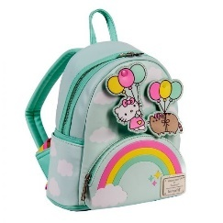 | PUBK0009 | LF PUSHEEN X HELLO KITTY BALLOONS & RAINBOW | 72 | 79 | 5,688
 | PUWA0013 | LF PUSHEEN X HELLO KITTY CLOUD LOUNGING BIFOLD WALLET | 55 | 45 | 2,475
 | SANWA0941 | LF SANRIO HELLO KITTY AND FRIENDS COLOR BLOCK WALLET | 132 | 55 | 7,260
 |  |  | 33,079 |  | 857,134

