Packing List
REPLAY TAKE ALL OFFER ONLY - 2PACK TOTAL QUANTITY: 59 340 Packs
Reference | Color Code | Color | M | L | XL | Total
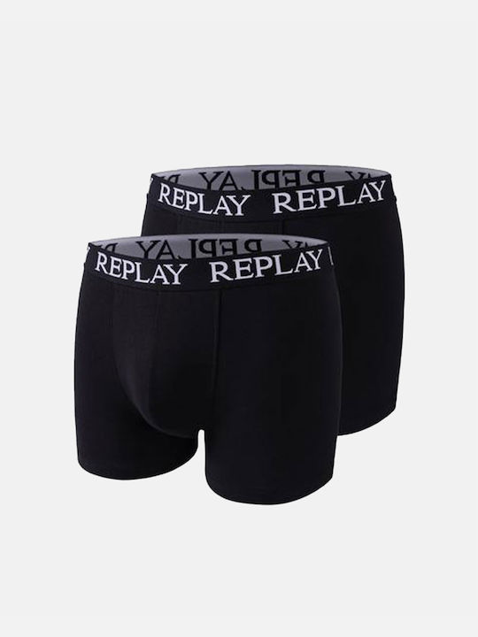 101005 | N011 | Black | 1460 | 5580 | 8840 | 15880
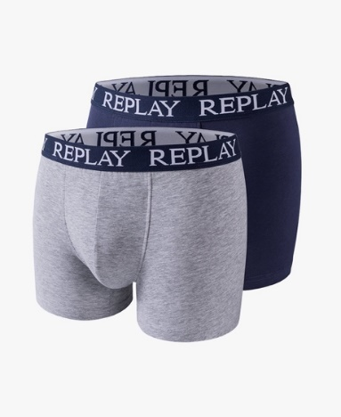 101005 | N0139 | Grey melange/indigo | 3100 | 6540 | 6360 | 16000
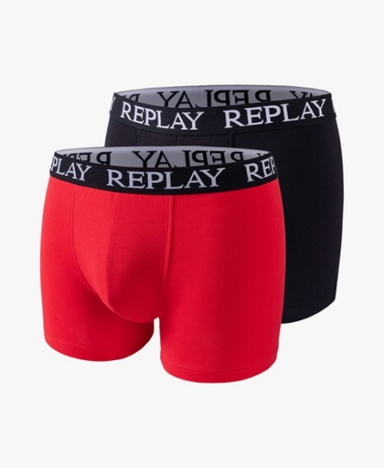 101005 | N093 | Red/black | 2760 | 5660 | 5780 | 14200
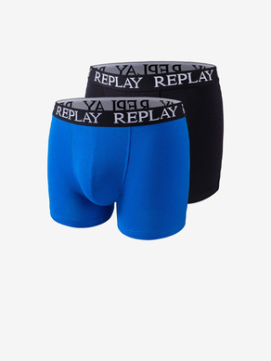 101005 | N090 | turqoise/black | 2460 | 5640 | 5160 | 13260
 |  |  |  |  | Grand total: | 59340

