Foglio1
DESCRIZIONE | FOTO | MODELLO | MISURE - SIZES | Unit price | PEZZI - PCS | PREZZO TOTALE | Code INTERNO
LAVABO | 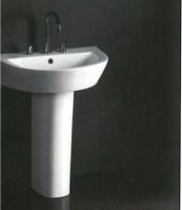 | BD332-IE/2A3320 | 700X495X820 | 288 | 5 | 1440 | 5
LAVABO | 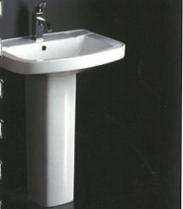 | BD101E/2A1010 | 660X475X850 | 207 | 10 | 2070 | 5
LAVABO | 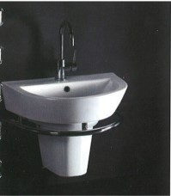 | BD332-2E/2B3320 | 600X450X450 | 342 | 2 | 684 | 5
LAVABO | 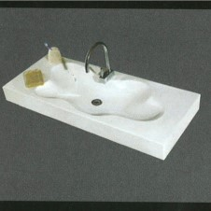 | BA122 - 3E | 1210X497X115 | 975 | 2 | 1950 | 5
LAVABO | 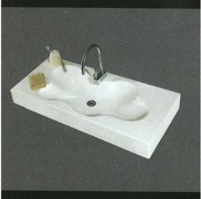 | BA122 - 2E | 1000X480X105 | 537 | 2 | 1074 | 5
LAVABO | 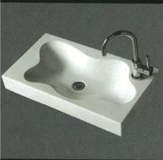 | BA122 - E | 705X400X95 | 585 | 1 | 585 | 5
LAVABO | 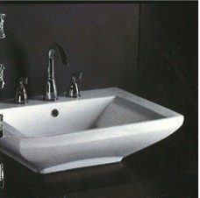 | BA330 E/G | 635X485X190 | 405 | 100 | 40500 | 5
LAVABO | 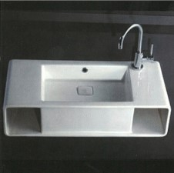 | BA333 E | 800X400X200 | 975 | 4 | 3900 | 5
VASO WC | 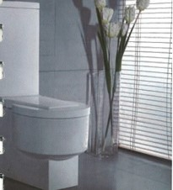 B | WA335P/SC3350 | 665X38fiX1030 | 3450 | 5 | 17250 | 5
VASO WC | 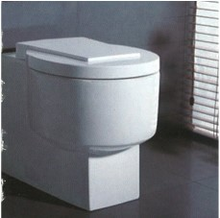 B1 | WD335P | 565X385X420 | 930 | 7 | 6510 | 5
VASO WC | 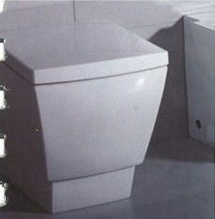 B2 | WD336P | 590X380X410 | 930 | 4 | 3720 | 5
VASO WC | 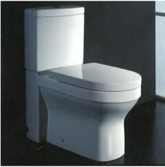 B3 | WA101P/SA1010 | 680X375X790 | 810 | 6 | 4860 | 5
VASO WC | 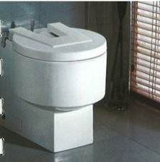 B4 | JA3350 | 565X385X415 | 985 | 4 | 3940 | 5
VASO WC | 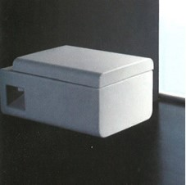 B4/1 | WD333P | 530X350X350 | 685 | 3 | 2055 | 5
VASO WC | 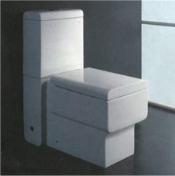 B4/2 | WA332,^/SA3330 | 5^5X3S0X830 | 1140 | 10 | 11400 | 5
VASO BIDET | 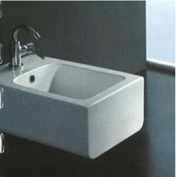 B5 | JB3330 | 530X350X200 | 440 | 10 | 4400 | 5
VASO BIDET | 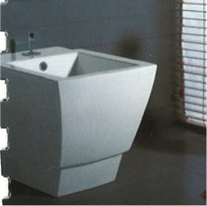 B6 | JA3360 | 590X380X410 | 620 | 4 | 2480 | 5
VASO BIDET | 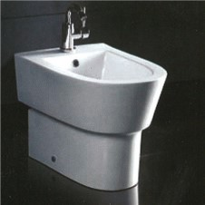 B7 | JA3320 | 570X370X390 | 375 | 4 | 1500 | 5
VASO BIDET | 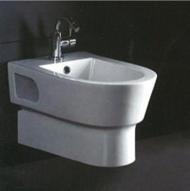 B8 | JB3320 | 550X370X340 | 375 | 6 | 2250 | 5
VASO BIDET | 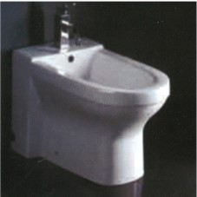 B9 | JA1010 | 605XM5X435 | 375 | 8 | 3000 | 5
VASO BIDET | c | AM146-1 | 1910X1680 | 13325 | 1 | 13325 | 5
VASCA | 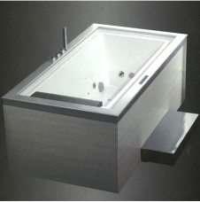 C1 | AM146JDTS (sx) | 1890X1120X700 | 8000 | 1 | 8000 | 5
VASCA | 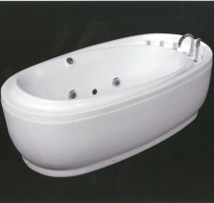 C2 | WB208B | 1800X990X660 | 8500 | 2 | 17000 | 5
VASCA |  | WB205B (sx) | 1700X780X700 | 8000 | 1 | 8000 | 5
VASCA | 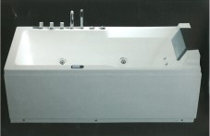 C3 | WB205B (dx) | 1700X780X700 | 8000 | 2 | 16000 | 5
VASCA | 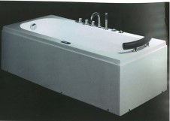 C4-C5-C6 | WB227B (sx) | 1500X750X560 | 7500 | 2 | 15000 | 5
 |  | WB227B (dx) | 1500X750X560 | 7500 | 1 | 7500 | 5
 |  | WB227C (dx) | 1500X750X560 | 3750 | 1 | 3750 | 5
 |  | WB220B (dx) | 1700X750X560 | 7950 | 2 | 15900 | 5
VASCA | 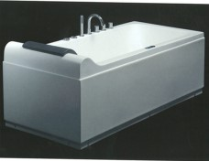 C7 | WB215B (sx) | 1700X790X730 | 7500 | 2 | 15000 | 5
VASCA | 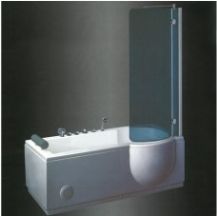 C8 | AM127JDCLZ (dx) | 1680X850X610 | 4400 | 2 | 8800 | 5
VASCA | 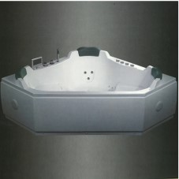 C9 | AM133JDCTZ | 1700X1700X700 | 8650 | 1 | 8650 | 5
VASCA | 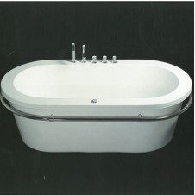 C10 | WB222F | 1750X900X600 | 4400 | 6 | 26400 | 5
VASCA | 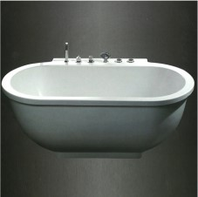 C11 | AM128JDCLZ | 1800X950X700 | 4400 | 3 | 13200 | 5
VASCA | 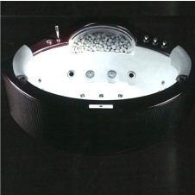 C12 | BWB230/B6S | 1500X1500X620 | 8750 | 1 | 8750 | 5
VASCA | 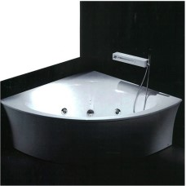 C13 | BWB233/B6S | 1400X1400X600 | 5250 | 1 | 5250 | 5
VASCA | 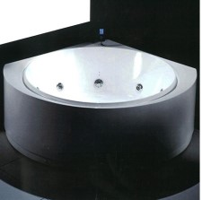 C14 | BWB243/B6S | 1550X1550X600 | 6900 | 1 | 6900 | 5
VASCA | 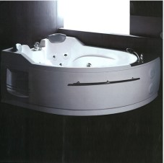 C15 | riscaldatore | 1695X1330X715 | 6500 | 1 | 6500 | 5
 |  | BAM113JDTSZ (dx) | 1695X1330X715 | 6350 | 1 | 6350 | 5
VASCA | 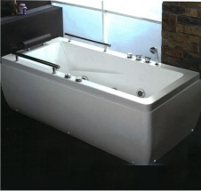 C16 | BAM11&2 (sx) | 1700X800X610 | 3500 | 1 | 3500 | 5
 |  | BAM118-2 (dx) | 1700X800X610 | 3500 | 1 | 3500 | 5
VASCA | 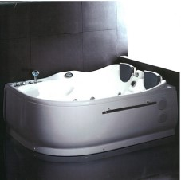 C17 | BAM124JDTSZ (sx - con riscaldatore) | 1800X1200X700 | 6400 | 1 | 6400 | 5
VASCA | 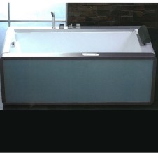 C18 | BAM151JDTSZ (sx - con nscaldatore) | 1800X900X630 | 8300 | 2 | 16600 | 5
 |  | BAM151JDTSZ (dx - con riscaldatore) | 1800X900X630 | 8300 | 1 | 8300 | 5
VASCA | 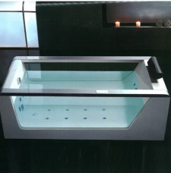 C19 | BAM152JDTS-1Z | 1800X800X630 | 6650 | 1 | 6650 | 5
VASCA | 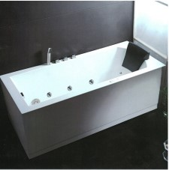 C20 | BAM154 JDTSZ (dx) | 1800X800X640 | 6200 | 1 | 6200 | 5
 |  | BAM154 JDTSZ (sx) | 1800X800X640 | 6200 | 1 | 6200 | 5
 |  | BAM154 JDCLZ (dx) | 1800X800X640 | 6200 | 1 | 6200 | 5
 |  | BAM154-1 JDTSZ (dx) | 1800X800X640 | 6700 | 1 | 6700 | 5
 |  | BAM154-1 JDTSZ (sx) | 1800X800X640 | 6700 | 1 | 6700 | 5
VASCA | 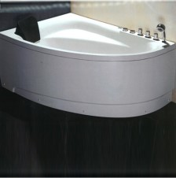 C21 | BAM161 (dx) | 1500X1000X650 | 3100 | 1 | 3100 | 5
 |  | BAM161 (sx) | 1500X1000X650 | 3100 | 2 | 6200 | 5
VASCA | 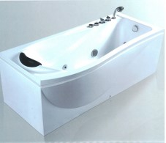 C22 | BAM190 (dx) | 1700X800X660 | 3450 | 1 | 3450 | 5
 |  | BAM1S0 (sx) | 1700X800X66fi | 3450 | 1 | 3450 | 5
VASCA | 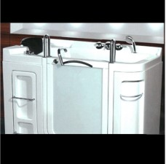 C23 | BAM 1350 K (divers. abili) | 1350X860X1070 | 7500 | 4 | 30000 | 5
VASCA | 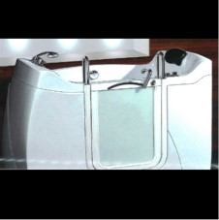 C24 | BAM 1550 K (divers. abili) | 1550X810X1100 | 8250 | 2 | 16500 | 5
VASCA | 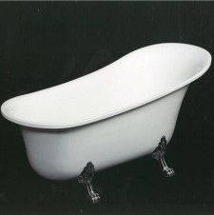 C25 | BPB301 | 1600X690X770 | 2850 | 1 | 2850 | 5
VASCA | 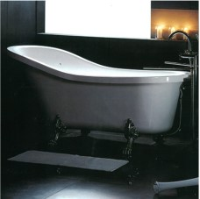 C26 | BGFK 1700-1 (+ van colori piedi abbinabili) | 1700X780X770 | 2550 | 4 | 10200 | 5
DOCCIA | 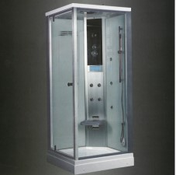 D | BDZ 939 F3 (sx) | 900X900X2250 | 6100 | 1 | 6100 | 5
DOCCIA | 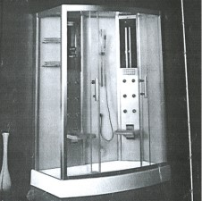 D1 | BDZ 944 F3 (sx) | 1500X900X2250 | 4900 | 1 | 4900 | 5
 |  | BDZ 944 F3 (dx) | 1500X900X2250 | 4900 | 1 | 4900 | 5
DOCCIA | 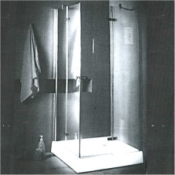 D2 | BLLA900-15 | 900X900X2000 | 550 | 3 | 1650 | 5
DOCCIA | 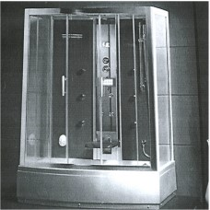 D3 | BDZ 929 F3 | 1500X900X2250 | 5700 | 1 | 5700 | 5
DOCCIA | 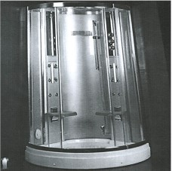 D4 | BDZ 931 F3 | 1200X1200X2200 | 4900 | 1 | 4900 | 5
DOCCIA | 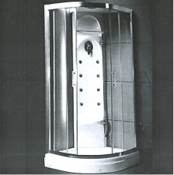 D5 | BDL 900-1 | 900X900X2210 | 1650 | 1 | 1650 | 5
DOCCIA |  D6 | BLLA 1000-4F (sx) | 1000X800X1900 | 350 | 5 | 1750 | 5
 |  | BLLA 1000-4F (dx) | 1000X800X1900 | 350 | 5 | 1750 | 5
DOCCIA |  D7 | BLLA 1000-4D (dx) | 1000X800X2060 | 550 | 5 | 2750 | 5
 |  | BLLA 1000-4D (sx) | 1000X800X2060 | 550 | 4 | 2200 | 5
DOCCIA |  D9 | BWS 101 S6 | 900X900X2250 | 6800 | 1 | 6800 | 5
 |  | BWS 102 S6 | 1000X1000X2250 | 7150 | 1 | 7150 | 5
DOCCIA |  D10 | BWS 128 S6 (sx) | 700X900X2250 | 6750 | 2 | 13500 | 5
 |  | BWR 12&1 S3 (sx - no bagno turco) | 700X900X2250 | 5750 | 1 | 5750 | 5
DOCCIA |  D11 | BWR 115 S3 (dx) | 900X900X2250 | 5250 | 2 | 10500 | 5
 |  | BWR 115 S3 (sx) | 900X900X2250 | 5250 | 4 | 21000 | 5
DOCCIA |  D12 | BWS 116 S6 (dx) | 800X1000X2250 | 7200 | 2 | 14400 | 5
 |  | BWR 116 S3 (dx) | 800X1000X2250 | 5650 | 1 | 5650 | 5
DOCCIA |  D13 | BWS 106 S6 (sx) | 800X800X2250 | 6750 | 2 | 13500 | 5
 |  | BWS 108 S6 (dx) | 800X1000X2200 | 7350 | 1 | 7350 | 5
 |  | BWR 107 S3 (dx) | 900X900X2250 | 5500 | 2 | 11000 | 5
 |  | BWR 107 S3 (sx) | 900X900X2250 | 5500 | 1 | 5500 | 5
DOCCIA |  D14 | BWS 108/1 TS6 (sx) | 800X1000X2250 | 6750 | 1 | 6750 | 5
DOCCIA |  D15 | BDZ 960 F8 (dx) | 1000X900X2200 | 8250 | 1 | 8250 | 5
 |  | BDZ 960 F8 (sx) | 1000X900X2200 | 8250 | 2 | 16500 | 5
DOCCIA |  D16 | BDZ 965 F8 | 900X900X2260 | 8250 | 1 | 8250 | 5
DOCCIA |  D17 |  |  | 0 |  | 0 | 5
DOCCIA |  D18 | BDZ 982 F9 | 1000X900X2260 | 9500 | 1 | 9500 | 5
DOCCIA |  D19 | BWS 110-1 S& SX combinato | 1650X850X2240 | 9600 | 1 | 9600 | 5
DOCCIA |  D20 | BWR 431 D7 (manuale) | 1200X900X2080 | 4500 | 1 | 4500 | 5
DOCCIA |  D21 | BWR 421 D1 | 1200X80OX2080 | 2750 | 1 | 2750 | 5
 |  | BWR 423 D1 | 1200X900X2080 | 2800 | 1 | 2800 | 5
 |  | BWR 427 D1 | 1500X900X2080 | 3000 | 1 | 3000 | 5
DOCCIA |  D22 | BWR 470 A7 | 1000X900X2080 | 3500 | 2 | 7000 | 5
DOCCIA |  D23 | BWR 470W A2 | 1000X900X2080 | 2350 | 3 | 7050 | 5
DOCCIA |  D24 | BWR 471 A1 | 1000X900X2080 | 2850 | 3 | 8550 | 5
 |  | BWR 473 A1 | 1200X900M080 | 3050 | 3 | 9150 | 5
DOCCIA |  D25 | BLLA 900 27 IH no pann.contr | 900X900X2120 | 2950 |  | 0 | 5
DOCCIA |  D26 | BLLA 1200-11 GH (dx) | 1200X900X2120 | 3300 | 2 | 6600 | 5
 |  | BLLA 1200-11 GH (sx) | 1200X900X2120 | 3300 | 2 | 6600 | 5
DOCCIA |  D27 | BLLA 800 8 IH (grigio - no pannello controllo) | 800X800X2270 | 2650 | 4 | 10600 | 5
 |  | BLLA 800 8 IH (trasparente no pannello contrdlo) | 800X800X2270 | 2650 | 2 | 5300 | 5
DOCCIA |  D28 | BLLA 900-26 GH (gngio) | 900X900X2120 | 3350 | 2 | 6700 | 5
 |  | BLLA 900-26 IH (grigio) | 900X900X2120 | 3200 | 3 | 9600 | 5
DOCCIA |  D29 | BWP 404 1A soffione quadrato | 1600X270X90 | 1075 | 9 | 9675 | 5
DOCCIA | D30 | BWP 402-1A | 1600X410X90 | 1150 | 14 | 16100 | 5
 |  | BWP 402-1B | 1600X410X90 | 900 | 8 | 7200 | 5
DOCCIA |  D31 | BWS 122TS8 (nero) | 1500X1500X2300 | 17250 | 1 | 17250 | 5
DOCCIA |  D32 | BWS 121TS8 (bianco) | 1200X1200X2130 | 17000 | 2 | 34000 | 5
DOCCIA |  D33 E | BWB240 BS6-D5 (vasca doccia dx) | 1700X800X600 | 9900 |  | 0 | 5
 |  | B’AB240 BS6-D5 (vasca doccia sx) BFS 1510 | 1700X800X600 1500X1000X2100 | 9900 | 2 | 19800 | 5
SAUNA+BOX DOCCIA |  E1 - E2 | BFS2515 BDS 201 F3 (dx) | 2500X1500X2100 1810X1210X2220 | 22000 | 4 | 88000 | 5
 |  | BDS 201 F3 (sx) | 1810X1210X2220 | 21250 | 1 | 21250 | 5
SAUNA+BOX DOCCIA |  E3 |  |  |  |  | 0 | 5
 |  |  |  |  | PEZZI TOTALI | SOMMA PREZZO TOTALE
 |  |  |  | 556579 | 383 | 1001218 | 560

