Sheet1
Image | Item | UPC/Item # | Quantity | Pallet Qty | MSRP | Cost | Link | FOB
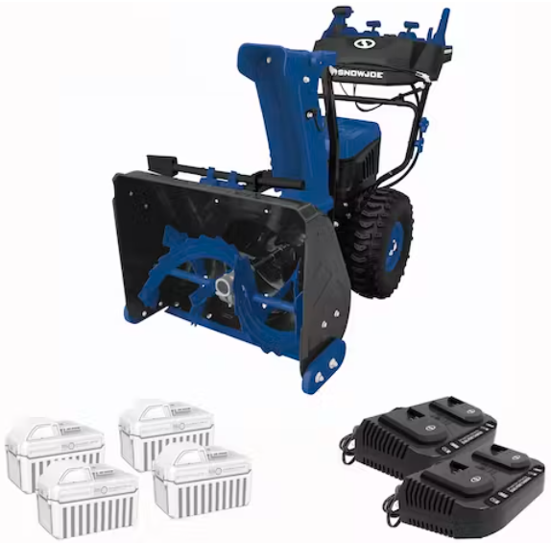 | Snow Joe 96-Volt* MAX IONMAX Cordless Brushless Self-Propelled Dual-Stage Snow Blower | 24-inch | W/ 4 x 12.0-Ah Batteries + 2 x Dual Port Chargers | 24V-X4-SB24 | 180 | 6 | $1,998.00 | $550 | Northern Tool | NJ

