tab
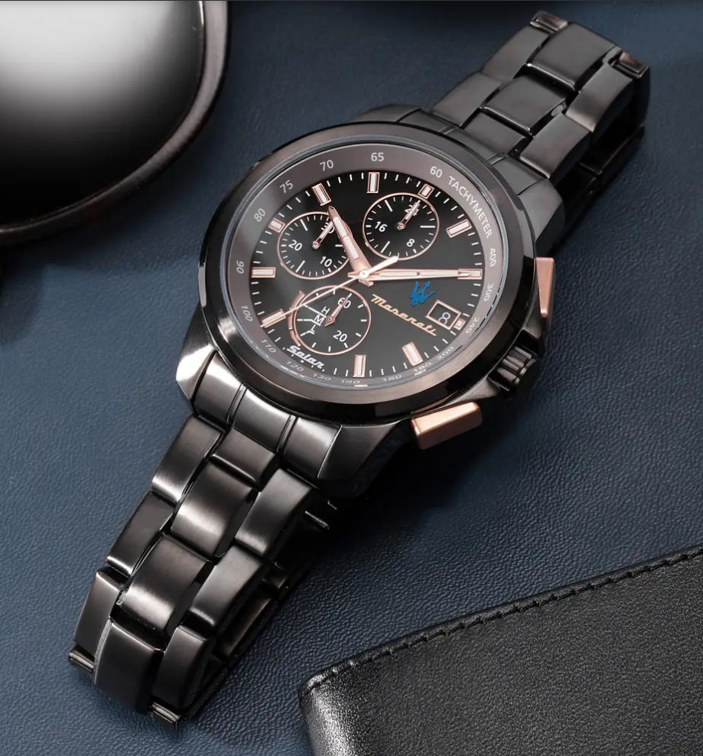
 | Brand | SKU | EAN | Description | QTY | Retail | Price
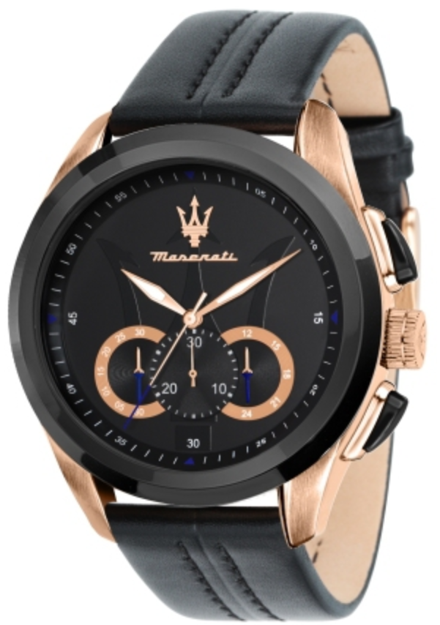 | Maserati | R8871612027 | 8033288828112 | TRAGUARDO 45mm CHR BLK DIAL/STR duty free | 207 | € 289.00 | € 156.70
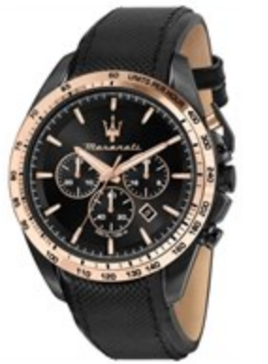 | Maserati | R8871612038 | 8033288986003 | TRAGUARDO 45MM CHR BLK DIAL ST BLK DUTY FREE | 72 | € 289.00 | € 156.70
 |  |  |  |  | 279

