Sheet2
THE LIMITED SWEATER FOR LADY
Style # | Color | Front | Gauge | Total Qty | Size | Color Breakdown | Remark
SWK877703 | Diamond blue |  | 12G | 14,100 | XS S M L XL | 3,098
 | Yellow |  |  |  |  | 3,299
 | Green |  |  |  |  | 3,902
 | Orange red |  |  |  |  | 3,801
SW8F7702 | Black |  | 12G | 17,954 | XS S M L XL | 5,854
 | Dark navy |  |  |  |  | 6,499
 | White |  |  |  |  | 5,601
SW8A5017 | Black |  | 12G | 10,448 | XS S M L XL | 2,263
 | Green |  |  |  |  | 2,662
 | White |  |  |  |  | 2,375
 | Light yellow |  |  |  |  | 1,535
 | Light grey |  |  |  |  | 1,613
SW01R7820 | Coral red |  | 12G |  | XS S M L XL | 7,020
 | Purple |  |  | 21,692 |  | 7,648
 | Dark blue |  |  |  |  | 7,024
SW4C7822 | Blue/white |  | 12G | 6,603 | XS S M L XL | 6,603
SW8A5051 | Orange yellow |  | 12G | 12,431 | XS S M L XL | 2,501
 | Diamond blue |  |  |  |  | 1,195
 | Orange red |  |  |  |  | 3,537
 | Shine purple |  |  |  |  | 3,157
 | Army green |  |  |  |  | 2,041
SW8904864 | Dark blue group |  | 12G | 1,528 | XS S M L XL | 1,528
SW8A5054 | Black/white |  | 12G | 1,416 | XS S M L XL | 1,416
SWK877708 | Black/white |  | 12G | 1,595 | XS S M L XL | 1,595
SW5N47745 | Black/white | 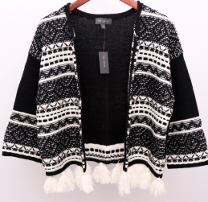 | 7G | 449 | XS S M L XL | 449
Total QTY |  |  |  | 74116

