Fila
FILA BOOTS 20017 |  |  | C | 28 | 29 | 30 | 31 | 32 | 33 | 34 | 35 | 36 | 37 | 38 | 39
 |  |  | D | 36 | 37 | 38 | 39 | 40 | 41 | 42 | 43 | 44 | 45 | 46 | 47

 | MODEL | ARTIKEL |  |  |  |  |  |  |  |  |  |  |  |  |  | TOT | PRICE | RETAIL VALUE
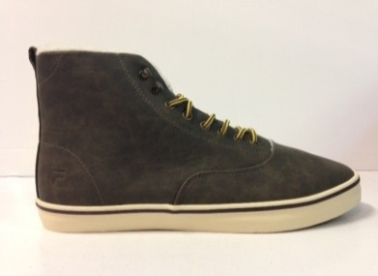 | Brooklyn Mid (Dark Olive) | 26040059.IAU | D |  |  |  |  |  | 1 | 2 | 2 | 45 | 28 | 27 |  | 105 | € 79.99 | € 8,398.95
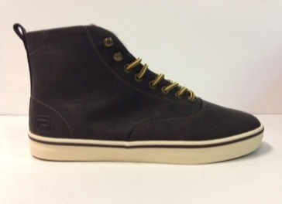 | Brooklyn Mid (Coffee Bean) | 26040059.IKU | D |  |  |  |  | 1 |  | 1 |  |  | 76 | 39 | 1 | 118 | € 79.99 | € 0.00
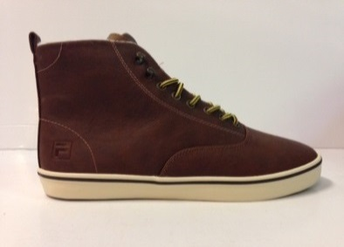 | Brooklyn Mid (Tortoise Shell) | 26040059.JCU | D |  |  |  |  |  | 339 | 803 | 905 | 256 | 697 | 329 |  | 3329 | € 79.99 | € 0.00
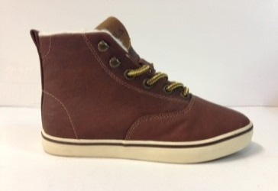 | Brooklyn Mid JR (Tortoise Shell) | 26040067.JCU | C | 1 | 1 | 8 | 76 | 146 | 265 | 361 | 549 | 313 | 488 | 524 | 412 | 3144 | € 69.99 | € 0.00
 |  |  |  |  |  |  |  |  |  |  |  |  |  |  |  | 6696 |  | € 8,398.95

