Sheet1
 | MEESH & MIA "MADE IN GUATEMALA" GOODS
PIC | STYLE | ITEM | PRE TICKETED | DESCRIPTION | TOTAL UNITS
 | 1303 | SWEATER | $55.00 | FLAIR CARDIGAN | 398
 | 1311 | TOP | $49.00 | WINNING FIT SLEEVLESS TOP | 975
 | 1371 | TOP | $52.00 | COZY HENLEY | 808
 | 1381 | TOP | $48.00 | FAUX WRAP TOP | 1712
 | 1401 | TOP | $48.00 | WINNING FIT TURTLENECK | 581
 | 1411 | TOP | $48.00 | DOLEMAN SLEEVE TUNIC | 1305
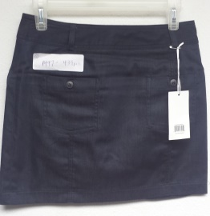 | 1447 | SKIRT | $52.00 | DENIM MINI SKIRT | 439
N/A | 1489 | SCARF | $32.00 | TEAM SCARF | 1054
TOTAL MADE IN GUATEMALA PORTION |  |  |  |  | 7272
white tags on garments are style number and quantity.

