Sheet1
SKU | Description | Color | XXS | XS | S | M | L | XL | 2XL | 3XL | 4XL | 5XL | Total

 | TOPS
M897 | UNISEX 4.9 OZ SCRUB TOP | AQUA GREEN | 200 | 326 | 1491 | 1573 | 1819 | 1382 | 1268 | 92 | 39 | 41 | 8231
M897 | UNISEX 4.9 OZ SCRUB TOP | DEEP PURPLE | 229 | 396 | 1452 | 1469 | 1654 | 1258 | 955 | 59 | 48 | 24 | 7544
M897 | UNISEX 4.9 OZ SCRUB TOP | HUNTER | 63 | 141 | 455 | 260 | 373 | 238 | 183 | 69 | 13 |  | 1795
 |  |  | 492 | 863 | 3398 | 3302 | 3846 | 2878 | 2406 | 220 | 100 | 65 | 17570

 | BOTTOMS
M898 | UNISEX 4.9 OZ SCRUB BOTTOM | HUNTER | 97 | 418 | 852 | 520 | 613 | 403 | 399 | 74 | 3 |  | 3379
M898 | UNISEX 4.9 OZ SCRUB BOTTOM | KHAKI | 34 | 38 |  |  |  |  |  |  |  |  | 72
 |  |  | 1115 | 2182 | 7648 | 7124 | 8305 | 6159 | 5211 | 514 | 203 | 130 | 3451
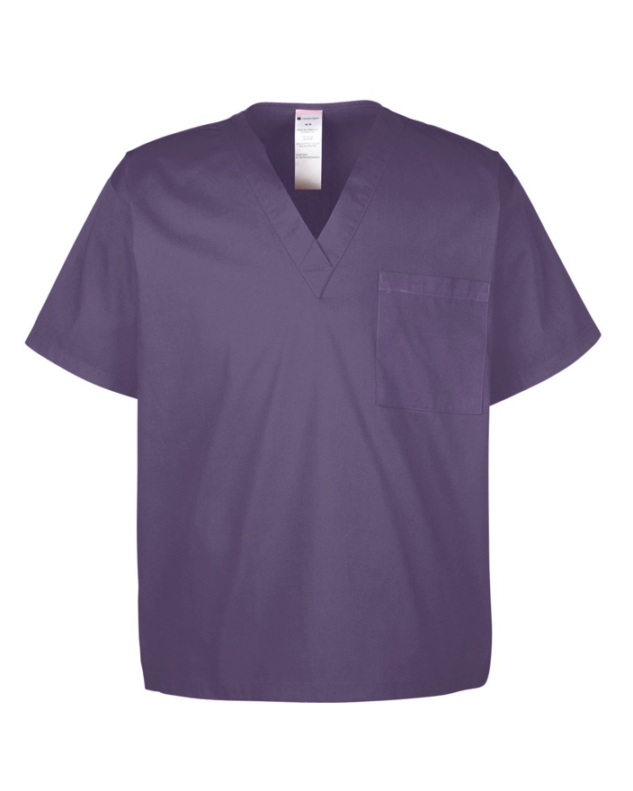
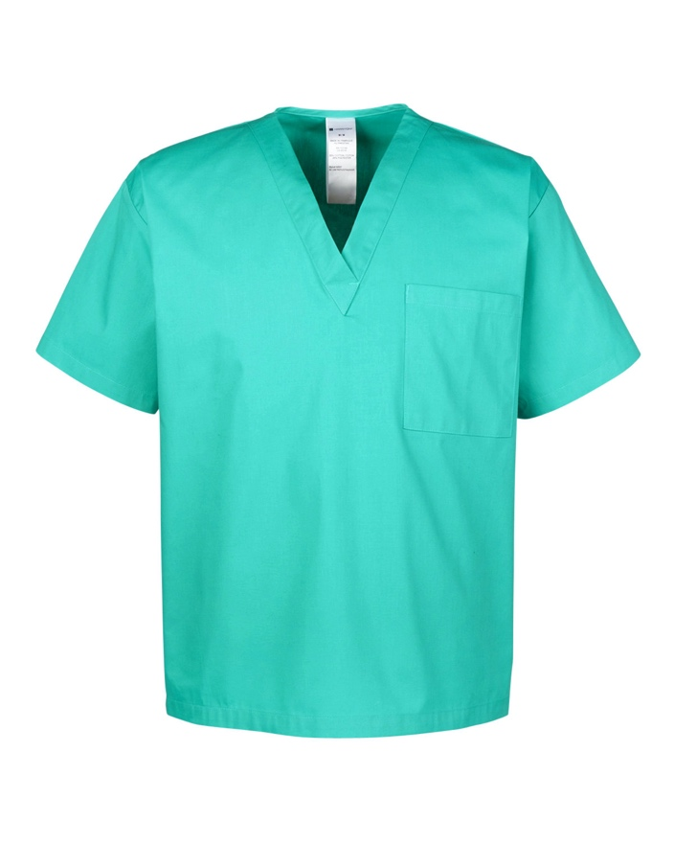
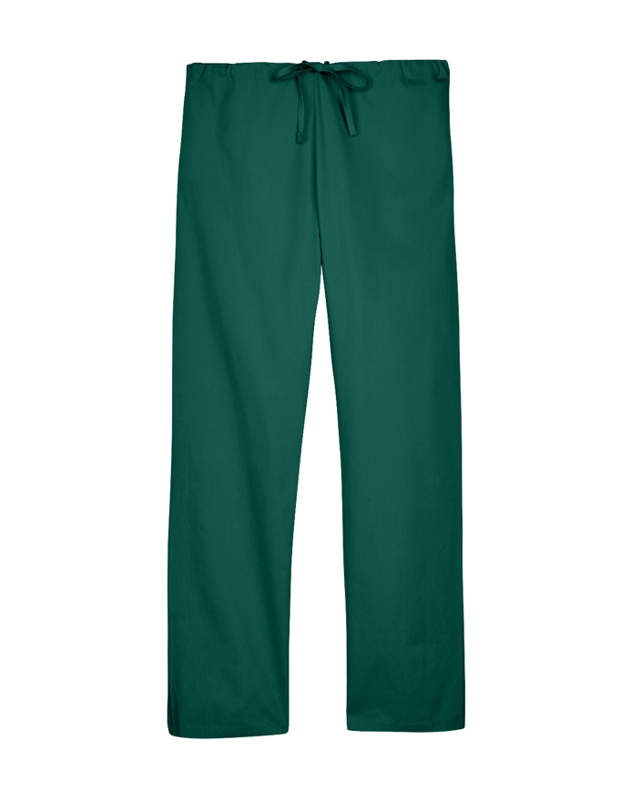
 | MSRP (A): $15.00
 | Fabric:
 | 4.9 oz./yd² / 166 gsm, 55% cotton, 45% polyester poplin
 | Feature:
 | Standard V-neck
 | Chest pocket
 | Deco Eligible

