Sheet1
Image | Brand | Item | Expiration/Batch | UPC/Item # | Quantity | Total Cases | Casepack | Cases Per Pallet | Retail
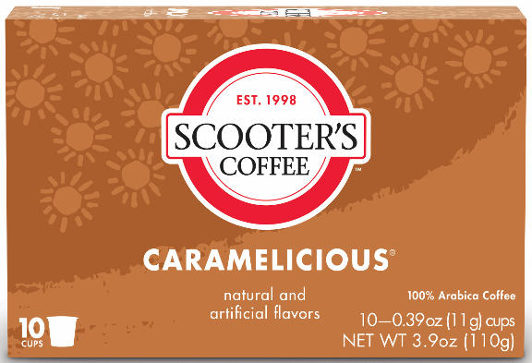 | Scooter's Coffee | Caramelicious 10 Count Single Serve | 2023-10-22 | 8-50027-75343-0 | 3,270 | 545 | 6 | 120 | $7.99
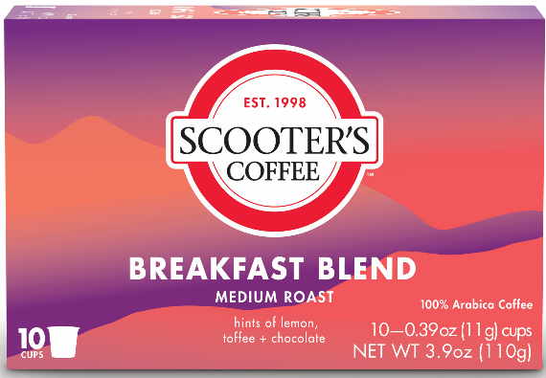 | Scooter's Coffee | Breakfast Blend 10 Count Single Serve | 2023-10-20 | 8-50027-75342-3 | 4,842 | 807 | 6 | 120 | $7.99
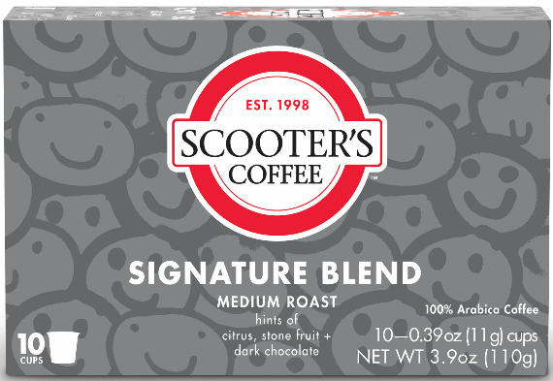 | Scooter's Coffee | Signature Blend 10 Count Single Serve | 2023-10-21 | 8-50027-75341-6 | 6,444 | 1,074 | 6 | 120 | $7.99

