tab
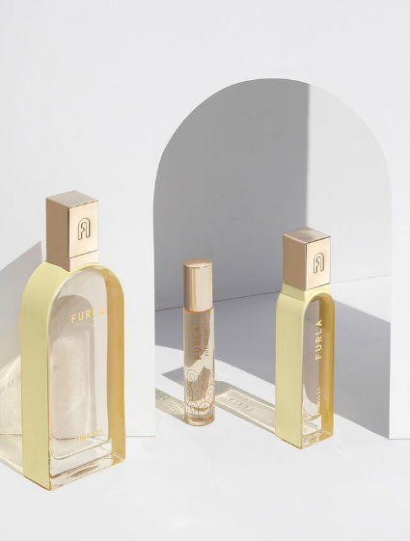
 | BRAND | DESCRIPTION | EAN | QTY | RETAIL | PRICE
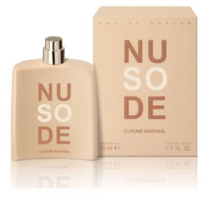 | Costume National | SO NUDE 50ML EDP Spray | 8034041521004 | 2,724 | € 99.00 | € 27.00 | 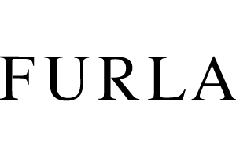
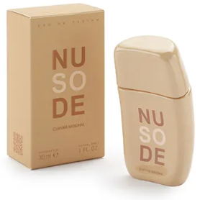 | Costume National | SO NUDE 30ML EDP Spray | 8034041521011 | 3,754 | € 66.00 | € 21.00
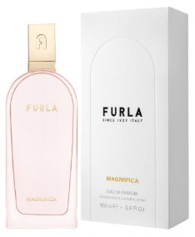 | Furla | FURLA MAGNIFICA 100ML EDP Spray | 679602300117 | 184 | € 99.00 | € 27.00
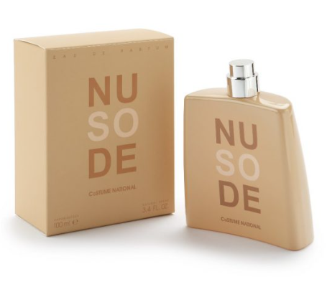
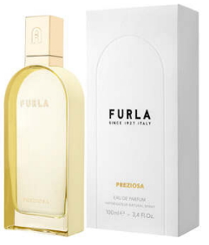 | Furla | FURLA PREZIOSA 100ML EDP Spray | 679602300315 | 1,445 | € 99.00 | € 27.00
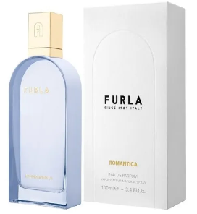 | Furla | FURLA ROMANTICA 100ML EDP Spray | 679602300216 | 764 | € 99.00 | € 27.00
 |  |  |  | 8,871

