Stock
Image | Sku | Qty
 | WG013-pink | 1332
 | D-397LG | 874
 | HZS00025BK-2 | 961
 | K-227PG | 942
 | K-227WS | 552
 | K-227PS | 553
 | WG013 | 529
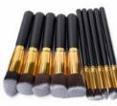 | K-227BG | 510
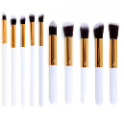 | K-227WG | 434
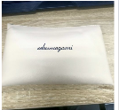 | HZS0007X1-2 | 281
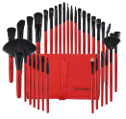 | K-393LG | 64
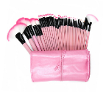 | K-213PK | 130
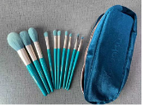 | HZS00021 | 155
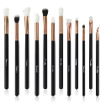 | MZA003X3 | 46
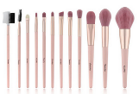 | HZS0005X3 | 89
 | HZS00032 | 5
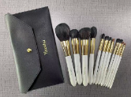 | HZS00022X2 | 3
 | HZS0007X5 | 4
 | MZA007X1 | 4
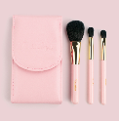 | HZS00018X2 | 1
 | HZS0007X3-3 | 1
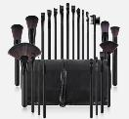 | K-395LG | 1483
 | K-396LG | 1527
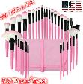 | K-397LG | 782
 | K-398LG | 1891
 | K-399LG | 1915
 | MZL00399X2 | 91
 | MZL00399X3 | 123
 | MZL00411 | 598
 | MZM013X1 | 493
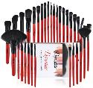 | D-393LG | 174
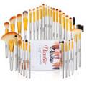 | D-394LG | 119
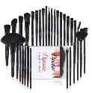 | D-395LG | 165
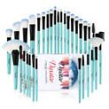 | D-396LG | 98
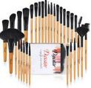 | D-398LG | 202
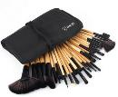 | K-398LG | 0
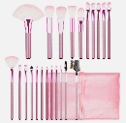 | K-42 | 139
 | K-42BK | 111
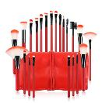 | K-42RD | 237
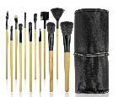 | K-595WD | 4
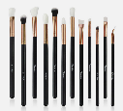 | MZA003X1 | 10
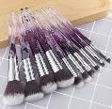 | MZL00399X2 | 456
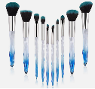 | MZL00399X4 | 392
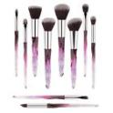 | MZL00399X5 | 377
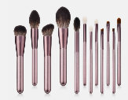 | MZM031 | 92
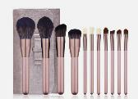 | MZM031X1 | 76
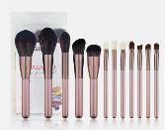 | MZM031X2 | 451
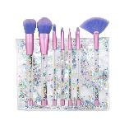 | WG700-1 | 416
 |  | 19892

