Sheet1
Item | DESCR | COLOR/SIZE | PRODUCT GROUP DESCRIPTION | CASEPACK | QTY ON HAND | RETAIL | EXT RETAIL
14338-SL-11U | 300 Primalush | Stardust /SMALL | Apparel | 1 | 3 | $39.00 | $117.00
14338-X2-05V | 300 Primalush | MicroChip /2X | Apparel | 1 | 1 | $39.00 | $39.00
14338-X2-11U | 300 Primalush | Stardust /2X | Apparel | 1 | 1 | $39.00 | $39.00
14390-QN-008 | 155 Lightweight Fleece | CREAM /QUEEN | Sheet Set | 1 | 75 | $43.00 | $3,225.00
14895-TW-QC3 | 200 Printed Sherpa rev 190 Lof | Frosty Fai/TWIN | Blanket | 1 | 16 | $26.00 | $416.00
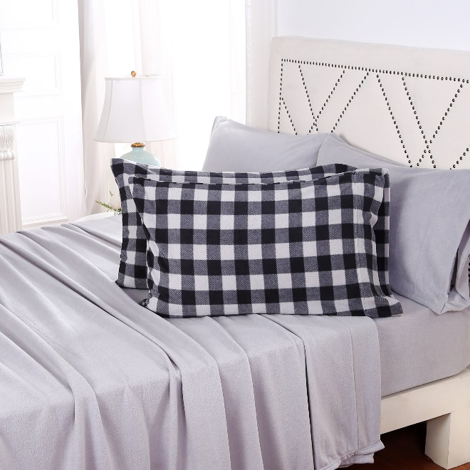
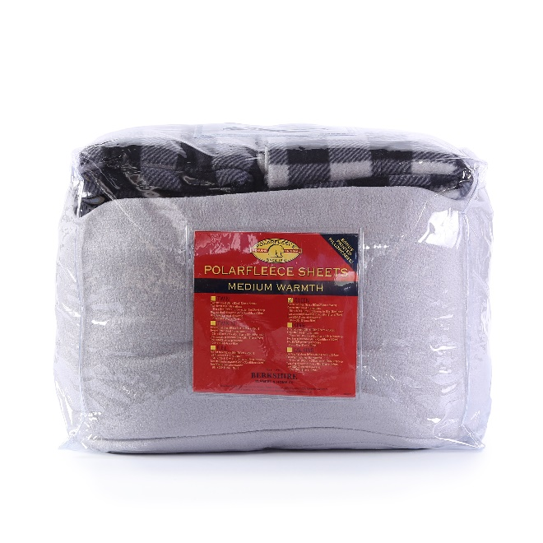
16465-CK-22B | 155 Lightweight Fleece | 22B Opal B/CALKG | Sheet Set | 1 | 13 | $52.00 | $676.00
16465-FL-001 | 155 Lightweight Fleece | WHITE /FULL | Sheet Set | 1 | 6 | $39.00 | $234.00
16465-KG-165 | 155 Lightweight Fleece | Blue Stenc/KING | Sheet Set | 1 | 62 | $52.00 | $3,224.00
16465-KG-54L | 155 Lightweight Fleece | Pebble Gre/KING | Sheet Set | 1 | 128 | $52.00 | $6,656.00
16509-T3-VH9 | 350 Printed Glue Resist Velvet | Star Catch/60x70 Thro | Throw | 1 | 2 | $17.00 | $34.00
16536-KG-79W | 260 Highland Fur rev 190 Loftm | Grey Lake /KING | Blanket | 1 | 15 | $65.00 | $975.00
16536-TW-015 | 260 Highland Fur rev 190 Loftm | LINEN /TWIN | Blanket | 1 | 1 | $41.00 | $41.00
16536-TW-13E | 260 Highland Fur rev 190 Loftm | Dress Blue/TWIN | Blanket | 1 | 1 | $41.00 | $41.00
16536-TW-79W | 260 Highland Fur rev 190 Loftm | Grey Lake /TWIN | Blanket | 1 | 2 | $41.00 | $82.00
16539-FL-52T | 300 Primalite rev 280 Fluffie | HUMUS /FULL | Blanket | 1 | 5 | $58.00 | $290.00
16539-FL-84R | 300 Primalite rev 280 Fluffie | 84R Windso/FULL | Blanket | 1 | 12 | $58.00 | $696.00
16539-QN-45L | 300 Primalite rev 280 Fluffie | ALLOY /QUEEN | Blanket | 1 | 1 | $67.00 | $67.00
16548-TW-12U | Quilted 200 Polymink rev 240 L | Comet /TWIN | Blanket Filled or Quilted | 1 | 1 | $50.00 | $50.00
16609-FL-503 | 200 Ultrasonic Tipped Sherpa r | EVEHAZ /FULL | Blanket | 1 | 2 | $29.00 | $58.00
16947-TW-30U | 400 Velvetloft | Cape Jasmi/TWIN | Blanket | 1 | 8 | $22.00 | $176.00
16947-TW-52T | 400 Velvetloft | HUMUS /TWIN | Blanket | 1 | 4 | $22.00 | $88.00
16947-TW-60H | 400 Velvetloft | Calming Eu/TWIN | Blanket | 1 | 9 | $22.00 | $198.00
16959-KG-001 | 110 Quilted Satin rev 190 Loft | WHITE /KING | Blanket | 1 | 29 | $56.00 | $1,624.00
16959-KG-65C | 110 Quilted Satin rev 190 Loft | BLUE BELL /KING | Blanket | 1 | 22 | $56.00 | $1,232.00
16959-QN-65C | 110 Quilted Satin rev 190 Loft | BLUE BELL /QUEEN | Blanket | 1 | 19 | $48.00 | $912.00
16959-QN-92W | 110 Quilted Satin rev 190 Loft | Off the Gr/QUEEN | Blanket | 1 | 1 | $48.00 | $48.00
16959-TW-65C | 110 Quilted Satin rev 190 Loft | BLUE BELL /TWIN | Blanket | 1 | 12 | $34.00 | $408.00
16961-T9-08K | 340 Tumbled Grace Fur rev 200 | Space Grey/55x70 Thro | Throw | 1 | 1 | $21.00 | $21.00
16961-T9-45C | 340 Tumbled Grace Fur rev 200 | 45C Navy B/55x70 Thro | Throw | 1 | 30 | $21.00 | $630.00
16964-T3-11K | 300 Heathered Sherpa rev 300 L | Frost Grey/60x70 Thro | Throw | 1 | 2 | $24.00 | $48.00
16964-T3-203 | 300 Heathered Sherpa rev 300 L | CHIVE /60x70 Thro | Throw | 1 | 2 | $24.00 | $48.00
16965-FL-591 | 190 Velvetloft with 110 Satin | PLUM SMOKE/FULL | Sheet Set | 1 | 1 | $40.00 | $40.00
16965-FL-92W | 190 Velvetloft with 110 Satin | Off the Gr/FULL | Sheet Set | 1 | 28 | $40.00 | $1,120.00
16965-QN-591 | 190 Velvetloft with 110 Satin | PLUM SMOKE/QUEEN | Sheet Set | 1 | 2 | $45.00 | $90.00
16965-TX-65C | 190 Velvetloft with 110 Satin | BLUE BELL /TWINEX | Sheet Set | 1 | 8 | $37.00 | $296.00
16973-T2-ZF4 | 360 YD Chunky Chenille rev 200 | Grid Plaid/50x70 Thro | Throw | 1 | 12 | $37.00 | $444.00
16977-T9-582 | 450 Half in Stripe Lsct Tpd GF | Blackened /55x70 Thro | Throw | 1 | 45 | $39.00 | $1,755.00
16979-FL-26K | 200 Sherpa Sheet Set | Soft Silve/FULL | Sheet Set | 1 | 54 | $39.00 | $2,106.00
16979-FL-52T | 200 Sherpa Sheet Set | HUMUS /FULL | Sheet Set | 1 | 24 | $39.00 | $936.00
16979-TW-21E | 200 Sherpa Sheet Set | Baltic Sea/TWIN | Sheet Set | 1 | 72 | $34.00 | $2,448.00
16979-TW-52T | 200 Sherpa Sheet Set | HUMUS /TWIN | Sheet Set | 1 | 7 | $34.00 | $238.00
16979-TW-63H | 200 Sherpa Sheet Set | Pesto /TWIN | Sheet Set | 1 | 44 | $34.00 | $1,496.00
17031-TW-13E | 450 Diamond Jac Grace Fur rev | Dress Blue/TWIN | Set | 1 | 14 | $50.00 | $700.00
17031-TW-38E | 450 Diamond Jac Grace Fur rev | Mosaic Tea/TWIN | Set | 1 | 1 | $50.00 | $50.00
17059-T2-ZY9 | 200 Printed Primalite rev 260 | Life is Good Simple/50x70 Thro | Throw | 1 | 4 | $19.00 | $76.00
17125-TW-97S | 225 Dual Core Cotton Blanket | Spring Pin/TWIN | Blanket | 1 | 89 | $20.00 | $1,780.00
17130-MD-ZV6 | 150 Ptd Mcfl rev 200 Sherpa Cu | Auburn Pla/MEDIUM | Pet Bed | 1 | 34 | $22.00 | $748.00
17130-MD-ZV9 | 150 Ptd Mcfl rev 200 Sherpa Cu | Auburn Pla/MEDIUM | Pet Bed | 1 | 1 | $22.00 | $22.00
17130-MD-ZW1 | 150 Ptd Mcfl rev 200 Sherpa Cu | Auburn Pla/MEDIUM | Pet Bed | 1 | 21 | $22.00 | $462.00
17130-SL-ZX8 | 150 Ptd Mcfl rev 200 Sherpa Cu | Large Aubu/SMALL | Pet Bed | 1 | 10 | $13.00 | $130.00
17130-SL-ZX9 | 150 Ptd Mcfl rev 200 Sherpa Cu | Large Aubu/SMALL | Pet Bed | 1 | 73 | $13.00 | $949.00
17130-SL-ZY2 | 150 Ptd Mcfl rev 200 Sherpa Cu | Large Aubu/SMALL | Pet Bed | 1 | 25 | $13.00 | $325.00
17131-QN-015 | 280 Lg Dob Honeycomb Lmk rev 2 | LINEN /QUEEN | Blanket | 1 | 2 | $30.00 | $60.00
17131-QN-52S | 280 Lg Dob Honeycomb Lmk rev 2 | Romantic R/QUEEN | Blanket | 1 | 7 | $30.00 | $210.00
17131-QN-91C | 280 Lg Dob Honeycomb Lmk rev 2 | ICY MORN /QUEEN | Blanket | 1 | 1 | $30.00 | $30.00
17131-TW-52S | 280 Lg Dob Honeycomb Lmk rev 2 | Romantic R/TWIN | Blanket | 1 | 4 | $22.00 | $88.00
17131-TW-91C | 280 Lg Dob Honeycomb Lmk rev 2 | ICY MORN /TWIN | Blanket | 1 | 4 | $22.00 | $88.00
17147-T3-ZS2 | 350 Engineered Printed Primali | Life is Good World /60x70 Thro | Throw | 1 | 1 | $18.00 | $18.00
17150-LG-A5M | 235 Canvas rev Embd 190 Primal | Life is Good Coin L/LARGE | Pet Bed | 1 | 34 | $34.00 | $1,156.00
17150-MD-A5K | 235 Canvas rev Embd 190 Primal | Life is Good Good D/MEDIUM | Pet Bed | 1 | 1 | $26.00 | $26.00
17150-SL-A5L | 235 Canvas rev Embd 190 Primal | Life is Good Happy /SMALL | Pet Bed | 1 | 1 | $18.00 | $18.00
17609-KG-S4L | 250 Printed Glue Resist Lmk re | Modern Med/KING | Comforter Mini Set | 1 | 11 | $54.00 | $594.00
17609-QN-S4M | 250 Printed Glue Resist Lmk re | Modern Med/QUEEN | Comforter Mini Set | 1 | 3 | $47.00 | $141.00
17609-TW-S4M | 250 Printed Glue Resist Lmk re | Modern Med/TWIN | Comforter Mini Set | 1 | 28 | $36.00 | $1,008.00
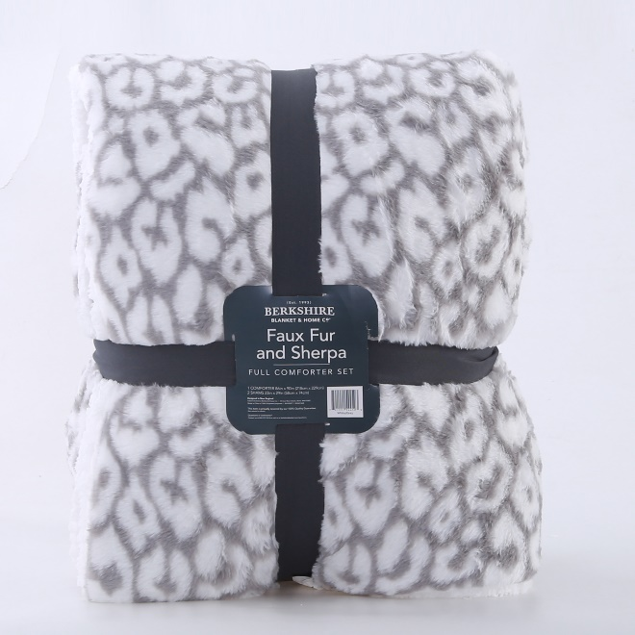
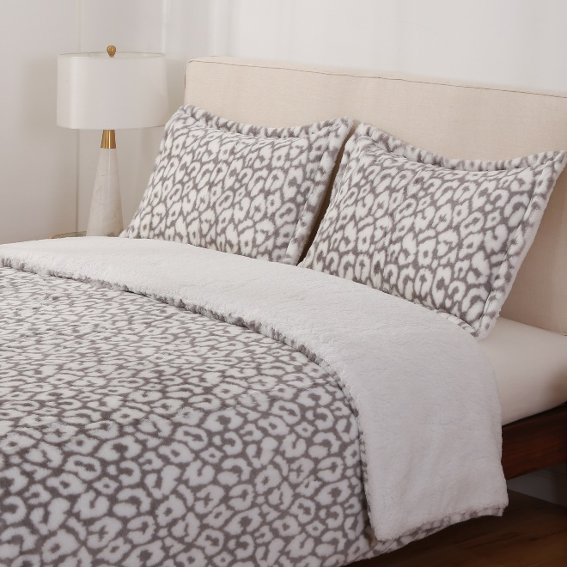
17611-XL-R4U | 240 Brushed French Terry PJ Se | Life is Good Peace /XLG | Apparel | 6 | 36 | $36.00 | $1,296.00
17611-XL-R4W | 240 Brushed French Terry PJ Se | Life is Good Starry/XLG | Apparel | 6 | 48 | $36.00 | $1,728.00
17611-XL-R4X | 240 Brushed French Terry PJ Se | Life is Good Dog Re/XLG | Apparel | 6 | 6 | $36.00 | $216.00
17611-XS-R4V | 240 Brushed French Terry PJ Se | Life is Good Sketch/EXSMALL | Apparel | 6 | 1 | $36.00 | $36.00
17611-XS-R4W | 240 Brushed French Terry PJ Se | Life is Good Starry/EXSMALL | Apparel | 6 | 1 | $36.00 | $36.00
17611-XU-R4U | 240 Brushed French Terry PJ Se | Life is Good Peace /XXL | Apparel | 6 | 48 | $36.00 | $1,728.00
17611-XU-R4V | 240 Brushed French Terry PJ Se | Life is Good Sketch/XXL | Apparel | 6 | 37 | $36.00 | $1,332.00
17611-XU-R4W | 240 Brushed French Terry PJ Se | Life is Good Starry/XXL | Apparel | 6 | 24 | $36.00 | $864.00
17692-FL-T2U | 300 Printed Grace Fur rev 200 | Large Grad/FULL | Set | 1 | 3 | $58.00 | $174.00
17692-FL-T2V | 300 Printed Grace Fur rev 200 | Large Wild/FULL | Set | 1 | 3 | $58.00 | $174.00
17692-FL-T2W | 300 Printed Grace Fur rev 200 | Large Wild/FULL | Set | 1 | 36 | $58.00 | $2,088.00
17692-KG-T2W | 300 Printed Grace Fur rev 200 | Large Wild/KING | Set | 1 | 48 | $71.00 | $3,408.00
17692-QN-T2U | 300 Printed Grace Fur rev 200 | Large Grad/QUEEN | Set | 1 | 2 | $62.00 | $124.00
17692-QN-T2W | 300 Printed Grace Fur rev 200 | Large Wild/QUEEN | Set | 1 | 207 | $62.00 | $12,834.00
17694-SL-08W | 300 Double Sided Sherpa Shawl | Putty Grey/SMALL | Robe | 1 | 31 | $21.00 | $651.00
17695-FL-T4C | 170 Yarn Dye Cotton rev 200 Sh | Life is Good Boston/FULL | Set | 1 | 2 | $70.00 | $140.00
17695-KG-T4A | 170 Yarn Dye Cotton rev 200 Sh | Life is Good Boston/KING | Set | 1 | 16 | $92.00 | $1,472.00
17695-KG-T4C | 170 Yarn Dye Cotton rev 200 Sh | Life is Good Boston/KING | Set | 1 | 50 | $92.00 | $4,600.00
17695-QN-T4A | 170 Yarn Dye Cotton rev 200 Sh | Life is Good Boston/QUEEN | Set | 1 | 24 | $78.00 | $1,872.00
17695-QN-T4B | 170 Yarn Dye Cotton rev 200 Sh | Life is Good Boston/QUEEN | Set | 1 | 19 | $78.00 | $1,482.00
17695-QN-T4C | 170 Yarn Dye Cotton rev 200 Sh | Life is Good Boston/QUEEN | Set | 1 | 64 | $78.00 | $4,992.00
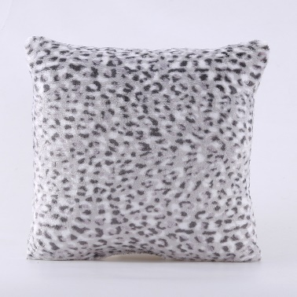
17695-TW-T4B | 170 Yarn Dye Cotton rev 200 Sh | Life is Good Boston/TWIN | Set | 1 | 14 | $56.00 | $784.00
17695-TW-T4C | 170 Yarn Dye Cotton rev 200 Sh | Life is Good Boston/TWIN | Set | 1 | 20 | $56.00 | $1,120.00
17699-P1-08K | 400 Long Pile Velvetloft | Space Grey/18x18 Pill | Pillow | 1 | 107 | $9.00 | $963.00
17699-P1-72H | 400 Long Pile Velvetloft | Juniper St/18x18 Pill | Pillow | 1 | 108 | $9.00 | $972.00
17699-P1-81R | 400 Long Pile Velvetloft | Ellen Wine/18x18 Pill | Pillow | 1 | 7 | $9.00 | $63.00
17703-P1-T5H | 400 Printed Long Pile Velvetlo | Abstract L/18x18 Pill | Pillow | 1 | 75 | $9.00 | $675.00
17703-P1-XC8 | 400 Printed Long Pile Velvetlo | Abstract L/18x18 Pill | Pillow | 1 | 117 | $9.00 | $1,053.00
17739-T3-71U | 200 Sherpa rev 200 Sherpa | Bailey Isl/60x70 Thro | Throw | 1 | 17 | $17.00 | $289.00
17750-LG-T7Z | 250 Primalite w Sherpa Collar | Life is Good Snowy /LARGE | Robe | 6 | 66 | $24.00 | $1,584.00
17750-LG-T8B | 250 Primalite w Sherpa Collar | Life is Good Snowy /LARGE | Robe | 6 | 6 | $24.00 | $144.00
17750-MD-T7Z | 250 Primalite w Sherpa Collar | Life is Good Snowy /MEDIUM | Robe | 6 | 66 | $24.00 | $1,584.00
17750-SL-T8B | 250 Primalite w Sherpa Collar | Life is Good Snowy /SMALL | Robe | 6 | 12 | $24.00 | $288.00
17750-XL-T7Z | 250 Primalite w Sherpa Collar | Life is Good Snowy /XLG | Robe | 6 | 42 | $24.00 | $1,008.00
17750-XL-T8A | 250 Primalite w Sherpa Collar | Life is Good Snowy /XLG | Robe | 6 | 66 | $24.00 | $1,584.00
17750-XL-T8C | 250 Primalite w Sherpa Collar | Life is Good Snowy /XLG | Robe | 6 | 6 | $24.00 | $144.00
17750-XS-T8B | 250 Primalite w Sherpa Collar | Life is Good Snowy /EXSMALL | Robe | 6 | 12 | $24.00 | $288.00
17750-XU-T8B | 250 Primalite w Sherpa Collar | Life is Good Snowy /XXL | Robe | 6 | 6 | $24.00 | $144.00
17751-LG-T6L | 250 Primalite Sleep Lounger | Life is Good Moon a/LARGE | Apparel | 6 | 24 | $21.00 | $504.00
17751-LG-T6Q | 250 Primalite Sleep Lounger | Life is Good Orname/LARGE | Apparel | 6 | 18 | $21.00 | $378.00
17751-MD-T6L | 250 Primalite Sleep Lounger | Life is Good Moon a/MEDIUM | Apparel | 6 | 18 | $21.00 | $378.00
17751-MD-T6M | 250 Primalite Sleep Lounger | Life is Good Adiron/MEDIUM | Apparel | 6 | 30 | $21.00 | $630.00
17751-MD-T6P | 250 Primalite Sleep Lounger | Life is Good Icon T/MEDIUM | Apparel | 6 | 12 | $21.00 | $252.00
17751-MD-T6Q | 250 Primalite Sleep Lounger | Life is Good Orname/MEDIUM | Apparel | 6 | 30 | $21.00 | $630.00
17751-SL-T6L | 250 Primalite Sleep Lounger | Life is Good Moon a/SMALL | Apparel | 6 | 30 | $21.00 | $630.00
17751-SL-T6M | 250 Primalite Sleep Lounger | Life is Good Adiron/SMALL | Apparel | 6 | 6 | $21.00 | $126.00
17751-SL-T6Q | 250 Primalite Sleep Lounger | Life is Good Orname/SMALL | Apparel | 6 | 6 | $21.00 | $126.00
17751-SL-T6R | 250 Primalite Sleep Lounger | Life is Good Medium/SMALL | Apparel | 6 | 30 | $21.00 | $630.00
17751-XS-T6P | 250 Primalite Sleep Lounger | Life is Good Icon T/EXSMALL | Apparel | 6 | 6 | $21.00 | $126.00
17751-XS-T6Q | 250 Primalite Sleep Lounger | Life is Good Orname/EXSMALL | Apparel | 6 | 6 | $21.00 | $126.00
17751-XU-T6Q | 250 Primalite Sleep Lounger | Life is Good Orname/XXL | Apparel | 6 | 30 | $21.00 | $630.00
17751-XU-T6R | 250 Primalite Sleep Lounger | Life is Good Medium/XXL | Apparel | 6 | 24 | $21.00 | $504.00
17753-XL-T6W | 180 Primalite PJ Jogger Set | Life is Good Holida/XLG | Apparel | 6 | 18 | $28.00 | $504.00
 |  |  |  |  | 2893 |  | $102,149.00

