MaxFactor & Rimmel
Images | Global Code | Masterbrand | Item Group Text | Description | Item No | EAN | Original RRP | Qty
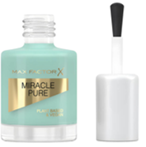 | 183720 | Max Factor | Miracle Pure Nail | Miracle Pure Nail 840 Moonstone blue 12.00 ML | 10555472840 | 3616303252595 | £7.99 | 681
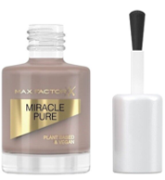 | 183719 | Max Factor | Miracle Pure Nail | Miracle Pure Nail 812 Spiced Chai 12.00 ML | 10555472812 | 3616303252632 | £7.99 | 381
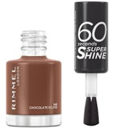 | 183742 | Rimmel | 60 Seconds Nail Polish | 60 Seconds Nail Polish 140 Chocolate eclipse 8.00 ML | 17480072140 | 3616304789748 | £4.99 | 249
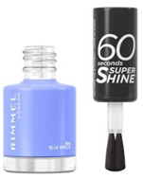 | 183743 | Rimmel | 60 Seconds Nail Polish | 60 Seconds Nail Polish 856 Bllue breeze 8.00 ML | 17480072856 | 3616304789724 | £4.99 | 225
 | 183660 | Max Factor | Lipfinity Velvet matte | Lipfinity Velvet matte 20 Coco creme 3.50 ML | 10511171020 | 8005610629650 | £9.99 | 106
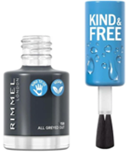 | 183744 | Rimmel | Kind & Free clean nail | Kind & Free clean nail 158 All Greyed Out 8.00 ML | 17481772158 | 3616302990627 | £5.99 | 81
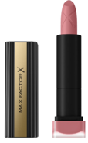 | 183668 | Max Factor | Velvet Matte Lipstick | Velvet Matte Lipstick 25 Blush 4.00 GR | 10511571025 | 96137581 | £8.99 | 44
 | 183734 | Rimmel | Oh My Gloss Plump | Oh My Gloss Plump 501 rasperry sundae 7.00 ML | 17451671501 | 3616300776247 | £6.99 | 35
 | 183664 | Max Factor | Lipfinity Velvet matte | Lipfinity Velvet matte 40 Luxe nude 3.50 ML | 10511171040 | 8005610629810 | £9.99 | 34
 | 181943 | Max Factor | Colour Elixir Honey Lacquer | Colour Elixir Honey Lacquer 035 Bloom berry 3.8 ML | 10512771035 | 8005610434209 | £10.00 | 30
 | 183735 | Rimmel | Oh My Gloss Plump | Oh My Gloss Plump 531 peach pie 7.00 ML | 17451671531 | 3616300776193 | £6.99 | 27
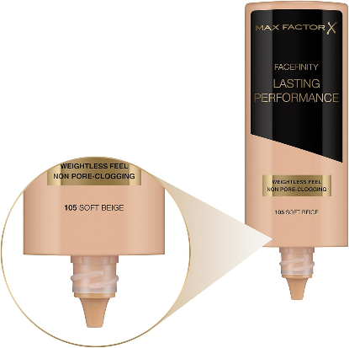 | 183695 | Max Factor | Lasting Performance Foundation | Max Factor Lasting Performance make-up 105 soft beige 35 ml |  | 50683345 | £9.99 | 24
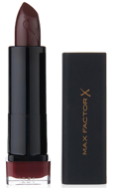 | 183676 | Max Factor | Colour Elixir Matte | Colour Elixir Matte 065 Raisin 3.50 GR | 10512871065 | 3614227927506 | £8.99 | 21
 | 183721 | Rimmel | Kind & Free concealer | Kind & Free concealer 50 Rich 7.00 ML | 17411674050 | 3616302989652 | £8.95 | 21
 | 183736 | Rimmel | Oh My Gloss Plump | Oh My Gloss Plump 759 spiced nude 7.00 ML | 17451671759 | 3616300776230 | £6.99 | 21
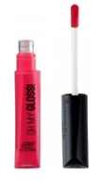 | 183733 | Rimmel | Oh My Gloss | Oh My Gloss 500 Ooh la la 6.00 GR | 17451571500 | 3614220077741 | £8.99 | 17
 | 183665 | Max Factor | Lipfinity Velvet matte | Lipfinity Velvet matte 45 Posh pink 3.50 ML | 10511171045 | 8005610629858 | £9.99 | 10
 | 183670 | Max Factor | Colour Elixir Honey Lacquer | Colour Elixir Honey Lacquer 05 Honey Nude 3.8ml |  | 8005610433967 | £10.00 | 10
 | 183737 | Rimmel | Oh My Gloss Plump | Oh My Gloss Plump 800 diamond pop 7.00 ML | 17451671800 | 3614229612431 | £6.99 | 7
 | 183658 | Max Factor | Lipfinity Velvet matte | Lipfinity Velvet matte 005 Merlot 3.50 ML | 10511171005 | 8005610629520 | £9.99 | 3
 |  |  |  |  |  |  |  | 2,027

